2023 DC1000-6 HVAC
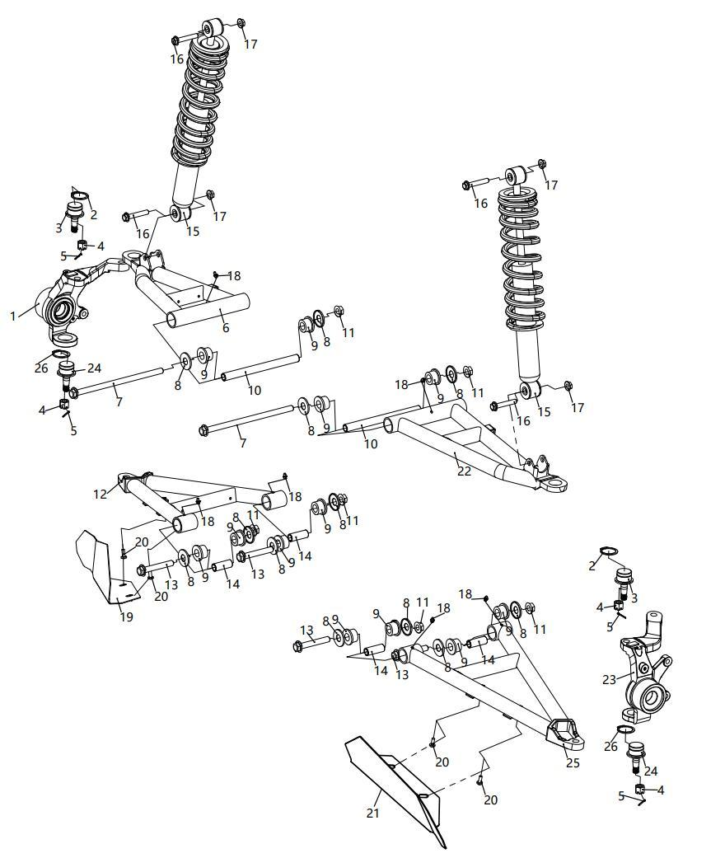
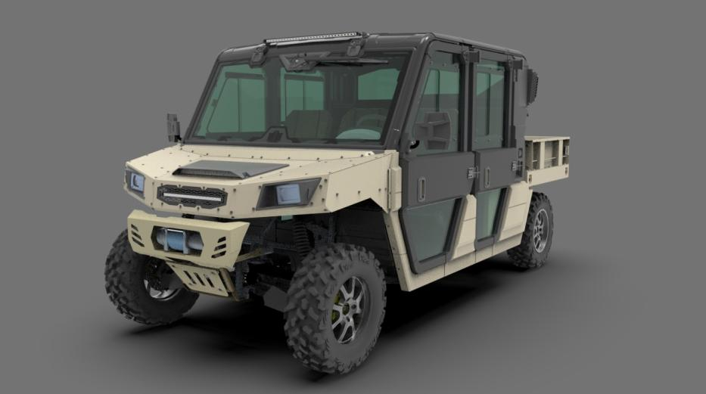 |  |  |  |  |  |  | 技术部
F01. FRONT SUSPENSION SYSTEM | Item # | Part Number | Description | Specification | Quantity | Warranty period | Fits Models
 | 1 | 14605220000 | Steering Knuckle Assy, Rh |  | 1 | 12 Months (Unlimited Miles) | 292377
 | 2 | 07031340004 | Snap Ring | Φ34 | 2 | Not Covered Under Warranty | 800-3/800-3A/800-4/800-4A/1000-3/1000-3A/1000-4/1000-4A/1000-11/800-7/1000-7/1000-12
 | 3 | 10401190000 | Ball Joint | φ34 | 2 | 12 Months (Unlimited Miles) | 800-3/800-3A/800-4/800-4A/1000-3/1000-3A/1000-4/1000-4A/1000-11/800-7
 | 4 | 04724120026 | Castle Nut | M12×1.25 | 4 | Not Covered Under Warranty | 800-3/800-3A/800-4/800-4A/1000-3/1000-3A/1000-4/1000-4A/1000-11/800-7/1000-7/1000-12
 | 5 | 05011250255 | Cotter Pin | φ2.5×25 | 4 | Not Covered Under Warranty | 800-3/800-3A/800-4/800-4A/1000-3/1000-3A/1000-4/1000-4A/1000-11/ATV800/800-7/1000-7/1000-13
 | 6 | 14601070000 | Uppper A-Arm, Rh, Fr |  | 1 | 12 Months (Unlimited Miles) | 292377
 | 7 | 01256122356 | Hex Flange Bolt | M12×235×1.25 | 2 | Not Covered Under Warranty | 800-3/800-3A/800-4/800-4A/1000-3/1000-3A/1000-4/1000-4A/1000-11/ATV800/800-7/1000-7/1000-13
 | 8 | 13601070030 | A-Arm Nylon Sleeve Cover |  | 12 | Not Covered Under Warranty | ATV800/800-7
 | 9 | 10401070020 | A-Arm Nylon Sleeve |  | 12 | Not Covered Under Warranty | 800-3/800-3A/800-4/800-4A/1000-3/1000-3A/1000-4/1000-4A/1000-11/ATV800/800-7
 | 10 | 14601070080 | Uppper A-Arm Inner Sleeve |  | 2 | Not Covered Under Warranty | 292377
 | 11 | 04622120026 | Hex Flange Locking Nut | M12×1.25 | 6 | Not Covered Under Warranty | 800-3/800-3A/800-4/800-4A/1000-3/1000-3A/1000-4/1000-4A/1000-11/ATV800/800-7/1000-7/1000-13
 | 12 | 14601090000 | Lower A-Arm, Rh, Fr |  | 1 | 12 Months (Unlimited Miles) | 292377
 | 13 | 01256120806 | Hex Flange Bolt | M12×80×1.25 | 4 | Not Covered Under Warranty | 800-3/800-3A/800-4/800-4A/1000-3/1000-3A/1000-4/1000-4A/1000-11/ATV800/800-7/1000-7/1000-13
 | 14 | 14601070010 | A-Arm Inner Sleeve |  | 4 | Not Covered Under Warranty | 292377
 | 15 | 17101010070 | Front Shock (Black) |  | 2 | 12 Months (Unlimited Miles) | 292377
 | 16 | 01256100556 | Hex Flange Bolt | M10×55×1.25 | 4 | Not Covered Under Warranty | 800-3/800-3A/800-4/800-4A/1000-3/1000-3A/1000-4/1000-4A/1000-11/800-7/1000-7/1000-12
 | 17 | 04622100026 | Hexagon Flange Locking Nut | M10×1.25 | 4 | Not Covered Under Warranty | 800-3/800-3A/800-4/800-4A/1000-3/1000-3A/1000-4/1000-4A/1000-11/ATV800/800-7/1000-7/1000-13
 | 18 | 10901070090 | Grease Zerk(White) |  | 6 | Not Covered Under Warranty | 800-3/800-3A/800-4/800-4A/1000-3/1000-3A/1000-4/1000-4A/1000-11/ATV800/800-7
 | 19 | 14701080090 | Lower A-Arm Guard Plate, Lh, Fr |  | 1 | 6 Months (Unlimited Miles) | 1000-13
 | 20 | 03414060164 | Socket Pan Head Screw | M6×16 | 4 | Not Covered Under Warranty | 800-3/800-3A/800-4/800-4A/1000-3/1000-3A/1000-4/1000-4A/1000-11/800-7/1000-7/1000-12
 | 21 | 14701090080 | Lower A-Arm Guard Plate, Rh, Fr |  | 1 | 6 Months (Unlimited Miles) | 1000-13
 | 22 | 14601060000 | Uppper A-Arm, Lh, Fr |  | 1 | 12 Months (Unlimited Miles) | 292377
 | 23 | 14605210000 | Steering Knuckle Assy, Lh |  | 1 | 12 Months (Unlimited Miles) | 292377
 | 24 | 10401180000 | Ball Joint | φ32 | 2 | 12 Months (Unlimited Miles) | 800-3/800-3A/800-4/800-4A/1000-3/1000-3A/1000-4/1000-4A/1000-11/800-7
 | 25 | 14601080000 | Lower A-Arm, Lh, Fr |  | 1 | 12 Months (Unlimited Miles) | 292377
 | 26 | 07031320004 | Snap Ring | Φ34 | 2 | Not Covered Under Warranty | 800-3/800-3A/800-4/800-4A/1000-3/1000-3A/1000-4/1000-4A/1000-11/800-7/1000-7/1000-12
F02. REAR SUSPENSION SYSTEM | Item # | Part Number | Description | Specification | Quantity | Warranty period
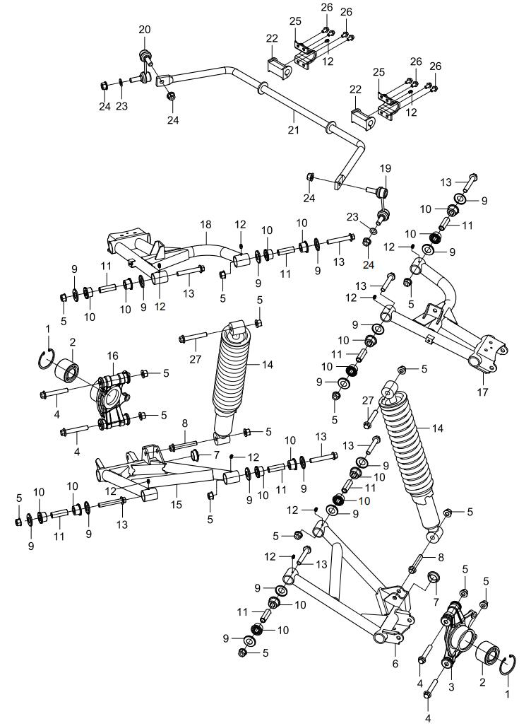
 | 1 | 07011630004 | Circlip | φ63 | 2 | Not Covered Under Warranty | 800-3/800-3A/800-4/800-4A/1000-3/1000-3A/1000-4/1000-4A/1000-11/ATV800/800-7/1000-7/1000-13
 | 2 | 09560306342 | Bearing Sealed | DAC306342 | 2 | Not Covered Under Warranty | 800-3/800-3A/800-4/800-4A/1000-3/1000-3A/1000-4/1000-4A/1000-11/800-7/1000-7/1000-12
 | 3 | 16601200050 | Knuckle Assy | Left | 1 | 12 Months (Unlimited Miles) | 1000-13
 | 4 | 01256121256 | Hex Flange Bolt | M12×125×1.25 | 4 | Not Covered Under Warranty | 800-3/800-3A/800-4/800-4A/1000-3/1000-3A/1000-4/1000-4A/1000-11/800-7/1000-7/1000-12
 | 5 | 04522120026 | Hex Flange Locking Nut | M12×1.25 | 16 | Not Covered Under Warranty | 800-3/800-3A/800-4/800-4A/1000-3/1000-3A/1000-4/1000-4A/1000-11/ATV800/800-7/1000-7/1000-13
 | 6 | 16601120030 | Rear Lower A-Arm, Lh | Left | 1 | 12 Months (Unlimited Miles) | 1000-13
 | 7 | 16601070040 | Swing Arm Plug |  | 2 | Not Covered Under Warranty | 1000-13
 | 8 | 01256120656 | Hex Flange Bolt | M12×65×1.25 | 2 | Not Covered Under Warranty | 800-3/800-3A/800-4/800-4A/1000-3/1000-3A/1000-4/1000-4A/1000-11/800-7/1000-7/1000-12
 | 9 | 13601070030 | A-Arm Nylon Sleeve Cover |  | 16 | Not Covered Under Warranty
 | 10 | 10401070020 | A-Arm Nylon Sleeve |  | 16 | Not Covered Under Warranty
 | 11 | 14601070010 | A-Arm Inner Sleeve |  | 8 | Not Covered Under Warranty
 | 12 | 10901070090 | Grease Zerk(White) |  | 10 | Not Covered Under Warranty
 | 13 | 01256120806 | Hex Flange Bolt | M12×80×1.25 | 8 | Not Covered Under Warranty | 800-3/800-3A/800-4/800-4A/1000-3/1000-3A/1000-4/1000-4A/1000-11/ATV800/800-7/1000-7/1000-13
 | 14 | 17201020090 | Rear Shock |  | 2 | 12 Months (Unlimited Miles) | 1000-13
 | 15 | 16601130030 | Rear Lower A-Arm, Rh |  | 1 | 12 Months (Unlimited Miles) | 1000-13
 | 16 | 16601200060 | Knuckle Assy, Rh |  | 1 | 12 Months (Unlimited Miles) | 1000-13
 | 17 | 16601100020 | Rear Upper A-Arm, Lh |  | 1 | 12 Months (Unlimited Miles) | 1000-13
 | 18 | 16601110020 | Rear Upper A-Arm, Rh |  | 1 | 12 Months (Unlimited Miles) | 1000-13
 | 19 | 10101210010 | Link Rod, Sway Bar, Lh |  | 1 | Not Covered Under Warranty
 | 20 | 10101210050 | Link Rod, Sway Bar, Rh |  | 1 | Not Covered Under Warranty
 | 21 | 16601210060 | Sway Bar |  | 1 | 6 Months (Unlimited Miles) | 1000-13
 | 22 | 15101210040 | Cushion, Sway Bar |  | 2 | Not Covered Under Warranty
 | 23 | 06119122205 | Washer | φ12.5×φ22×1.5 | 2 | Not Covered Under Warranty | 800-3/800-3A/800-4/800-4A/1000-3/1000-3A/1000-4/1000-4A/1000-11/ATV800/800-7/1000-7/1000-13
 | 24 | 04522120026 | Hex Flange Locking Nut | M12x1.25 | 4 | Not Covered Under Warranty | 800-7/1000-11A/1000-3A/1000-4A/800-3A/800-4A/UTV170
 | 25 | 15101210030 | Clamp, Sway Bar |  | 2 | 6 Months (Unlimited Miles)
 | 26 | 01224080206 | Hex Flange Bolt | M8×20 | 8 | Not Covered Under Warranty | 800-3/800-3A/800-4/800-4A/1000-3/1000-3A/1000-4/1000-4A/1000-11/ATV800/800-7/1000-7/1000-13
 | 27 | 01256120706 | Hex Flange Bolt | M12×70×1.25 | 2 | Not Covered Under Warranty | 800-3/800-3A/800-4/800-4A/1000-3/1000-3A/1000-4/1000-4A/1000-11/800-7/1000-7/1000-12
F03.FRONT DRIVE SYSTEM | Item # | Part Number | Description | Specification | Quantity | Warranty period | Fits Models
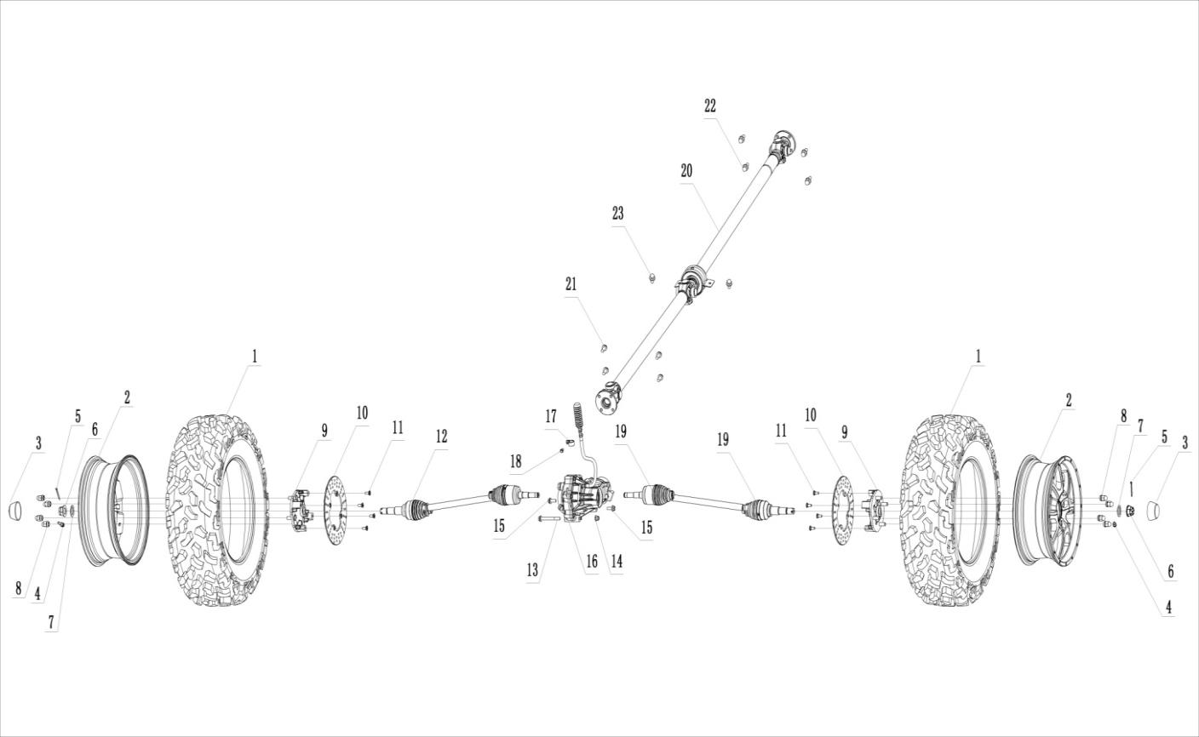
 | 1 | 16605300010 | Front Tire | 27x9-14 | 2 | Not Covered Under Warranty
 | 2 | 10905030282 | Front Rim | 14x7.5 | 2 | Not Covered Under Warranty | 292377
 | 3 | 10405230020 | Wheel Dust-Proof Cover |  | 2 | Not Covered Under Warranty
 | 4 | 10405230030 | Air Valve |  | 2 | Not Covered Under Warranty
 | 5 | 05011400405 | Cotter Pin | φ4.0×40 | 2 | Not Covered Under Warranty | 800-3/800-3A/800-4/800-4A/1000-3/1000-3A/1000-4/1000-4A/1000-11/ATV800/800-7/1000-7/1000-13
 | 6 | 04812220022 | Slotted Flange Nut | M22×1.5 | 2 | Not Covered Under Warranty | 800-3/800-3A/800-4/800-4A/1000-3/1000-3A/1000-4/1000-4A/1000-11/800-7/1000-7/1000-12
 | 7 | 15101230010 | Lock Washer | φ22.5xφ42x5 | 2 | Not Covered Under Warranty
 | 8 | 04322120021 | Acorn Nut 12×1.25, Wheel | M12×1.25 | 8 | Not Covered Under Warranty | 800-3/800-3A/800-4/800-4A/1000-3/1000-3A/1000-4/1000-4A/1000-11/800-7/1000-7/1000-12
 | 9 | 15101030000 | Front Wheel-Hub |  | 2 | 12 Months (Unlimited Miles)
 | 10 | 15106010020 | Front Brake Disc |  | 2 | Not Covered Under Warranty
 | 11 | 01826080205 | Allen T Type Bolt | M8x20 | 8 | Not Covered Under Warranty | 800-3/800-3A/800-4/800-4A/1000-3/1000-3A/1000-4/1000-4A/1000-11/ATV800/800-7/1000-7/1000-13
 | 12 | 14601230001 | Front C.V. Shaft, Rh |  | 1 | 12 Months (Unlimited Miles)
 | 13 | 01256100956 | Hexagon Flange Bolt | M10×95×1.25 | 2 | Not Covered Under Warranty | 800-3/800-3A/800-4/800-4A/1000-3/1000-3A/1000-4/1000-4A/1000-11/800-7/1000-7/1000-12
 | 14 | 04622100026 | Hexagon Flange Locking Nut | M10×1.25 | 1 | Not Covered Under Warranty | 800-3/800-3A/800-4/800-4A/1000-3/1000-3A/1000-4/1000-4A/1000-11/ATV800/800-7/1000-7/1000-13
 | 15 | 01256100256 | Hexagon Flange Bolt | M10×25×1.25 | 1 | Not Covered Under Warranty | 800-3/800-3A/800-4/800-4A/1000-3/1000-3A/1000-4/1000-4A/1000-11/800-7/1000-7/1000-12
 | 16 | 21120100001 | Front Differential Assy |  | 1 | 12 Months (Unlimited Miles)
 | 17 | 10406010090 | Brake Fuel Hose Clamp |  | 1 | Not Covered Under Warranty
 | 18 | 01254060126 | Hexagon Flange Bolt | M6×12 | 1 | Not Covered Under Warranty | 800-3/800-3A/800-4/800-4A/1000-3/1000-3A/1000-4/1000-4A/1000-11/ATV800/800-7/1000-7/1000-13
 | 19 | 14601220001 | Front C.V. Shaft, Lh |  | 1 | 12 Months (Unlimited Miles)
 | 20 | 16603110000 | Front Transmission Shaft |  | 1 | 12 Months (Unlimited Miles) | 292377
 | 21 | 01144080206 | Hexagon Bolt | M8×20×1.0 | 4 | Not Covered Under Warranty | 800-3/800-3A/800-4/800-4A/1000-3/1000-3A/1000-4/1000-4A/1000-11/800-7/1000-7/1000-12
 | 22 | 01566100206 | Small Head Hexagon Flange Bolt | M10×20×1.25 | 4 | Not Covered Under Warranty | 800-3/800-3A/800-4/800-4A/1000-3/1000-3A/1000-4/1000-4A/1000-11/ATV800/800-7/1000-7/1000-13
 | 23 | 01256100206 | Hexagon Flange Bolt | M10×20×1.25 | 2
F04.REAR DRIVE SYSTEM | Item # | Part Number | Description | Specification | Quantity | Warranty period | Fits Models
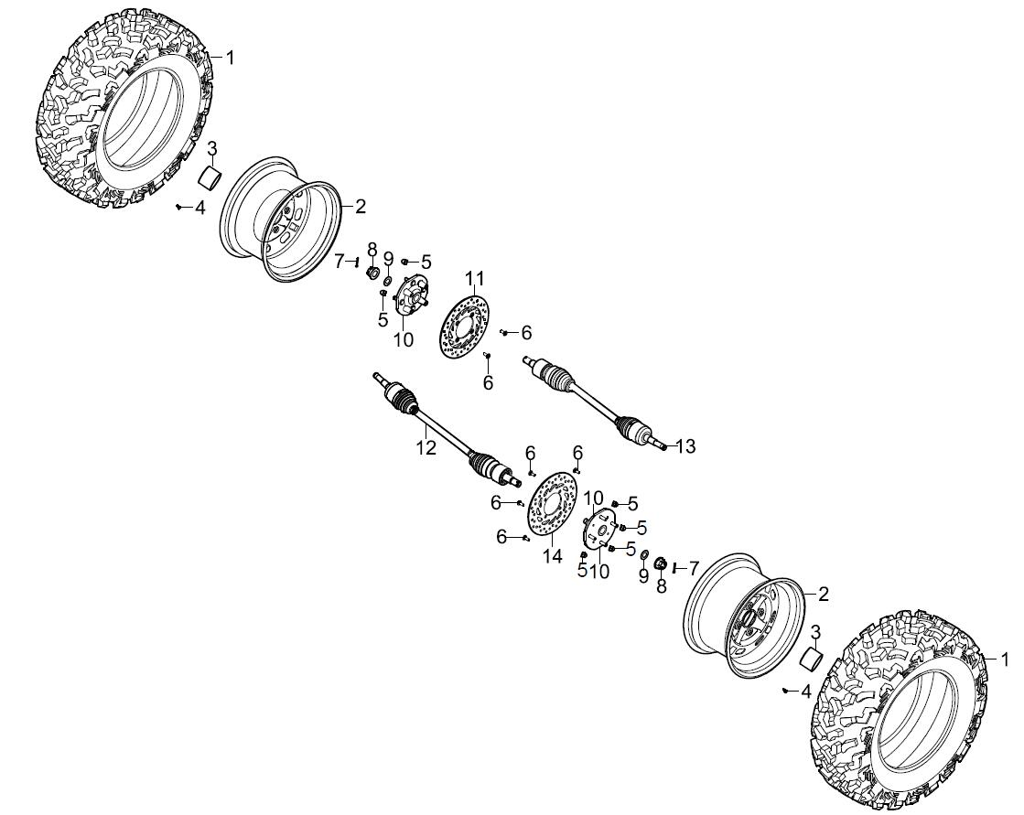
 | 1 | 16605310010 | Rear Tire | 27x11-14 | 2 | Not Covered Under Warranty | 1000-13
 | 2 | 10905040212 | Rear Rim | 14x9 | 2 | Not Covered Under Warranty | 292377
 | 3 | 10405230020 | Wheel Dust-Proof Cover |  | 2 | Not Covered Under Warranty
 | 4 | 10405230030 | Air Valve |  | 2 | Not Covered Under Warranty
 | 5 | 04322120021 | Acorn Nut 12×1.25, Wheel | M12×1.25 | 8 | Not Covered Under Warranty | 800-3/800-3A/800-4/800-4A/1000-3/1000-3A/1000-4/1000-4A/1000-11/ATV800/800-7/1000-7/1000-13
 | 6 | 01824080205 | Allen T Type Bolt | M8×20 | 8 | Not Covered Under Warranty | 800-3/800-3A/800-4/800-4A/1000-3/1000-3A/1000-4/1000-4A/1000-11/800-7/1000-7/1000-12
 | 7 | 05011400405 | Cotter Pin | φ4.0×40 | 2 | Not Covered Under Warranty | 800-3/800-3A/800-4/800-4A/1000-3/1000-3A/1000-4/1000-4A/1000-11/ATV800/800-7/1000-7/1000-13
 | 8 | 04812240022 | Slotted Flange Nut | M24×1.5 | 2 | Not Covered Under Warranty | 800-3/800-3A/800-4/800-4A/1000-3/1000-3A/1000-4/1000-4A/1000-11/800-7/1000-7/1000-12
 | 9 | 15101250010 | Spacer Rear Disc | φ24.5xφ42x5 | 2 | Not Covered Under Warranty
 | 10 | 15101040000 | Rear Wheel-Hub |  | 2 | 12 Months (Unlimited Miles)
 | 11 | 10106010340 | Rear Brake Disc, Rh |  | 1 | Not Covered Under Warranty
 | 12 | 16601240000 | Rear C.V Shaft, Lh |  | 1 | 12 Months (Unlimited Miles) | 1000-13
 | 13 | 16601250000 | Rear C.V Shaft, Rh |  | 1 | 12 Months (Unlimited Miles) | 1000-13
 | 14 | 10106010350 | Rear Brake Disc, Lh |  | 1 | Not Covered Under Warranty
F05.STEERING SYSTEM | Item # | Part Number | Description | Specification | Quantity | Warranty period | Fits Models
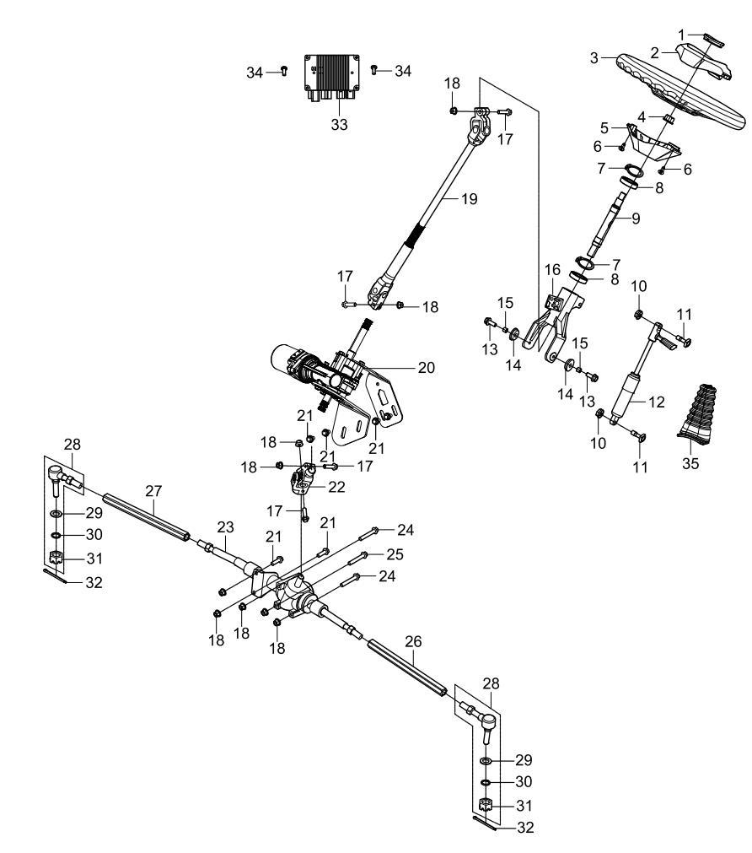
 | 1 | 15105090020 | Steering Wheel Center Cap |  | 1 | Not Covered Under Warranty
 | 2 | 15105090050 | Steering Wheel Cover |  | 1 | Not Covered Under Warranty
 | 3 | 13205090080 | Steering Wheel |  | 1
 | 4 | 04622120026 | Hex Flange Locking Nut | M12×1.25 | 1 | Not Covered Under Warranty | 800-3/800-3A/800-4/800-4A/1000-3/1000-3A/1000-4/1000-4A/1000-11/800-7/1000-7/1000-12
 | 5 | 15105090060 | Steering Wheel Cover |  | 1
 | 6 | 03714350101 | Tapping Screws | ST3.5X10 | 3 | Not Covered Under Warranty | 800-3/800-3A/800-4/800-4A/1000-3/1000-3A/1000-4/1000-4A/1000-11/800-7/1000-7/1000-12
 | 7 | 07031200007 | Snap Ring | φ20 | 2 | Not Covered Under Warranty | 800-3/800-3A/800-4/800-4A/1000-3/1000-3A/1000-4/1000-4A/1000-11/ATV800/800-7/1000-7/1000-13
 | 8 | 09560061804 | Bearing(Double Sealed) | 61804-2RZ | 2 | Not Covered Under Warranty | 800-3/800-3A/800-4/800-4A/1000-3/1000-3A/1000-4/1000-4A/1000-11/800-7/1000-7/1000-12
 | 9 | 13205090041 | Steering Shaft |  | 1 | Not Covered Under Warranty
 | 10 | 04612060026 | Hexagon Flange Locking Nut | M6 | 2 | Not Covered Under Warranty | 800-3/800-3A/800-4/800-4A/1000-3/1000-3A/1000-4/1000-4A/1000-11/800-7/1000-7/1000-12
 | 11 | 01824060126 | T Bolt | M6x12 | 2 | Not Covered Under Warranty | 800-3/800-3A/800-4/800-4A/1000-3/1000-3A/1000-4/1000-4A/1000-11/ATV800/800-7/1000-7/1000-13
 | 12 | 13208400001 | Gas Spring |  | 1 | Not Covered Under Warranty
 | 13 | 01224080256 | Hex Flange Bolt | M8×25 | 2 | Not Covered Under Warranty | 800-3/800-3A/800-4/800-4A/1000-3/1000-3A/1000-4/1000-4A/1000-11/ATV800/800-7/1000-7/1000-13
 | 14 | 13205050060 | Steering Nylon Sleeve |  | 2 | Not Covered Under Warranty
 | 15 | 13205050070 | Steering Inner Bush |  | 2 | Not Covered Under Warranty
 | 16 | 13205050000 | Steering Column |  | 1 | Not Covered Under Warranty
 | 17 | 01224080356 | Hex Flange Bolt | M8×35 | 4 | 12 Months (Unlimited Miles) | 800-3/800-3A/800-4/800-4A/1000-3/1000-3A/1000-4/1000-4A/1000-11/ATV800/800-7/1000-7/1000-13
 | 18 | 04612080026 | Hexagon Flange Locking Nut | M8 | 9 | Not Covered Under Warranty | 800-3/800-3A/800-4/800-4A/1000-3/1000-3A/1000-4/1000-4A/1000-11/800-7/1000-7/1000-12
 | 19 | 17105270030 | Steering Shaft |  | 1 | Not Covered Under Warranty | 1000-13
 | 20 | 17105270000 | Eps Motor |  | 1 | Not Covered Under Warranty
 | 21 | 01224080206 | Hex Flange Bolt | M8×20 | 4 | Not Covered Under Warranty | 800-3/800-3A/800-4/800-4A/1000-3/1000-3A/1000-4/1000-4A/1000-11/ATV800/800-7/1000-7/1000-13
 | 22 | 14405270020 | Eps Universal Joint |  | 1 | Not Covered Under Warranty
 | 23 | 10105100000 | Redirector Assembly |  | 1 | 12 Months (Unlimited Miles)
 | 24 | 01214080956 | Hex Flange Bolt | M8×95 | 2 | Not Covered Under Warranty | 800-3/800-3A/800-4/800-4A/1000-3/1000-3A/1000-4/1000-4A/1000-11/800-7/1000-7/1000-12
 | 25 | 01214080806 | Hex Flange Bolt | M8×80 | 1 | Not Covered Under Warranty | 800-3/800-3A/800-4/800-4A/1000-3/1000-3A/1000-4/1000-4A/1000-11/ATV800/800-7/1000-7/1000-13
 | 26 | 10105100070 | Steering Tie Rod, Lh |  | 1 | 12 Months (Unlimited Miles)
 | 27 | 10905100090 | Steering Tie Rod, Rh |  | 1 | 12 Months (Unlimited Miles)
 | 28 | 10905100081 | Steering Tie Rod Ball Joint |  | 2 | 12 Months (Unlimited Miles)
 | 29 | 06119122505 | Washer | ø12×ø25×1.5 | 2 | Not Covered Under Warranty
 | 30 | 06619121905 | Spring Washer | ø12 | 2 | Not Covered Under Warranty
 | 31 | 04725120025 | Castle Nut | M12 | 2 | Not Covered Under Warranty
 | 32 | 05011320255 | Cotter Pin | φ3.2x25 | 2 | Not Covered Under Warranty | 800-3/800-3A/800-4/800-4A/1000-3/1000-3A/1000-4/1000-4A/1000-11/800-7/1000-7/1000-12
 | 33 | 14405270050 | Eps Controller |  | 1 | Not Covered Under Warranty
 | 34 | 01254060126 | Hex Flange Bolt | M6×12 | 2 | Not Covered Under Warranty | 800-3/800-3A/800-4/800-4A/1000-3/1000-3A/1000-4/1000-4A/1000-11/ATV800/800-7/1000-7/1000-13
 | 35 | 16605050130 | Gas Spring Sleeve |  | 1 | Not Covered Under Warranty | 800-3/800-3A/800-4/800-4A/1000-3/1000-3A/1000-4/1000-4A/1000-11/ATV800/800-7/1000-7/1000-13
F06.FUEL SYSTEM | Item # | Part Number | Description | Specification | Quantity | Warranty period | Fits Models
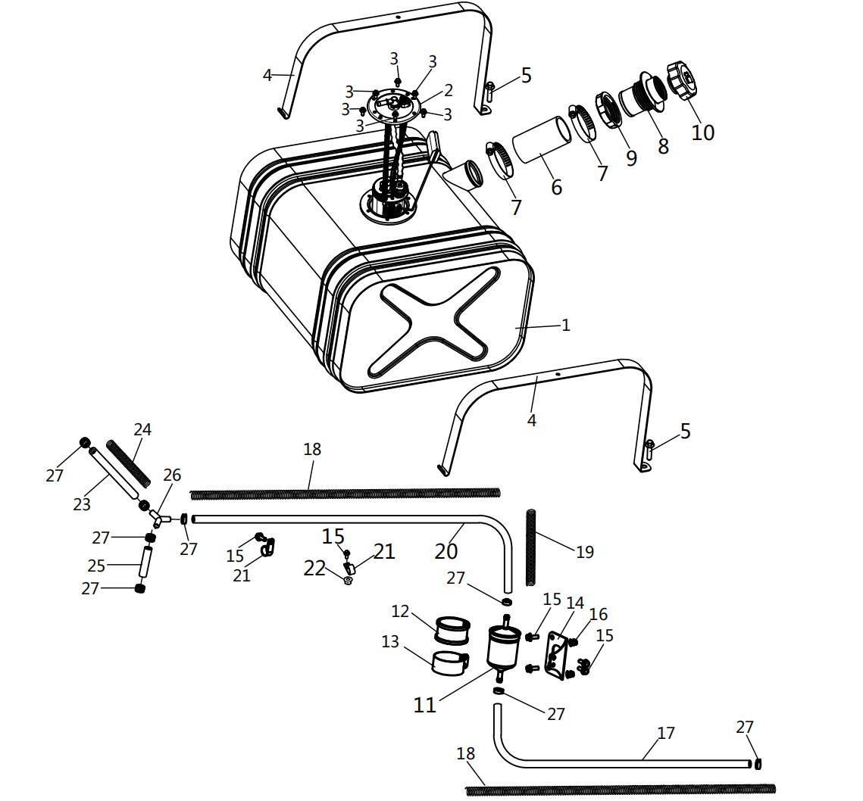
 | 1 | 16604010001 | Fuel Tank |  | 1 | 12 Months (Unlimited Miles) | 1000-13
 | 2 | 10904080001 | Fuel Pump |  | 1 | 12 Months (Unlimited Miles) | 800-3/800-3A/800-4/800-4A/1000-3/1000-3A/1000-4/1000-4A/1000-11/ATV800/800-7
 | 3 | 01224050125 | Hex Flange Bolt | M5×12 | 6 | Not Covered Under Warranty | 800-3/800-3A/800-4/800-4A/1000-3/1000-3A/1000-4/1000-4A/1000-11/ATV800/800-7/1000-7/1000-13
 | 4 | 14604010131 | Clamp , Fuel Tank |  | 2 | Not Covered Under Warranty | 292377
 | 5 | 01214080506 | Hex Flange Bolt | M8×50 | 2 | 12 Months (Unlimited Miles) | 800-3/800-3A/800-4/800-4A/1000-3/1000-3A/1000-4/1000-4A/1000-11/ATV800/800-7/1000-7/1000-13
 | 6 | 16604010100 | Fuel Tank Connection Pipe |  | 1 | Not Covered Under Warranty | 1000-13
 | 7 | 10907040020 | Clamp | φ51-φ70 | 2 | Not Covered Under Warranty | 800-3/800-3A/800-4/800-4A/1000-3/1000-3A/1000-4/1000-4A/1000-11/ATV800/800-7/1000-7/1000-13
 | 8 | 16604010080 | Fuel Tank Neck |  | 1 | Not Covered Under Warranty | 1000-13
 | 9 | 16604010090 | Nut |  | 1 | Not Covered Under Warranty | 1000-13
 | 10 | 16604020000 | Fuel Tank Cap |  | 1 | Not Covered Under Warranty | 1000-13
 | 11 | 17104060000 | Fuel Filter |  | 1 | Not Covered Under Warranty | 800-7/1000-13
 | 12 | 10904010140 | Rubber Lining |  | 0.08 | Not Covered Under Warranty | 800-7/1000-13
 | 13 | 10904060011 | Fuel Filter Clamp |  | 1 | 6 Months (Unlimited Miles) | 800-7/1000-13
 | 14 | 16504060020 | Fuel Filter Clamp Bracket
 | 15 | 01254060166 | Hex Flange Bolt | M6×16 | 2 | Not Covered Under Warranty | 800-3/800-3A/800-4/800-4A/1000-3/1000-3A/1000-4/1000-4A/1000-11/800-7/1000-7/1000-13
 | 16 | 04512060127 | Rivet Nut | M6 | 1 | Not Covered Under Warranty | 800-3/800-3A/800-4/800-4A/1000-3/1000-3A/1000-4/1000-4A/1000-11/800-7/1000-7/1000-12
 | 17 | 10404040501 | Fuel Hose | Φ7.5xΦ14.5 L=610mm | 1 | Not Covered Under Warranty | 800-3/800-3A/800-4/800-4A/1000-3/1000-3A/1000-4/1000-4A/1000-11/800-7/1000-7/1000-13
 | 18 | 10904040080 | Fuel Hose Protection Spring | L=650mm | 1 | Not Covered Under Warranty | 800-3/800-3A/800-4/800-4A/1000-3/1000-3A/1000-4/1000-4A/1000-11/ATV800/800-7/1000-7/1000-13
 | 19 | 13204040540 | Fuel Hose Protection Spring | L=300mm
 | 20 | 10404040501 | Fuel Hose | Φ7.5xΦ14.5 L=750mm | 1 | Not Covered Under Warranty | 800-3/800-3A/800-4/800-4A/1000-3/1000-3A/1000-4/1000-4A/1000-11/800-7/1000-7/1000-13
 | 21 | 10109380020 | Wire Harness Mounting Clamp | Φ2-20 | 2 | Not Covered Under Warranty | 800-3/800-3A/800-4/800-4A/1000-3/1000-3A/1000-4/1000-4A/1000-11/ATV800/800-7/1000-7/1000-13
 | 15 | 01254060166 | Hex Flange Bolt | M6×16 | 2 | Not Covered Under Warranty | 800-3/800-3A/800-4/800-4A/1000-3/1000-3A/1000-4/1000-4A/1000-11/800-7/1000-7/1000-13
 | 22 | 04612060026 | Hex Flange Locking Nut | M6（达克罗银灰色） | 1 | Not Covered Under Warranty | 800-3/800-3A/800-4/800-4A/1000-3/1000-3A/1000-4/1000-4A/1000-11/ATV800/800-7/1000-7/1000-13
 | 23 | 10404040501 | Fuel Hose | Φ7.5xΦ14.5 L=185mm | 1 | Not Covered Under Warranty | 800-3/800-3A/800-4/800-4A/1000-3/1000-3A/1000-4/1000-4A/1000-11/ATV800/800-7/1000-7/1000-13
 | 24 | 10904040070 | Fuel Hose Protection Spring | φ17 L=150mm | 1 | Not Covered Under Warranty | 800-3/800-3A/800-4/800-4A/1000-3/1000-3A/1000-4/1000-4A/1000-11/800-7/1000-7/1000-13
 | 25 | 10404040501 | Fuel Hose | Φ7.5xΦ14.5 L=60mm | 1 | Not Covered Under Warranty | 800-3/800-3A/800-4/800-4A/1000-3/1000-3A/1000-4/1000-4A/1000-11/ATV800/800-7/1000-7/1000-13
 | 26 | 21040402501 | Y-Shaped Connector |  | 1 | Not Covered Under Warranty | 800-3/800-3A/800-4/800-4A/1000-3/1000-3A/1000-4/1000-4A/1000-11/800-7/1000-7/1000-13
 | 27 | 17112010200 | Hose Clamp | 14.8mm | 8 | Not Covered Under Warranty | 800-3/800-3A/800-4/800-4A/1000-3/1000-3A/1000-4/1000-4A/1000-11/ATV800/800-7/1000-7/1000-13
F07.SEATING | Item # | Part Number | Description | Specification | Quantity | Warranty period | Fits Models
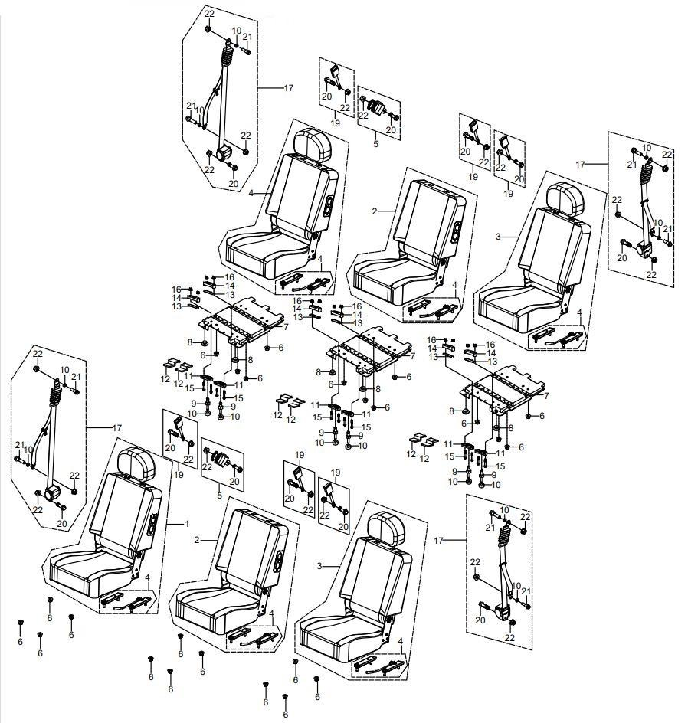
 | 1 | 16514090350 | Right Seat |  | 2 | Not Covered Under Warranty | 1000-13
 | 2 | 16614090200 | Middle Seat |  | 2 | Not Covered Under Warranty | 1000-13
 | 3 | 16514090340 | Left Seat |  | 2 | Not Covered Under Warranty
 | 4 | 10114090071 | Seat Slider |  | 6 | Not Covered Under Warranty | 0 | 1
 | 5 | 16611090090 | Safety Belt |  | 2 | 6 Months (Unlimited Miles) | 1000-13 | 2
 | 6 | 04612100026 | Hex Flange Locking Nut | M10×1.5 | 24 | Not Covered Under Warranty | 800-3/800-3A/800-4/800-4A/1000-3/1000-3A/1000-4/1000-4A/1000-11/ATV800/800-7/1000-7/1000-13 | 2
 | 7 | 10110530001 | Seat Base |  | 3 | Not Covered Under Warranty |  | 1
 | 8 | 10114090120 | Seat Bottom Rubber Rubber, Outside |  | 6 | Not Covered Under Warranty |  | 2
 | 9 | 10114090111 | Seat Installing Pin |  | 6 | 6 Months (Unlimited Miles) |  | 1
 | 10 | 10911090080 | Seat Belt Spacer |  | 14 |  |  | 2
 | 11 | 10714090470 | Seat Switch Box(Down) |  | 3 | Not Covered Under Warranty |  | 1
 | 12 | 10714090461 | Seat Switch Box (Middle) |  | 3 | Not Covered Under Warranty |  | 2
 | 13 | 10714090100 | Seat Switch Spring |  | 3 | Not Covered Under Warranty |  | 1
 | 14 | 10714090450 | Seat Switch Box(Up) |  | 3 | Not Covered Under Warranty |  | 2
 | 15 | 03414060354 | Socket Pan Head Screws | M6×35 | 12 | Not Covered Under Warranty | 800-3/800-3A/800-4/800-4A/1000-3/1000-3A/1000-4/1000-4A/1000-11/800-7/1000-7/1000-12 | 1
 | 16 | 04612060026 | Hexagon Flange Locking Nut | M6 | 12 | Not Covered Under Warranty | 800-3/800-3A/800-4/800-4A/1000-3/1000-3A/1000-4/1000-4A/1000-11/ATV800/800-7/1000-7/1000-13 | 2
 | 17 | 16611090000 | Seat Belt |  | 4 | 6 Months (Unlimited Miles) | 1000-13 | 1
 | 19 | 16611090030 | Seat Belt Mounting Buckle |  | 6 | 6 Months (Unlimited Miles) | 1000-13 | 1
 | 20 | 01244110302 | Hex Flange Bolt | M11×30×1.25 | 12 | Not Covered Under Warranty | 800-3/800-3A/800-4/800-4A/1000-3/1000-3A/1000-4/1000-4A/1000-11/ATV800/800-7/1000-7/1000-13 | 2
 | 21 | 01824110302 | Hex Flange T Type Bolt | M11x30 | 8 | Not Covered Under Warranty | 800-3/800-3A/800-4/800-4A/1000-3/1000-3A/1000-4/1000-4A/1000-11/800-7/1000-7/1000-12 | 1
 | 22 | 04212110021 | Hex Flange Locking Nut | M11 | 20 | Not Covered Under Warranty | 800-3/800-3A/800-4/800-4A/1000-3/1000-3A/1000-4/1000-4A/1000-11/800-7/1000-7/1000-12 | 2
F08.DASH ASSEMBLY I | Item # | Part Number | Description | Specification | Quantity | Warranty period | Fits Models
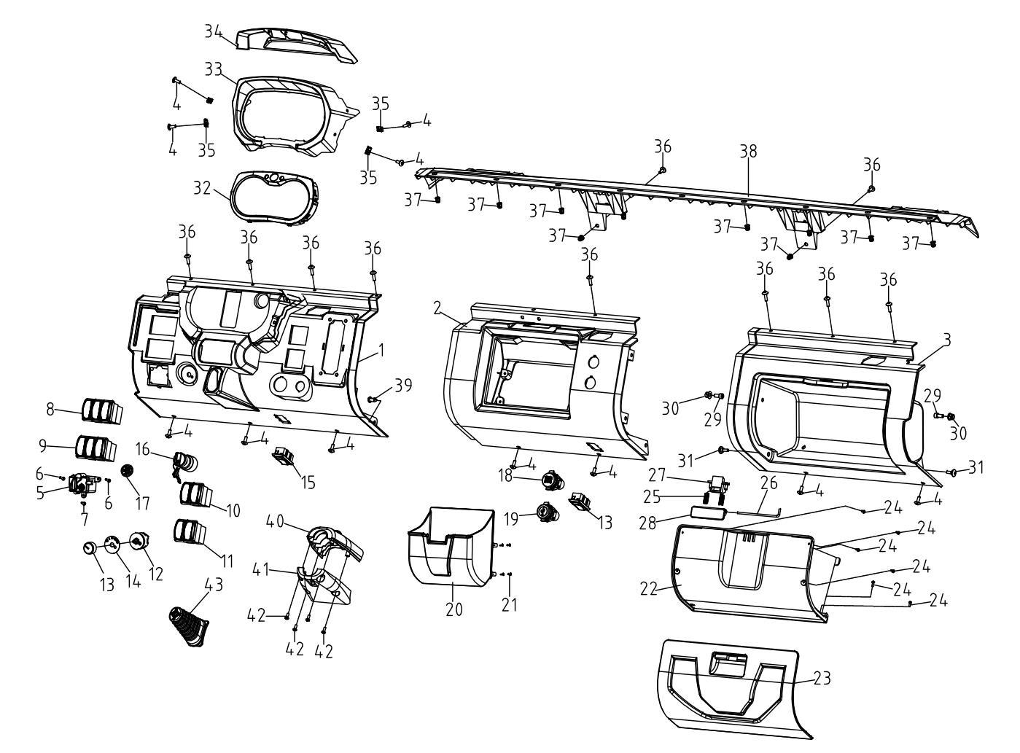
 | 1 | 16610270060 | Dash Plate, Left Cover |  | 1 | Not Covered Under Warranty | 1000-13
 | 2 | 16610270070 | Dash Plate, Middle Cover |  | 1 | Not Covered Under Warranty | 1000-13
 | 3 | 16610270080 | Dash Plate, Right Cover |  | 1 | Not Covered Under Warranty | 1000-13
 | 4 | 03414060164 | Socket Pan Head Screws 6X16 | M6×16 | 11 | Not Covered Under Warranty | 800-3/800-3A/800-4/800-4A/1000-3/1000-3A/1000-4/1000-4A/1000-11/800-7/1000-7/1000-12
 | 5 | 10909320000 | 2Wd/4Wd Switch |  | 1 | 6 Months (Unlimited Miles)
 | 6 | 03714420165 | Tapping Screws | ST4.2×16 | 2
 | 7 | 03714420125 | Tapping Screws St4.2X12 | ST4.2×12 | 3
 | 8 | 16609190010 | Combination Switch (Winch, Rear Differential Lock, Top Light ) | Triple | 1 | 6 Months (Unlimited Miles) | 1000-13
 | 9 | 16609190020 | Combination Switch | Triple | 1 | 6 Months (Unlimited Miles) | 1000-13
 | 10 | 16609190030 | Combination Switch(Headlight, Turn Light) | Double | 1 | 6 Months (Unlimited Miles) | 1000-13
 | 11 | 16609190040 | Combination Switch(Horn, Emergency ) | Double | 1 | 6 Months (Unlimited Miles) | 1000-13
 | 12 | 16609190051 | Fan Speed Control Switch |  | 1 | 6 Months (Unlimited Miles) | 1000-13
 | 13 | 16609190071 | Speed Control Switch Knob Cap |  | 1
 | 14 | 16609190090 | Air Conditioner Speed Switch Identifier |  | 1
 | 15 | 13209190060 | Stand-By Cover Plate |  | 2 | 6 Months (Unlimited Miles)
 | 16 | 16509040000 | Ignition Switch |  | 1 | Not Covered Under Warranty | 800-3/800-3A/800-4/800-4A/1000-3/1000-3A/1000-4/1000-4A
 | 17 | 16609430020 | Push Button Start Hole Plug
 | 18 | 13609300000 | Power Socket |  | 1 | 6 Months (Unlimited Miles)
 | 19 | 14709300010 | Usb Socket |  | 1 | 6 Months (Unlimited Miles)
 | 20 | 17110270120 | Storage Box |  | 1
 | 21 | 03714350125 | Tapping Screws | ST3.5×12 | 4 | Not Covered Under Warranty | 800-3/800-3A/800-4/800-4A/1000-3/1000-3A/1000-4/1000-4A/1000-11/ATV800/800-7/1000-7/1000-13
 | 22 | 16610150250 | Glove Box |  | 1 | Not Covered Under Warranty | 1000-13
 | 23 | 16610150240 | Glove Box Cap |  | 1 | 6 Months (Unlimited Miles) | 1000-13
 | 24 | 03714300105 | Tapping Screws | ST3.5X10 | 6 | Not Covered Under Warranty | 800-3/800-3A/800-4/800-4A/1000-3/1000-3A/1000-4/1000-4A/1000-11/800-7/1000-7/1000-12
 | 25 | 16610150290 | Return Spring |  | 2 | 6 Months (Unlimited Miles) | 1000-13
 | 26 | 16610150280 | Lock, Glove Box Lock |  | 1 | 6 Months (Unlimited Miles) | 1000-13
 | 27 | 16610150260 | Bolt, Glove Box Lock |  | 1 | 6 Months (Unlimited Miles) | 1000-13
 | 28 | 16610150270 | Handle, Glove Box Lock |  | 1 | 6 Months (Unlimited Miles) | 1000-13
 | 29 | 03344080255 | Hexagon Socket Cap Screws | M8×25 | 2 | Not Covered Under Warranty | 800-3/800-3A/800-4/800-4A/1000-3/1000-3A/1000-4/1000-4A/1000-11/ATV800/800-7/1000-7/1000-13
 | 30 | 04612080025 | Hexagon Flange Locking Nut | M8 | 2 | Not Covered Under Warranty | 800-3/800-3A/800-4/800-4A/1000-3/1000-3A/1000-4/1000-4A/1000-11/800-7/1000-7/1000-12
 | 31 | 03464060204 | Inner Hexagon Type Step Screw | M6×20 | 2
 | 32 | 16509160001 | Display |  | 1 | 6 Months (Unlimited Miles) | 1000-13
 | 33 | 16609160220 | Instrument Base |  | 1 | Not Covered Under Warranty | 1000-13
 | 34 | 16609160070 | Dash Cover |  | 1 | Not Covered Under Warranty | 1000-13
 | 35 | 04922060025 | Plate Nut (Long) |  | 4 | Not Covered Under Warranty | 800-3/800-3A/800-4/800-4A/1000-3/1000-3A/1000-4/1000-4A/1000-11/800-7/1000-7/1000-12
 | 36 | 03414060204 | Socket Pan Head Screws | M6×20 | 10 | Not Covered Under Warranty | 800-3/800-3A/800-4/800-4A/1000-3/1000-3A/1000-4/1000-4A/1000-11/ATV800/800-7/1000-7/1000-13
 | 37 | 04512060127 | Rivet Nut | M6 | 8 | Not Covered Under Warranty | 800-3/800-3A/800-4/800-4A/1000-3/1000-3A/1000-4/1000-4A/1000-11/800-7/1000-7/1000-12
 | 38 | 16610270090 | Dashplate Adapter |  | 1 | Not Covered Under Warranty | 1000-13
 | 39 | 10410190000 | Push Pin | M8x15M | 1
 | 40 | 16610210020 | Upper Cover, Steering Column |  | 1 | Not Covered Under Warranty | 1000-13
 | 41 | 16610210030 | Lower Cover, Steering Column |  | 1 | Not Covered Under Warranty | 1000-13
 | 42 | 03714480125 | Tapping Screws | ST4.8x12（军绿色） | 5 | Not Covered Under Warranty | 800-3/800-3A/800-4/800-4A/1000-3/1000-3A/1000-4/1000-4A/1000-11/ATV800/800-7/1000-7/1000-13
 | 43 | 16605050130 | Gas Spring Sleeve |  | 1
F09.DASH ASSEMBLY II | Item # | Part Number | Description | Specification | Quantity | Warranty period | Fits Models
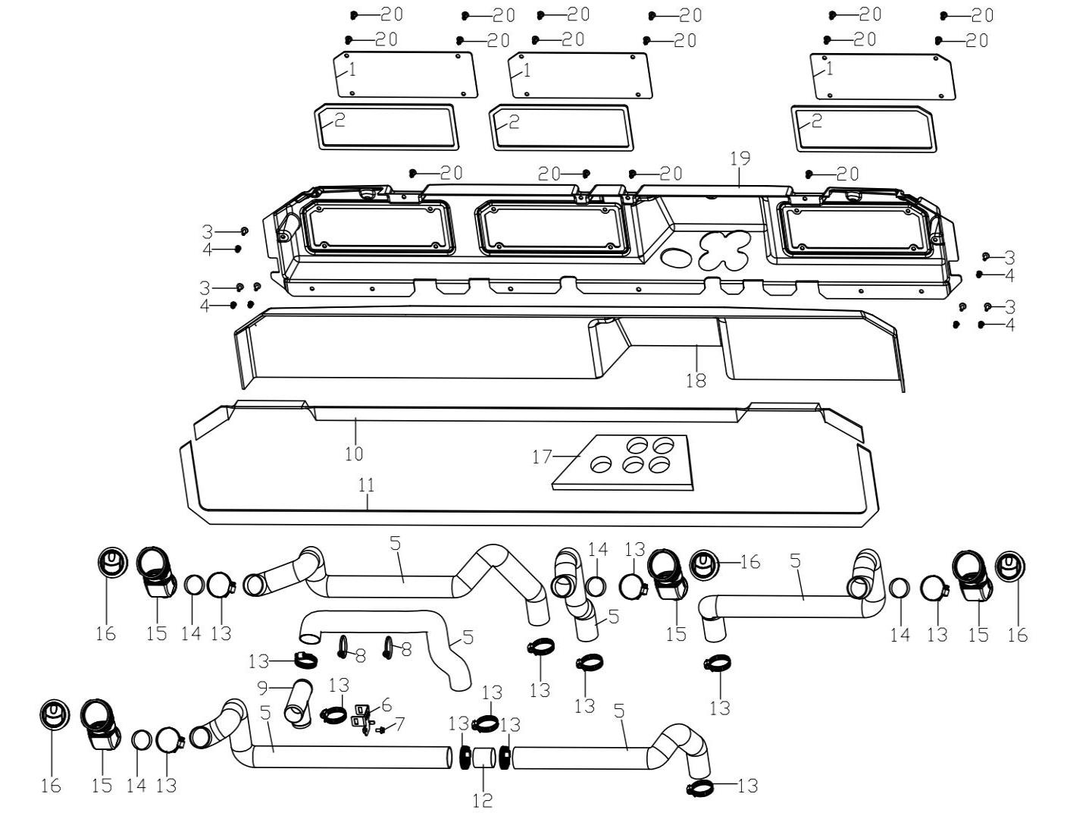
 | 1 | 17110270100 | Windshield Cover |  | 3 | Not Covered Under Warranty | 1000-13
 | 2 | 17114320230 | Foam Seal For Windshield Cover | 10×5×850 | 3 | Not Covered Under Warranty | 1000-13
 | 3 | 03414060164 | Socket Pan Head Screws | M6×16 | 6
 | 4 | 04512060127 | Rivet Nut | M6 | 14 | Not Covered Under Warranty | 800-3/800-3A/800-4/800-4A/1000-3/1000-3A/1000-4/1000-4A/1000-11/800-7/1000-7/1000-12
 | 5 | 17114310140 | Corrugated Duct |  | 6
 | 6 | 17112010190 | Air Duct Three-Way Fixing Plate |  | 1
 | 7 | 01254060126 | Hex Flange Bolt | M6×12 | 1 | Not Covered Under Warranty | 800-3/800-3A/800-4/800-4A/1000-3/1000-3A/1000-4/1000-4A/1000-11/800-7/1000-7/1000-12
 | 8 | 90103040053 | Fixed Buckle | 5×150 | 2
 | 9 | 17112010180 | Air Conditioning Duct Tee |  | 1
 | 10 | 17114320200 | Windshield Both Sides Sealing Foam |  | 1
 | 11 | 17114320190 | Windshield Lower Sealing Foam |  | 1
 | 12 | 17114310110 | Liner Tube |  | 1
 | 13 | 12304010090 | Clamp | φ40-φ60 | 13
 | 14 | 17114310050 | Air Duct Bushing |  | 4
 | 15 | 17114310060 | Air Duct Transfer Pipe |  | 4
 | 16 | 17114310070 | Adjusted Air Out Let |  | 4
 | 17 | 17114320160 | Windshield Air Outlet Sealing Foam | EPDM | 1
 | 18 | 17114320320 | Sealing Foam Inside Windshield | 250×20×1700 | 1
 | 19 | 17110270110 | Windshield |  | 1
 | 20 | 10410190000 | Push Pin |  | 16 | Not Covered Under Warranty | 800-3/800-3A/800-4/800-4A/1000-3/1000-3A/1000-4/1000-4A/1000-11/800-7/1000-7/1000-12
F09.OUTER BODY PANELS | Item # | Part Number | Description | Specification | Quantity | Warranty period | Fits Models
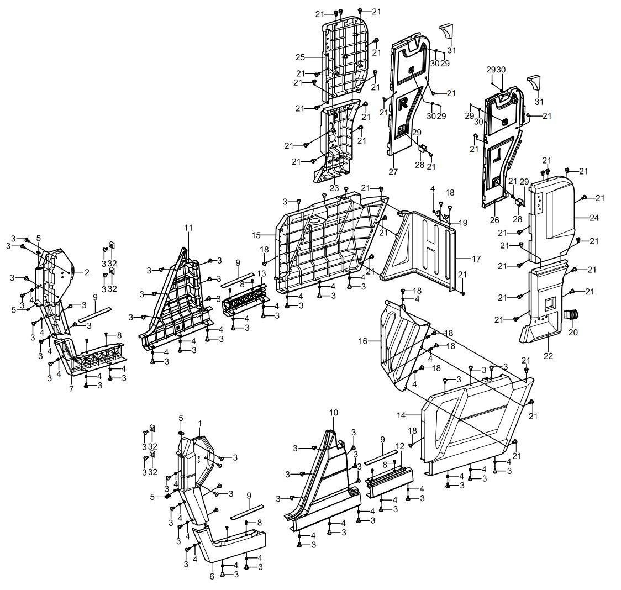
 | 1 | 17110290440 | Front Guard Plate, (Driver Side) | Yellow | 1 |  | 1000-13
 | 1 | 17110290480 | Front Guard Plate, (Driver Side) | Army green | 1
 | 1 | 17110290010 | Front Guard Plate, (Driver Side) | Black | 1
 | 2 | 17110290450 | Front Guard Plate, (Passenger Side) | Yellow | 1 |  | 1000-13
 | 2 | 17110290490 | Front Guard Plate, (Passenger Side) | Army green | 1
 | 2 | 17110290020 | Front Guard Plate, (Passenger Side) | Black | 1
 | 3 | 03414060164 | Socket Pan Head Screws | M6X16 | 54 | Not Covered Under Warranty | 800-3/800-3A/800-4/800-4A/1000-3/1000-3A/1000-4/1000-4A/1000-11/ATV800/800-7/1000-7/1000-13
 | 4 | 04512060127 | Rivet Nut | M6 | 33 | Not Covered Under Warranty | 800-3/800-3A/800-4/800-4A/1000-3/1000-3A/1000-4/1000-4A/1000-11/ATV800/800-7/1000-7/1000-13
 | 5 | 04922060025 | Plate Nut (Long) | M6 | 4 | Not Covered Under Warranty | 800-3/800-3A/800-4/800-4A/1000-3/1000-3A/1000-4/1000-4A/1000-11/ATV800/800-7/1000-7/1000-13
 | 6 | 16610290201 | Front Middle Guard Plate, (Passenger Side) | Yellow | 1 |  | 1000-13
 | 6 | 16610290361 | Front Middle Guard Plate,(Driver Side) | Green | 1
 | 6 | 16610290281 | Front Middle Guard Plate, (Driver Side) | Black | 1
 | 7 | 16610290211 | Front Middle Guard Plate,(Passenger Side) | Yellow | 1 |  | 1000-13
 | 7 | 16610290371 | Front Middle Guard Plate,(Passenger Side) | Green | 1
 | 7 | 16610290291 | Front Middle Guard Plate,(Passenger Side) | Black | 1
 | 8 | 03354060150 | Allen Pan Head Screw | M6×15 | 8 | Not Covered Under Warranty | 292377
 | 9 | 16610290191 | Welcome Pedal ,Small Size | Small | 4
 | 10 | 16610290500 | Middle Guard Plate, (Left Outer) | Yellow | 1
 | 10 | 16610290540 | Middle Guard Plate,(Left Outer) | Green | 1
 | 10 | 16610290520 | Middle Guard Plate, (Left Outer) | Black | 1
 | 11 | 16610290510 | Middle Guard Plate, (Right Outer) | Yellow | 1
 | 11 | 16610290550 | Middle Guard Plate,(Right Outer) | Green | 1
 | 11 | 16610290530 | Middle Guard Plate,(Right Outer) | Black | 1
 | 12 | 16610290561 | Rear Middle Guard Plate , (Driver Side) | Yellow | 1
 | 12 | 16610290601 | Rear Middle Guard Plate , (Driver Side) | Green | 1
 | 12 | 16610290581 | Rear Middle Guard Plate ,(Driver Side) | Black | 1
 | 13 | 16610290571 | Rear Middle Guard Plate , (Passenger Side) | Yellow | 1
 | 13 | 16610290611 | Rear Middle Guard Plate , (Passenger Side) | Green | 1
 | 13 | 16610290591 | Rear Middle Guard Plate , (Passenger Side) | Black | 1
 | 14 | 16610290220 | Back Guard Plate,(Left, Lower） | Yellow | 1 |  | 1000-13
 | 14 | 16610290380 | Rear Guard Plate, (Left Lower) | Green
 | 14 | 16610290110 | Rear Guard Plate, (Left Lower) | Black
 | 15 | 16610290230 | Rear Guard Plate,(Right Lower) | Yellow | 1 |  | 1000-13
 | 15 | 16610290390 | Rear Guard Plate, (Right Lower) | Green
 | 15 | 16610290120 | Rear Guard Plate, (Right Lower) | Black
 | 16 | 16610330030 | Rear Fender,Lh | Left | 1 |  | 1000-13
 | 17 | 16610330040 | Rear Fender,Rh | Right | 1 |  | 1000-13
 | 18 | 03414060204 | Socket Pan Head Screw | M6×20 | 9 | Not Covered Under Warranty | 800-3/800-3A/800-4/800-4A/1000-3/1000-3A/1000-4/1000-4A/1000-11/800-7/1000-7/1000-12
 | 19 | 16610330070 | Rear Mud Guard Plate Bracket(Passenger Side) | Right | 1
 | 20 | 15109190260 | Combination Switch ( 2 Couples) |  | 1
 | 21 | 10410190000 | Push Pin | M8x15M | 37 | Not Covered Under Warranty | 800-3/800-3A/800-4/800-4A/1000-3/1000-3A/1000-4/1000-4A/1000-11/800-7/1000-7/1000-12
 | 22 | 16610290130 | Rear Guard Plate(Left Middle) | Left | 1 |  | 1000-13
 | 23 | 16610290140 | Rear Guard Plate(Right Middle) | Right | 1 |  | 1000-13
 | 24 | 16610290150 | Rear Guard Plate(Left Upper) | Left | 1 |  | 1000-13
 | 25 | 16610290160 | Rear Guard Plate(Right Upper) | Right | 1 |  | 1000-13
 | 26 | 16610280180 | Left Guard Plate Inner Lining | Fender | 1
 | 27 | 16610280280 | Right Guard Plate Inner Lining | Lining | 1
 | 28 | 16610280190 | Left &Right Guard Plate Inner Lining Bracket | Bracket | 2
 | 29 | 03714630205 | Tapping Screws | ST6.3×20 | 6 | Not Covered Under Warranty | 800-3/800-3A/800-4/800-4A/1000-3/1000-3A/1000-4/1000-4A/1000-11/800-7/1000-7/1000-12
 | 30 | 06119061805 | Washer | φ6.5×φ18×1 | 4 | Not Covered Under Warranty | 800-3/800-3A/800-4/800-4A/1000-3/1000-3A/1000-4/1000-4A/1000-11/800-7/1000-7/1000-12
 | 31 | 17114100190 | Cabin Rear Upper Corner Sealing Block | Block | 2
 | 32 | 16610341050 | Door Front Seal Block | Block | 4
F10.INTERIOR PLASTIC PARTS I | Item # | Part Number | Description | Specification | Quantity | Warranty period | Fits Models
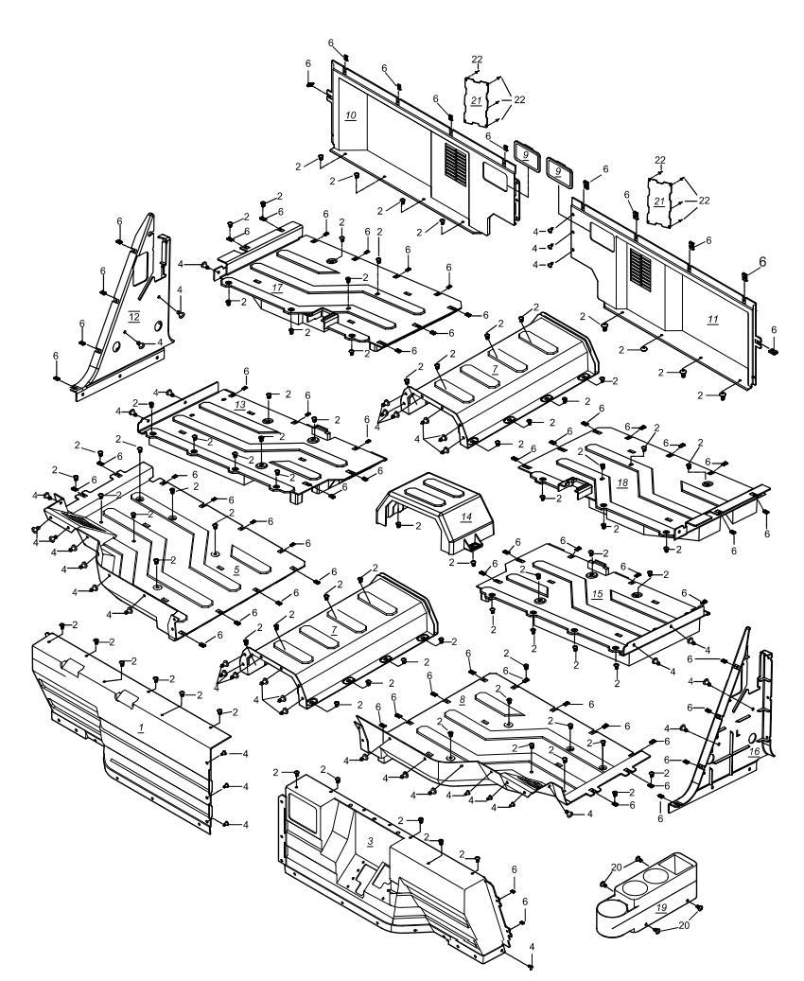
 | 1 | 16610380020 | Front Mudguard, Rh | Right | 1 | Not Covered Under Warranty | 800-7/1000-71000-13/1000-12
 | 2 | 03414060164 | Socket Pan Head Screws | M6×16 | 74 | Not Covered Under Warranty | 800-3/800-3A/800-4/800-4A/1000-3/1000-3A/1000-4/1000-4A/1000-11/800-7/1000-7/1000-12
 | 3 | 14610380010 | Front Mudguard, Lh | Left | 1 | Not Covered Under Warranty | 1000-13
 | 4 | 10410190000 | Push Pin | M8x15M | 28 | Not Covered Under Warranty | 800-3/800-3A/800-4/800-4A/1000-3/1000-3A/1000-4/1000-4A/1000-11/800-7/1000-7/1000-12
 | 5 | 14610080030 | Foot Rest, Rh |  | 1 | Not Covered Under Warranty | 800-7/1000-71000-13/1000-12
 | 6 | 04922060025 | Plate Nut (Long) | M6 | 85 | Not Covered Under Warranty | 800-3/800-3A/800-4/800-4A/1000-3/1000-3A/1000-4/1000-4A/1000-11/800-7/1000-7/1000-12
 | 7 | 14610080020 | Footrest, Middle | Middle | 1 | Not Covered Under Warranty | 800-7/1000-71000-13/1000-12
 | 8 | 14610080010 | Foot Rest, Lh |  | 1 | Not Covered Under Warranty | 800-7/1000-71000-13/1000-12
 | 9 | 16610280110 | Front Cover | Cover | 2 | Not Covered Under Warranty | 1000-13
 | 10 | 14610280020 | Front Guard, Seat, Rh |  | 1 | Not Covered Under Warranty | 800-7/1000-71000-13/1000-12
 | 11 | 14610280010 | Front Guard, Seat, Lh |  | 1 | Not Covered Under Warranty | 800-7/1000-71000-13/1000-12
 | 12 | 16610290080 | Middle Guard Plate (Right Inner) | Inner | 1 | Not Covered Under Warranty | -328383
 | 13 | 16610080090 | Foot Plate (Right Middle) | Right | 1 | Not Covered Under Warranty | -328383
 | 14 | 16610320100 | Driveshaft Cover (Middle) | Middle | 1 | Not Covered Under Warranty | -328383
 | 15 | 16610080080 | Foot Plate (Left Middle) | Left | 1 | Not Covered Under Warranty | -328383
 | 16 | 16610290070 | Middle Guard Plate (Left Inner) | Left | 1 | Not Covered Under Warranty | -328383
 | 17 | 16610080110 | Foot Plate (Rear Right) | Right | 1 | Not Covered Under Warranty | -328383
 | 18 | 16610080100 | Foot Plate (Rear Left) | Left | 1 | Not Covered Under Warranty | -328383
 | 19 | 14710350010 | Cup Holder | Holder | 1 | Not Covered Under Warranty | 800-7/1000-71000-13/1000-12
 | 20 | 03414060164 | Socket Pan Head Screw | M6×16 | 4 | Not Covered Under Warranty | 800-3/800-3A/800-4/800-4A/1000-3/1000-3A/1000-4/1000-4A/1000-11/800-7/1000-7/1000-12
 | 21 | 16510280130 | Seat Front Guard Windshield | Windshield | 2 | Not Covered Under Warranty | 1000-13/1000-12
 | 22 | 13010500163 | Rivet | φ5x16 | 8 | Not Covered Under Warranty | 800-3/800-3A/800-4/800-4A/1000-3/1000-3A/1000-4/1000-4A/1000-11/800-7/1000-7/1000-12
F11.INTERIOR PLASTIC PARTS II | Item # | Part Number | Description | Specification | Quantity | Warranty period | Fits Models
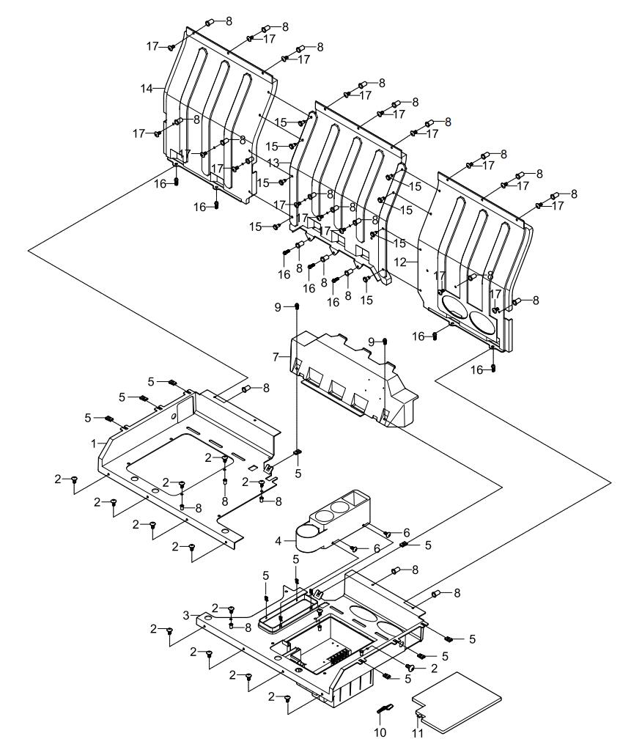
 | 1 | 14610280050 | Bottom Plate, Seat, Rh |  | 1 | Not Covered Under Warranty
 | 2 | 03414060164 | Socket Pan Head Screw | M6×16 | 16 | Not Covered Under Warranty | 800-3/800-3A/800-4/800-4A/1000-3/1000-3A/1000-4/1000-4A/1000-11/800-7/1000-7/1000-12
 | 3 | 16610280040 | Front Guard, Seat, Lh |  | 1 | Not Covered Under Warranty | 1000-13
 | 4 | 14710350010 | Cup Holder | Holder | 1 | Not Covered Under Warranty
 | 5 | 04922060025 | Plate Nut (Long) | M6 | 8 | Not Covered Under Warranty | 800-3/800-3A/800-4/800-4A/1000-3/1000-3A/1000-4/1000-4A/1000-11/ATV800/800-7/1000-7/1000-13
 | 6 | 03414060124 | Socket Pan Head Screw | M6×12 | 4 | Not Covered Under Warranty | 800-3/800-3A/800-4/800-4A/1000-3/1000-3A/1000-4/1000-4A/1000-11/800-7/1000-7/1000-12
 | 7 | 16610280060 | Rear Guard, Seat | Panel | 1 | Not Covered Under Warranty | 1000-13
 | 8 | 04512060027 | Rivet Nut | M6 | 35 | Not Covered Under Warranty | 800-3/800-3A/800-4/800-4A/1000-3/1000-3A/1000-4/1000-4A/1000-11/800-7/1000-7/1000-12
 | 9 | 01224060165 | Hex Flange Bolt | M6×16 | 2 | Not Covered Under Warranty | 800-3/800-3A/800-4/800-4A/1000-3/1000-3A/1000-4/1000-4A/1000-11/800-7/1000-7/1000-12
 | 10 | 13610630071 | Storage Box Rubber Strip | Lift | 1 | Not Covered Under Warranty
 | 11 | 14609090140 | Battery Box Cap | Battery | 1 | Not Covered Under Warranty
 | 12 | 16610120010 | Back Guard Plate,Lh | Left | 1 | Not Covered Under Warranty | 1000-13
 | 13 | 16610120020 | Back Guard Plate(Middle) | Middle | 1 | Not Covered Under Warranty | 1000-13
 | 14 | 16610120030 | Back Guard Plate,Rh | Right | 1 | Not Covered Under Warranty | 1000-13
 | 15 | 10410190000 | Push Pin | M8x15M | 8 | Not Covered Under Warranty | 800-3/800-3A/800-4/800-4A/1000-3/1000-3A/1000-4/1000-4A/1000-11/800-7/1000-7/1000-12
 | 16 | 01224060205 | Hex Flange Bolt | M6×20 | 7 | Not Covered Under Warranty | 800-3/800-3A/800-4/800-4A/1000-3/1000-3A/1000-4/1000-4A/1000-11/ATV800/800-7/1000-7/1000-13
 | 17 | 03414060204 | Socket Pan Head Screw | M6×20 | 19 | Not Covered Under Warranty | 800-3/800-3A/800-4/800-4A/1000-3/1000-3A/1000-4/1000-4A/1000-11/800-7/1000-7/1000-12
F12.INSULATION PANELS | Item # | Part Number | Description | Specification | Quantity | Warranty period | Fits Models
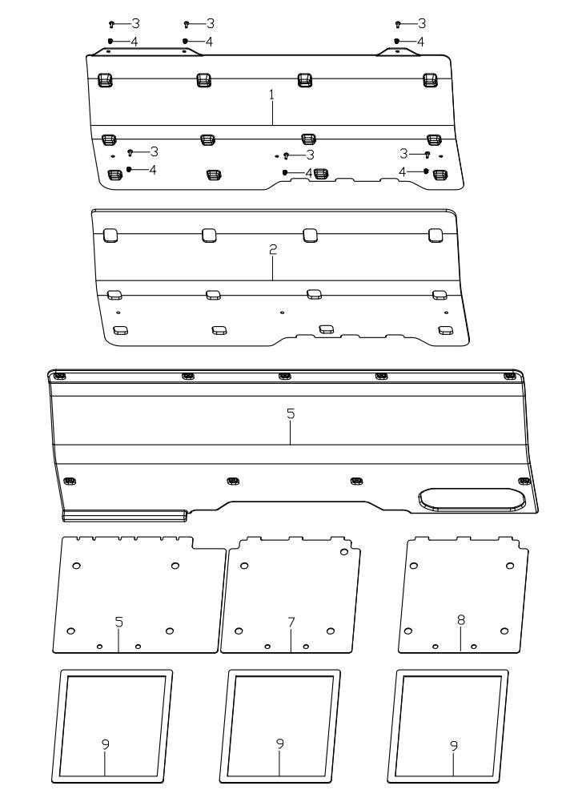
 | 1 | 16610120051 | Back Guard Plate Outer Piece | Panel | 1
 | 2 | 17114320330 | Heat Insulation Foam | Guard | 1
 | 3 | 03414060254 | Socket Pan Head Screw | M6×25 | 6
 | 4 | 04512060127 | Rivet Nut | M6 | 6
 | 5 | 16610120040 | Back Guard Plate Inner Lining | Lining | 1
 | 6 | 17110080180 | Seat Back Plate(Passenger Side) | Right | 1
 | 7 | 17110080170 | Seat Back Plate(Middle) | Middle | 1
 | 8 | 17110080160 | Seat Back Plate(Driver Side) | Left | 1
 | 9 | 17114320300 | Sealing Foam | Foam | 1
F13.FRONT CLIP | Item # | Part Number | Description | Specification | Quantity | Warranty period | Fits Models
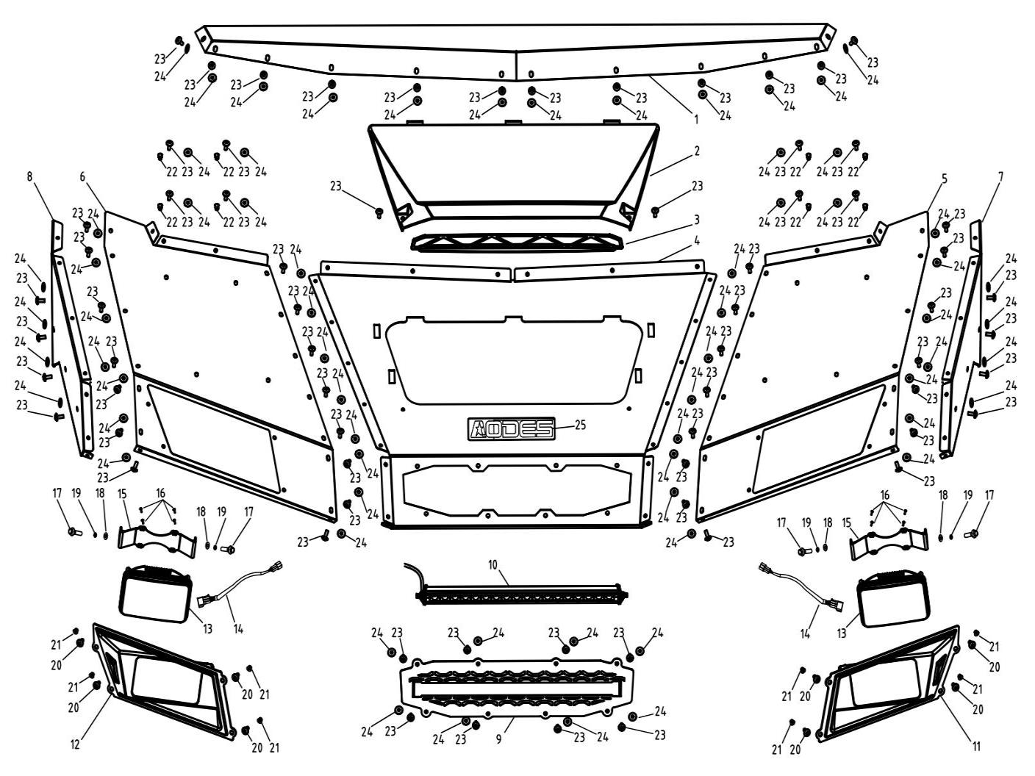
 | 1 | 17110270180 | Front Cover Adapter Plate | Yellow | 1 | Not Covered Under Warranty | 1000-13
 | 1 | 17110270300 | Front Cover Adapter Plate | Green | 1 | Not Covered Under Warranty | 1000-13
 | 1 | 17110270240 | Front Cover Adapter Plate | Black | 1 | Not Covered Under Warranty | 1000-13
 | 2 | 17110030080 | Front Cover Air Flow Hood | Shroud | 1 | Not Covered Under Warranty | 1000-13
 | 3 | 17110030090 | Filter Of Front Cover Air Flow Hood | Filter | 1 | Not Covered Under Warranty | 800-3/800-3A/800-4/800-4A/1000-3/1000-3A/1000-4/1000-4A/1000-11/ATV800/800-7
 | 4 | 17110270130 | Front Cover Middle Plate | Yellow | 1 | Not Covered Under Warranty | 800-3/800-3A/800-4/800-4A/1000-3/1000-3A/1000-4/1000-4A/1000-11/ATV800/800-7
 | 4 | 17110270250 | Front Cover Middle Plate | Green | 1 | Not Covered Under Warranty | 800-3/800-3A/800-4/800-4A/1000-3/1000-3A/1000-4/1000-4A/1000-11/ATV800/800-7
 | 4 | 17110270190 | Front Cover Middle Plate | Black | 1 | Not Covered Under Warranty | 800-3/800-3A/800-4/800-4A/1000-3/1000-3A/1000-4/1000-4A/1000-11/ATV800/800-7
 | 5 | 17110270140 | Front Cover Left Plate | Yellow | 1 | Not Covered Under Warranty | 800-3/800-3A/800-4/800-4A/1000-3/1000-3A/1000-4/1000-4A/1000-11/ATV800/800-7
 | 5 | 17110270260 | Front Cover Left Plate | Green | 1 | Not Covered Under Warranty | 800-3/800-3A/800-4/800-4A/1000-3/1000-3A/1000-4/1000-4A/1000-11/ATV800/800-7
 | 5 | 17110270200 | Front Cover Left Plate | Black | 1 | Not Covered Under Warranty | 800-3/800-3A/800-4/800-4A/1000-3/1000-3A/1000-4/1000-4A/1000-11/ATV800/800-7
 | 6 | 17110270150 | Front Cover Right Plate | Yellow | 1 | Not Covered Under Warranty | 1000-13
 | 6 | 17110270270 | Front Cover Right Plate | Green | 1 | Not Covered Under Warranty | 1000-13
 | 6 | 17110270210 | Front Cover Right Plate | Black | 1 | Not Covered Under Warranty | 1000-13
 | 7 | 17110270160 | Front Cover Left Side Plate | Yellow | 1 | Not Covered Under Warranty | 1000-13
 | 7 | 17110270280 | Front Cover Left Side Plate | Green | 1 | Not Covered Under Warranty | 1000-13
 | 7 | 17110270220 | Front Cover Left Side Plate | Black | 1 | Not Covered Under Warranty | 1000-13
 | 8 | 17110270170 | Front Cover Right Side Plate | Yellow | 1 | Not Covered Under Warranty | 1000-13
 | 8 | 17110270290 | Front Cover Right Side Plate | Green | 1 | Not Covered Under Warranty | 1000-13
 | 8 | 17110270230 | Front Cover Right Side Plate | Black | 1 | Not Covered Under Warranty | 1000-13
 | 9 | 17110030070 | Middle Grid | Grid | 1 | Not Covered Under Warranty | 1000-13
 | 10 | 17109570000 | Middle Grid Led Light | 54W | 1 | Not Covered Under Warranty | 1000-13
 | 11 | 17109060090 | Headlight Cover (Left) | Left | 1 | Not Covered Under Warranty | 1000-13
 | 12 | 17109060100 | Headlight Cover (Right) | Right | 1 | Not Covered Under Warranty | 1000-13
 | 13 | 14709060030 | Head Light |  | 2 | Not Covered Under Warranty | 1000-13
 | 14 | 17109060150 | Head Light Wire | Wire | 2 | Not Covered Under Warranty | 1000-13
 | 15 | 14709060040 | Head Light Mounting Bracket | Bracket | 2 | Not Covered Under Warranty | 1000-13
 | 16 | 03134040101 | Cross Round Head Screw | M4×10 | 8 | Not Covered Under Warranty | 1000-13
 | 17 | 01224080206 | Hexagon Flange Bolt | M8×20 | 4 | Not Covered Under Warranty | 1000-13
 | 18 | 06219092205 | Flat Washer | φ8.5×φ22×2 | 4 | Not Covered Under Warranty | 1000-13
 | 19 | 06619081405 | Spring Washer | φ8 | 4 | Not Covered Under Warranty | 1000-13
 | 20 | 03414060204 | Hexagon Socket Head Screw | M6×20 | 8 | Not Covered Under Warranty | 1000-13
 | 21 | 04612060026 | Hexagon Lock Nut | M6 | 8 | Not Covered Under Warranty | 1000-13
 | 22 | 04512060127 | Rivet Nut | M6 | 8 | Not Covered Under Warranty | 800-3/800-3A/800-4/800-4A/1000-3/1000-3A/1000-4/1000-4A/1000-11/ATV800/800-7
 | 23 | 03414060164 | Hexagon Socket Head Screw | M6×16 | 68 | Not Covered Under Warranty | 1000-13
 | 24 | 06769061814 | Paper Washer | φ6×φ18×1.2 | 66 | Not Covered Under Warranty | 1000-13
 | 25 | 10113040680 | Aodes Placard | Placard | 1
F14.ROLL BAR | Item # | Part Number | Description | Specification | Quantity | Warranty period | Fits Models
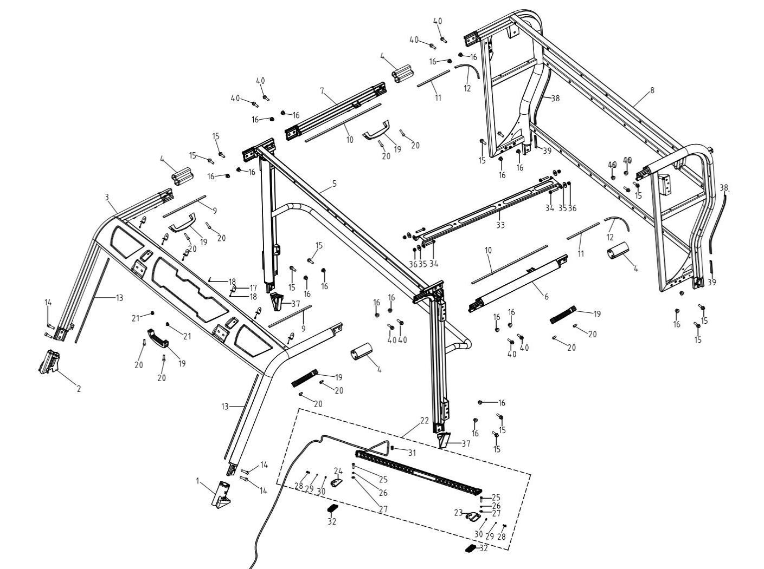
 | 1 | 16608050090 | Front Anti-Roll Bar Boot, Lh | Anti-roll bar | 1 | Not Covered Under Warranty | 1000-13
 | 2 | 16608050100 | Front Anti-Roll Bar Boot, Rh | Anti-roll bar | 1 | Not Covered Under Warranty | 1000-13
 | 3 | 16608050010 | Front Anti-Roll Bar | Combination | 1 | 12 Months (Unlimited Miles) | 1000-13
 | 4 | 16608050110 | Upper Anti-Roll Bar Boot | Holster | 4 | Not Covered Under Warranty | 1000-13
 | 5 | 16608070011 | Middle Roof Rod | Pole | 1 | 12 Months (Unlimited Miles) | 1000-13
 | 6 | 16608081010 | Roof Connecting Rod(Driver Side) | Left | 1 | 12 Months (Unlimited Miles) | 1000-13
 | 7 | 16608082010 | Roof Connecting Rod(Passenger Side) | Right | 1 | 12 Months (Unlimited Miles) | 1000-13
. | 8 | 16608060011 | Rear Anti-Roll Bar | Combination | 1 | 12 Months (Unlimited Miles) | 1000-13
 | 9 | 16614100040 | Sealing Strip | L=1000mm | 0.606 | Not Covered Under Warranty | 1000-13
 | 10 | 16614100040 | Sealing Strip | L=1000mm | 2.24 | Not Covered Under Warranty | 1000-13
 | 11 | 16614100040 | Sealing Strip | L=1000mm | 0.454 | Not Covered Under Warranty | 1000-13
 | 12 | 16614100040 | Sealing Strip | L=1000mm | 0.506 | Not Covered Under Warranty | 1000-13
 | 13 | 16614100170 | Windshield Trim Strip | 5×17 | 2
 | 14 | 03346100356 | Hexsocket Cap Screws | M10×35 | 4 |  | 800-3/800-3A/800-4/800-4A/1000-3/1000-3A/1000-4/1000-4A/1000-11/ATV800/800-7/1000-7/1000-13
 | 15 | 01256100356 | Hexagon Flange Bolt | M10×35 | 8 | Not Covered Under Warranty | 800-3/800-3A/800-4/800-4A/1000-3/1000-3A/1000-4/1000-4A/1000-11/800-7/1000-7/1000-12
 | 16 | 01256100356 | Hexagon Flange Locking Nut | M10 | 20 | Not Covered Under Warranty | 800-3/800-3A/800-4/800-4A/1000-3/1000-3A/1000-4/1000-4A/1000-11/ATV800/800-7/1000-7/1000-13
 | 17 | 16614100150 | Bracket | Bracket | 6 | Not Covered Under Warranty | 1000-13
 | 18 | 13010500163 | Rivet | φ5×16 | 7 | Not Covered Under Warranty | 800-3/800-3A/800-4/800-4A/1000-3/1000-3A/1000-4/1000-4A/1000-11/ATV800/800-7
 | 19 | 16614100050 | Hand Grip | Handle | 5 | Not Covered Under Warranty | 1000-13
 | 20 | 03344080255 | Hexagon Socket Head Cap Screws | M8×25 | 10 | Not Covered Under Warranty | 800-3/800-3A/800-4/800-4A/1000-3/1000-3A/1000-4/1000-4A/1000-11/800-7/1000-7/1000-12
 | 21 | 04512080027 | Rivet Nut | M8 | 2 | Not Covered Under Warranty | 800-3/800-3A/800-4/800-4A/1000-3/1000-3A/1000-4/1000-4A/1000-11/ATV800/800-7/1000-7/1000-13
 | 22 | 16509280070 | Led Light Bar |  | 1 |  | 1000-13
 | 23 | 15109280080 | Light Bar Bracket, Lh | Bar | 1
 | 24 | 15109280130 | Light Bar Bracket, Rh | Bar | 1
 | 25 | 03344080351 | Hexsocket Cap Screws | M8×35 | 2 |  | 800-3/800-3A/800-4/800-4A/1000-3/1000-3A/1000-4/1000-4A/1000-11/ATV800/800-7/1000-7/1000-13
 | 26 | 06619081401 | Spring Washer | φ8 | 2 |  | 800-3/800-3A/800-4/800-4A/1000-3/1000-3A/1000-4/1000-4A/1000-11/800-7/1000-7/1000-12
 | 27 | 06119091601 | Washer | φ8.5×φ16×1 | 2 |  | 800-3/800-3A/800-4/800-4A/1000-3/1000-3A/1000-4/1000-4A/1000-11/ATV800/800-7/1000-7/1000-13
 | 28 | 03344050101 | Hexsocket Cap Screws | M5×10 | 2 |  | 800-3/800-3A/800-4/800-4A/1000-3/1000-3A/1000-4/1000-4A/1000-11/800-7/1000-7/1000-12
 | 29 | 06619050805 | Spring Shim | φ5 | 2 |  | 800-3/800-3A/800-4/800-4A/1000-3/1000-3A/1000-4/1000-4A/1000-11/ATV800/800-7/1000-7/1000-13
 | 30 | 06119051801 | Washer | φ5 | 2 |  | 800-3/800-3A/800-4/800-4A/1000-3/1000-3A/1000-4/1000-4A/1000-11/800-7/1000-7/1000-12
 | 31 | 10109290040 | Led Light Bar Cable Water-Proof Mounting Block | Line | 1 | Not Covered Under Warranty | 800-3/800-3A/800-4/800-4A/1000-3/1000-3A/1000-4/1000-4A
 | 32 | 16509280090 | Light Bar Shock Pad | Pads | 2 |  | 1000-13
 | 33 | 16608081020 | Roof Inner Lining Supporting Plate | Plate | 1
 | 34 | 01214080556 | Hex Flange Bolt | M8×55 | 4
 | 35 | 06119103005 | Washer | φ10.5×φ30×2.5 | 4
 | 36 | 04612080026 | Hex Flange Locking Nut | M8 | 4
 | 37 | 17210341050 | Rear Door Sealing Block | Block | 2
 | 38 | 16614100040 | Sealing Strip | L=1000mm | 0.83 | Not Covered Under Warranty | 1000-13
 | 39 | 16614100040 | Sealing Strip | L=1000mm | 0.2 | Not Covered Under Warranty | 1000-13
 | 40 | 01824103806 | Hex Flange Stepped Bolt | M10×38×1.25（φ11-20） | 12
F15.EXHAUST SYSTEM | Item # | Part Number | Description | Specification | Quantity | Warranty period | Fits Models
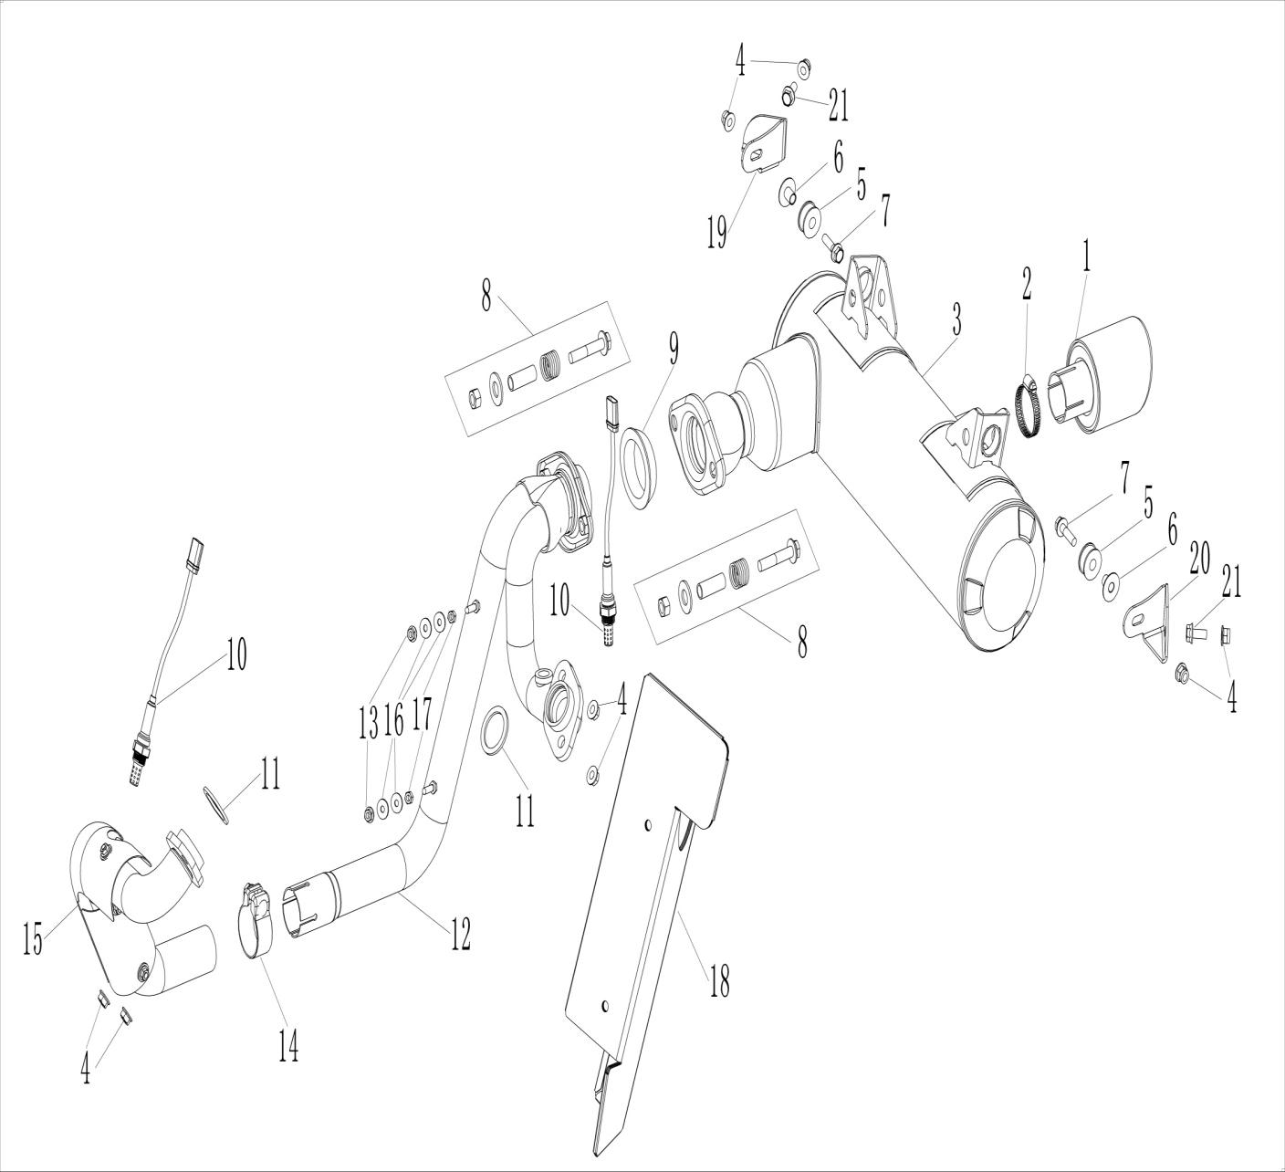
 | 1 | 14607010100 | Muffler Tail Cover | Cover | 2 | Not Covered Under Warranty
 | 2 | 14607010700 | Clamp | φ21-φ44 | 1 | Not Covered Under Warranty
 | 3 | 16607010202 | Muffler | Silencer | 1
 | 4 | 04522080026 | Hex Flange Locking Nut | M8 | 6 | Not Covered Under Warranty | 800-3/800-3A/800-4/800-4A/1000-3/1000-3A/1000-4/1000-4A/1000-11/800-7/1000-7/1000-12
 | 5 | 13607010140 | Muffler Hang Rubber Sleeve | Sleeve | 2 | Not Covered Under Warranty
 | 6 | 13607010190 | Muffler Hang Neck Bushing | Bushing | 2 | Not Covered Under Warranty
 | 7 | 01224080306 | Hex Flange Bolt | M8×30 | 2 | Not Covered Under Warranty | 800-3/800-3A/800-4/800-4A/1000-3/1000-3A/1000-4/1000-4A/1000-11/ATV800/800-7/1000-7/1000-13
 | 8 | 14107010150 | Muffler Connected Spring Bolt | M10X65 | 2 | Not Covered Under Warranty
 | 9 | 14107010530 | Graphite Seal Cartridge(Big) | Large | 1 | Not Covered Under Warranty
 | 10 | 21040400701 | O2 Sensor | Sensor | 2 | 24 Months(Unlimited Miles)
 | 11 | 21040400101 | Exhaust Gasket | Gasket | 2 | Not Covered Under Warranty
 | 12 | 16607010072 | Rear Exhaust Pipe | Rear | 1 | 12 Months (Unlimited Miles) | 1000-13
 | 13 | 04522080026 | Hex Flange Locking Nut 8 | M8 | 6 | Not Covered Under Warranty | 800-3/800-3A/800-4/800-4A/1000-3/1000-3A/1000-4/1000-4A/1000-11/ATV800/800-7/1000-7/1000-13
 | 14 | 14107010080 | Middle Clamp Of Muffler | φ46.5 | 1 | Not Covered Under Warranty | 1000-11A/1000-3A/1000-4A
 | 15 | 14707010061 | Cylinder 1 Exhaust Pipe | Front | 1 | 12 Months (Unlimited Miles)
 | 16 | 06119061805 | Washer | φ6×φ18×1 | 4
 | 17 | 04212060025 | Hexagon Nut | M6 | 2
 | 18 | 16607010290 | Rear Cylinder Exhaust Pipe Heat Insulation Plate | Shield | 1
 | 19 | 16607010750 | Muffler Adjusting Bracket(Passenger Side) | Right | 1
 | 20 | 16607010740 | Muffler Adjusting Bracket(Drive Side) | Left | 1
 | 21 | 01224080206 | Hex Flange Bolt | M8×20 | 2
F16.COOLING SYSTEM | Item # | Part Number | Description | Specification | Quantity | Warranty period | Fits Models
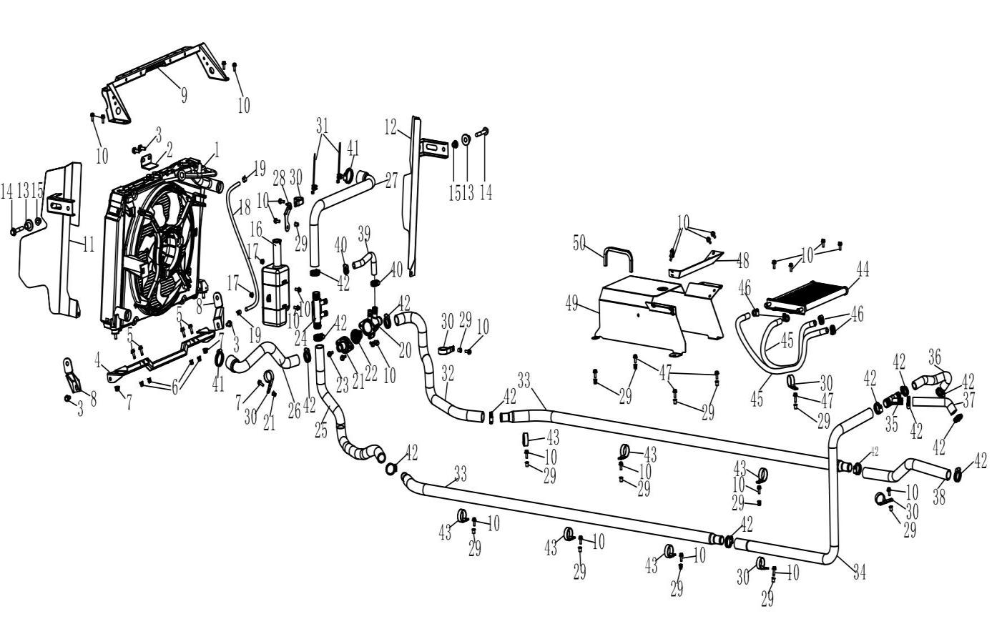
 | 1 | 21140401201 | Single Fan & Radiator Assembly | Assembly | 1
 | 2 | 17112030070 | Radiator Bracket | Plate | 1
 | 3 | 01224080166 | Hex Flange Bolt | M8×16 | 4 | Not Covered Under Warranty | 800-3/800-3A/800-4/800-4A/1000-3/1000-3A/1000-4/1000-4A/1000-11/800-7/1000-7/1000-12
 | 4 | 17112030051 | Radiator Lower Bracket Reinfocing Plate | Bracket | 1
 | 5 | 01254060206 | Hex Flange Bolt | M6×20 | 4
 | 6 | 04512060127 | Rivet Nut | M6 | 4 | Not Covered Under Warranty | 800-3/800-3A/800-4/800-4A/1000-3/1000-3A/1000-4/1000-4A/1000-11/800-7/1000-7/1000-12
 | 7 | 04612080026 | Hexagon Flange Locking Nut | M8 | 2 | Not Covered Under Warranty | 800-3/800-3A/800-4/800-4A/1000-3/1000-3A/1000-4/1000-4A/1000-11/800-7/1000-7/1000-12
 | 8 | 17112030060 | Radiator Lower Bracket Reinforcing Plate |  | 2
 | 9 | 16612030040 | Radiator Upper Bracket | Bracket | 1
 | 10 | 01254060166 | Hex Flange Bolt | M6×16 | 28 | Not Covered Under Warranty | 800-3/800-3A/800-4/800-4A/1000-3/1000-3A/1000-4/1000-4A/1000-11/ATV800/800-7/1000-7/1000-13
 | 11 | 17112020060 | Radiator Wind Collecting Plate, Driver Side | Left | 1
 | 12 | 17112020070 | Radiator Wind Collecting Plate, Passenger Side | Right | 1
 | 13 | 14610470070 | Rotating Shaft Nylon Sleeve | Sleeve | 2
 | 14 | 01256100606 | Hexagon Flange Bolt | M10×60×1.25 | 2
 | 15 | 04612100026 | Hex Flange Locking Nut 10X1.5 | M10×1.5 | 2
 | 16 | 14612040000 | Auxiliary Water Tank | Auxiliary | 1 | 6 Months (Unlimited Miles) | 800-3/800-3A/800-4/800-4A/1000-3/1000-3A/1000-4/1000-4A/1000-11/800-7
 | 17 | 04612060026 | Hexagon Flange Locking Nut 6 | M6 | 2
 | 18 | 15112050080 | Hose, Inner | ￠6.5x￠12 L=420mm | 1 | Not Covered Under Warranty | 800-3/800-3A/800-4/800-4A/1000-3/1000-3A/1000-4/1000-4A/1000-11/ATV800/800-7
 | 19 | 11904070040 | Spring Hose Clip | Clamp | 2 | Not Covered Under Warranty | 800-3A/800-4A/1000-3/1000-3A/1000-4/1000-4A/1000-11/ATV800/800-7
 | 20 | 16612090080 | Thermostat Body |  | 1
 | 21 | 16612090090 | Thermostat Cover |  | 1
 | 22 | 21140401601 | Thermostat |  | 1
 | 23 | 03414060204 | Socket Pan Head Screws | M6×20 | 2
 | 24 | 16612050190 | Four Way Connector |  | 1
 | 25 | 16612050230 | Hot Water Pipe, Middle |  | 1
 | 26 | 17112050141 | Cold Water Pipe (Before Thermostat) |  | 1
 | 27 | 17112050110 | Hot Water Pipe, Front |  | 1 |  | 1000-13
 | 28 | 17112050120 | Front Heat Water Pipe Mounting Plate | Plate | 1 | Not Covered Under Warranty | 800-3/800-3A/800-4/800-4A/1000-3/1000-3A/1000-4/1000-4A/800-7
 | 29 | 04512060027 | Rivet Nut | M6 | 10 | Not Covered Under Warranty | 800-3/800-3A/800-4/800-4A/1000-3/1000-3A/1000-4/1000-4A/1000-11/ATV800/800-7/1000-7/1000-13
 | 30 | 14712050430 | Clip 33 | φ33 | 6 | Not Covered Under Warranty | 800-3A/800-4A/1000-3A/1000-4A/800-7
 | 31 | 90103040057 | Metal Plate Zip Ties | Ties | 2
 | 32 | 17112050151 | Cold Water Pipe After Thermostat |  | 1 |  | 1000-13
 | 33 | 16612050110 | Connector Tube, Aluminum | Pipes | 2
 | 34 | 14712050040 | Hot Water Pipe, Rear | Rear | 1
 | 35 | 16612050410 | Y-Junction | Joint | 1 |  | 1000-13
 | 36 | 14712050050 | Water Outlet Pipe Cylinder 1 | Water | 1
 | 37 | 14712050060 | Water Outlet Pipe Cylinder 2 | Water | 1
 | 38 | 14712050020 | Cold Water Pipe, Rear | Rear | 1
 | 39 | 17112100070 | Small Circulating Water Pipe Hvac | Hvac | 1
 | 40 | 21040401601 | Clamp | (12-22 | 2
 | 41 | 14607010700 | Clamp | φ21-φ44 | 2
 | 42 | 17012070000 | Clamp | (￠20-32 | 14 | Not Covered Under Warranty | 800-3/800-3A/800-4/800-4A/1000-3/1000-3A/1000-4/1000-4A/1000-11/ATV800/800-7
 | 43 | 14612080000 | Clip | φ36 | 6 | Not Covered Under Warranty | 800-3A/800-4A/1000-3A/1000-4A/800-7
 | 44 | 21040400916 | Oil Cooler | 800 | 1
 | 45 | 21140401001 | Oil Cooler Tube | L=540 | 2
 | 46 | 21040409401 | Clamp | 18.5 | 4
 | 47 | 01254060206 | Hex Flange Bolt | M6×20 | 1 | Not Covered Under Warranty | 800-3/800-3A/800-4/800-4A/1000-3/1000-3A/1000-4/1000-4A/1000-11/ATV800/800-7/1000-7/1000-13
 | 48 | 17110310090 | Air Duct Divider | Divider | 1
 | 49 | 17110310080 | Air Duct Extension Plate | Plate | 1
 | 50 | 16510340140 | Windshield Scratch Prevention Strip | Strip | 0.16
F17.HVAC | Item # | Part Number | Description | Specification | Quantity | Warranty period | Fits Models
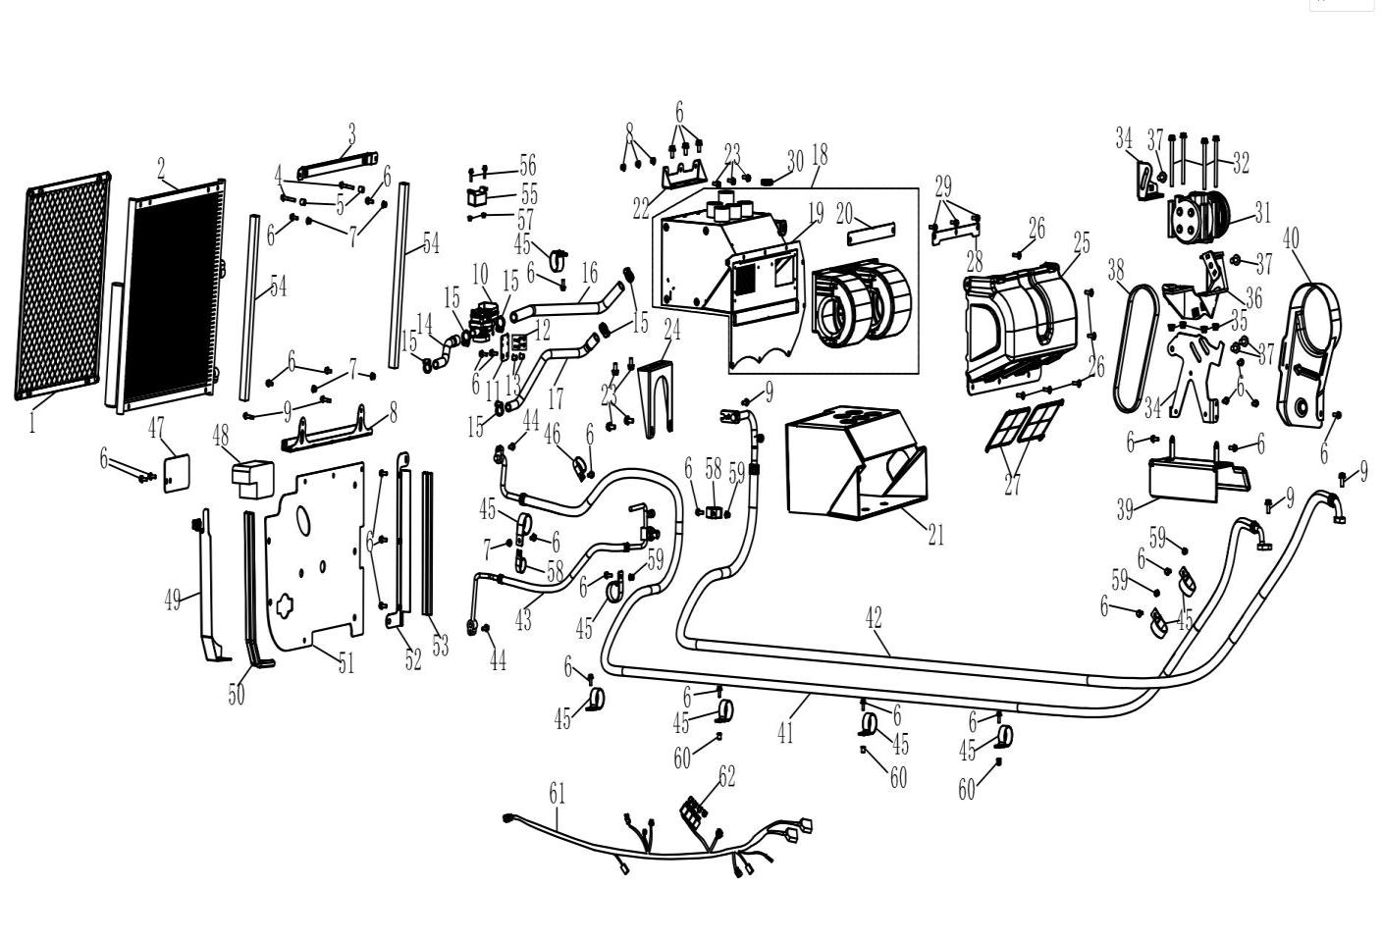
 | 1 | 16612020031 | Radiator Protection Net |  | 1
 | 2 | 16614250301 | Condenser | Condenser | 1
 | 3 | 17112090021 | Upper Condensator Bracket | Bracket | 1 |  | 1000-12A/13A
 | 4 | 01214060406 | Hex Flange Bolt 6X40 | M6×40 | 2 | Not Covered Under Warranty | 800-3/800-3A/800-4/800-4A/1000-3/1000-3A/1000-4/1000-4A/1000-11/800-7/1000-7/1000-12
 | 5 | 17112090070 | Condenser Spacer |  | 2
 | 6 | 01224060165 | Hex Flange Bolt | M6×16 | 16 | Not Covered Under Warranty | 800-3/800-3A/800-4/800-4A/1000-3/1000-3A/1000-4/1000-4A/1000-11/800-7/1000-7/1000-12
 | 7 | 04612060026 | Hex Flange Locking Nut | M6 | 2
 | 8 | 17112090041 | Lower Condensator Bracket | Bracket | 1 |  | 1000-12A/13A
 | 9 | 01254060256 | Hex Flange Bolt | M6×25 | 2 | Not Covered Under Warranty | 800-3/800-3A/800-4/800-4A/1000-3/1000-3A/1000-4/1000-4A/1000-11/800-7/1000-7/1000-12
 | 10 | 16514250500 | Electric Water Valve | Valve | 1 |  | 1000-13
 | 11 | 16514250720 | Electric Water Valve, Fixed Plate | Plate | 1 |  | 1000-13
 | 12 | 03714420125 | Tapping Screws | 4.2×12 | 4 | Not Covered Under Warranty | 800-3/800-3A/800-4/800-4A/1000-3/1000-3A/1000-4/1000-4A/1000-11/ATV800/800-7/1000-7/1000-13
 | 13 | 04512060027 | Rivet Nut | M6 | 2 | Not Covered Under Warranty | 800-3/800-3A/800-4/800-4A/1000-3/1000-3A/1000-4/1000-4A/1000-11/800-7/1000-7/1000-12
 | 14 | 16612050241 | Solenoid Valve, Water Inlet Pipe | Pipe | 1 |  | 1000-13
 | 15 | 21040401601 | Clamp | (12-22) | 2
 | 16 | 16612050252 | Heater Inlet Pipe | Pipe | 1
 | 17 | 17112100060 | Heater Outlet Pipe | Pipe | 1
 | 18 | 17114251010 | Evaporation Box Assembly |  | 1
 | 19 | 17114251060 | Evaporation Tanks |  | 1
 | 20 | 17114251070 | Plate, Evaporation Box |  | 1
 | 21 | 17114320010 | Evaporation Box Heat Insualtion Film | Film | 1
 | 22 | 17114251030 | Evaporation Tank Upper Mounting Plate | Evaporator | 1
 | 23 | 01224080166 | Hex Flange Bolt | M8×16 | 3 | Not Covered Under Warranty | 800-3/800-3A/800-4/800-4A/1000-3/1000-3A/1000-4/1000-4A/1000-11/800-7/1000-7/1000-12
 | 24 | 17114251040 | Evaporation Tank Lower Mounting Plate | Evaporator | 1
 | 25 | 17110330090 | Fan Guard |  | 1
 | 26 | 03414060204 | Socket Pan Head Screws | M6×20 | 6
 | 27 | 16614250880 | Filter Screen | Filter | 1
 | 28 | 17114251050 | Air Blower Pressing Plate |  | 1
 | 29 | 03414060124 | Socket Pan Head Screw | M6×12 | 3
 | 30 | 17110330100 | O-Ring | Ring | 1
 | 31 | 16614252010 | Compressor | Compressor | 1
 | 32 | 01214081056 | Hex Flange Bolt | M8×105 | 4 | Not Covered Under Warranty | 800-3/800-3A/800-4/800-4A/1000-3/1000-3A/1000-4/1000-4A/1000-11/ATV800/800-7/1000-7/1000-13
 | 33 | 04612080026 | Hex Flange Locking Nut | M8 | 4 | Not Covered Under Warranty | 800-3/800-3A/800-4/800-4A/1000-3/1000-3A/1000-4/1000-4A/1000-11/800-7/1000-7/1000-12
 | 34 | 16614252021 | Compressor Support Plate | Plate | 1 | Not Covered Under Warranty
 | 35 | 16614252040 | Upper Adjusted Bracket | Bracket | 1 | Not Covered Under Warranty
 | 36 | 16614252090 | Compressor Main Bracket | Bracket | 1
 | 37 | 01256100256 | Hex Flange Bolt | M10×25 | 4 | Not Covered Under Warranty | 800-3/800-3A/800-4/800-4A/1000-3/1000-3A/1000-4/1000-4A/1000-11/ATV800/800-7/1000-7/1000-13
 | 38 | 16614252052 | Compressor Belt | 5PK650 | 1 |  | 1000-13
 | 39 | 16614252081 | Belt Heat Shield | Shield | 1 | Not Covered Under Warranty
 | 40 | 16614250091 | Compressor Guard | Guard | 1 | Not Covered Under Warranty
 | 41 | 16614250411 | Cold Pressure Pipe Line | Pipeline | 1
 | 42 | 16614250421 | Steam Pressure Pipe Line | Pipeline | 1
 | 43 | 16614250431 | Condenser- Evaporator Pipe | Pipeline | 1 |  | 1000-13
 | 44 | 01254060206 | Hex Flange Bolt | M6×20 | 2 | Not Covered Under Warranty | 800-3/800-3A/800-4/800-4A/1000-3/1000-3A/1000-4/1000-4A/1000-11/ATV800/800-7/1000-7/1000-13
 | 45 | 15109380040 | Wire Harness Mounting Clamp | φ42 | 6 | Not Covered Under Warranty
 | 46 | 14712050430 | Clip | φ33 | 1 | Not Covered Under Warranty | 800-3A/800-4A/1000-3A/1000-4A/800-7
 | 47 | 16610380080 | Wire Hole Cover | Windshield | 1
 | 48 | 17114320310 | Sealing Foam For Main Outlet Instrument Panel | Panel | 1
 | 49 | 16610380070 | Curved Pipe Cover,Driver Side | L=435.5mm | 1
 | 50 | 16510340910 | Sealing Sleeve | L=4000mm | 0.19
 | 51 | 16610380061 | Wind Plate |  | 1
 | 52 | 16610380090 | Curved Pipe Cover,Passenger Side | Right | 1
 | 53 | 16510340910 | Sealing Strip | L=320mm | 1
 | 54 | 17114250310 | Condensator Dust-Proof Foam | L=420mm | 2 |  | 1000-12A/13A
 | 55 | 16614250601 | Electronic Temperature Controller | Thermostat | 1
 | 56 | 01224050205 | Hex Flange Bolt | M5×20 | 2 | Not Covered Under Warranty | 800-3/800-3A/800-4/800-4A/1000-3/1000-3A/1000-4/1000-4A/1000-11/ATV800/800-7/1000-7/1000-13
 | 57 | 04612050025 | Hexagon Lock Nut | M5 | 2 |  | 1000-13
 | 58 | 10109380030 | Wire Harness Mounting Clamp | φ30 | 1 | Not Covered Under Warranty
 | 59 | 04512060127 | Rivet Nut | M6 | 2 | Not Covered Under Warranty | 800-3/800-3A/800-4/800-4A/1000-3/1000-3A/1000-4/1000-4A/1000-11/800-7/1000-7/1000-12
 | 60 | 04512060027 | Rivet Nut | M6 | 6 | Not Covered Under Warranty | 800-3/800-3A/800-4/800-4A/1000-3/1000-3A/1000-4/1000-4A/1000-11/800-7/1000-7/1000-12
 | 61 | 16609074212 | Ac Harness | Harness | 1 |  | 1000-13
 | 62 | 10109330000 | 2Wd/4Wd Solenoid | 2WD | 4 | 12 Months (Unlimited Miles)
F18.VENTING INTAKE AND EXHAUST SYSTEMS (AIR BOX) | Item # | Part Number | Description | Specification | Quantity | Warranty period | Fits Models
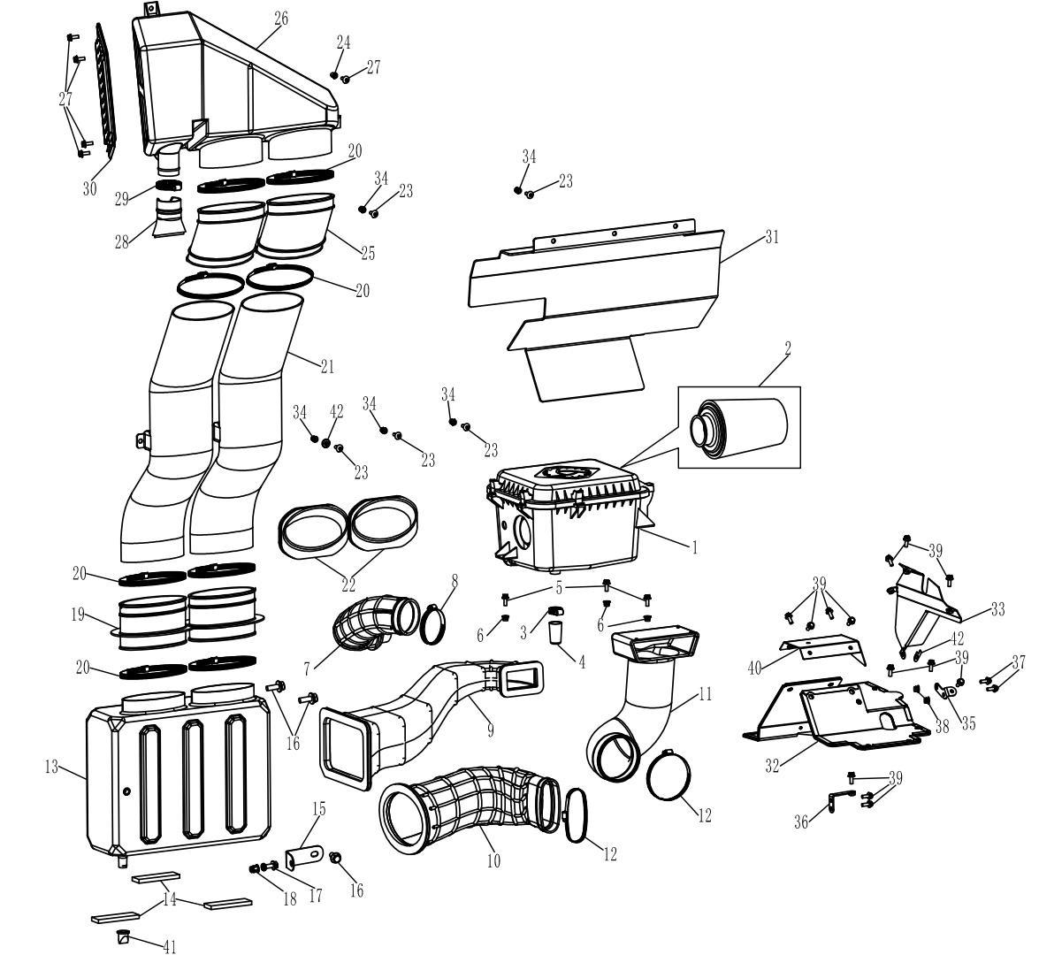
 | 1 | 21140401401 | Air Filter Body | Body | 1 | 6 Months (Unlimited Miles) | 292377
 | 2 | 21040401012 | Filter Element | Element | 1 | Not Covered Under Warranty | 292377
 | 3 | 21040401601 | Clamp | (￠12-22 | 1 | Not Covered Under Warranty | 800-3/800-3A/800-4/800-4A/1000-3/1000-3A/1000-4/1000-4A/1000-11/ATV800/800-7
 | 4 | 21040401501 | Air Filter Catch Hose | Cup | 1 | Not Covered Under Warranty | 800-3/800-3A/800-4/800-4A/1000-3/1000-3A/1000-4/1000-4A/1000-11/ATV800/800-7
 | 5 | 01254060206 | Hex Flange Bolt | M6×20 | 3 |  | 800-3/800-3A/800-4/800-4A/1000-3/1000-3A/1000-4/1000-4A/1000-11/ATV800/800-7/1000-7/1000-13
 | 6 | 04612060026 | Hexagon Flange Locking Nut | M6 | 3 |  | 800-3/800-3A/800-4/800-4A/1000-3/1000-3A/1000-4/1000-4A/1000-11/800-7/1000-7/1000-12
 | 7 | 21051300201 | Air Filter Outlet Pipe | Pipe | 1 | Not Covered Under Warranty | 800-3/800-3A/800-4/800-4A/1000-3/1000-3A/1000-4/1000-4A/1000-11/ATV800/800-7
 | 8 | 21051101201 | Clamp | 60-80 | 1
 | 9 | 21140400201 | Air Filter Inlet Pipe | Pipe | 1 | Not Covered Under Warranty | 800-3/800-3A/800-4/800-4A/1000-3/1000-3A/1000-4/1000-4A/1000-11/ATV800/800-7
 | 10 | 16607030000 | Cvt Inlet Pipe | Pipe | 1 | Not Covered Under Warranty | 1000-13
 | 11 | 16607040001 | Cvt Outlet Pipe | Pipe | 1 | Not Covered Under Warranty | 1000-13
 | 12 | 16607030030 | Clamp | φ80-φ100 | 2
 | 13 | 16607050060 | Lower Inlet Box, Connecting Sleeve | Box | 1 | Not Covered Under Warranty | 1000-13
 | 14 | 16607050140 | Cushion | Cushion | 3 | 6 Months (Unlimited Miles) | 292377
 | 15 | 16607050150 | Fixed Plate | Plate | 1 | Not Covered Under Warranty | 1000-13
 | 16 | 01256100206 | Hex Flange Bolt | M10×20×1.25 | 3 |  | 800-3/800-3A/800-4/800-4A/1000-3/1000-3A/1000-4/1000-4A/1000-11/ATV800/800-7/1000-7/1000-13
 | 17 | 01224080166 | Hex Flange Bolt | M8×16 | 1 |  | 800-3/800-3A/800-4/800-4A/1000-3/1000-3A/1000-4/1000-4A/1000-11/800-7/1000-7/1000-12
 | 18 | 04512080127 | Hexagonal Riveting Nut | M8 | 1 | Not Covered Under Warranty | 800-3/800-3A/800-4/800-4A/1000-3/1000-3A/1000-4/1000-4A/1000-11/ATV800/800-7/1000-7/1000-13
 | 19 | 16607050071 | Connecting Sleeve | Sleeve | 2 | Not Covered Under Warranty | 1000-13
 | 20 | 16607050120 | Clamp | φ110-φ130 | 8
 | 21 | 16607050010 | Inlet Connecting Pipe | Pipe | 1 | Not Covered Under Warranty | 1000-13
 | 22 | 16607050100 | Sealing Sleeve | Gland | 2 | Not Covered Under Warranty | 800-3/800-3A/800-4/800-4A/1000-3/1000-3A/1000-4/1000-4A/1000-11/800-7
 | 23 | 03414060164 | Socket Pan Head Screws | M6×16 | 5 |  | 800-3/800-3A/800-4/800-4A/1000-3/1000-3A/1000-4/1000-4A/1000-11/ATV800/800-7/1000-7/1000-13
 | 24 | 04512060027 | Rivet Nut 6 | M6 | 6 | Not Covered Under Warranty | 800-3/800-3A/800-4/800-4A/1000-3/1000-3A/1000-4/1000-4A/1000-11/800-7/1000-7/1000-12
 | 25 | 16607050030 | Upper Inlet Box, Connecting Sleeve | Sleeve | 2 | Not Covered Under Warranty | 1000-13
 | 26 | 16607050020 | Upper Inlet Box | Box | 1 | Not Covered Under Warranty | 1000-13
 | 27 | 03414060164 | Socket Pan Head Screws 6X16 | M6×16 | 5 |  | 800-3/800-3A/800-4/800-4A/1000-3/1000-3A/1000-4/1000-4A/1000-11/800-7/1000-7/1000-12
 | 28 | 16607050040 | Rubber Valve | Valve | 1 | Not Covered Under Warranty | 1000-13
 | 29 | 16607050080 | Clamp | φ35-φ51 | 1 | Not Covered Under Warranty
 | 30 | 16607050090 | Air-Inlet Grille | Grille | 1 | Not Covered Under Warranty | 800-3/800-3A/800-4/800-4A/1000-3/1000-3A/1000-4/1000-4A/1000-11/ATV800/800-7
 | 31 | 16610090011 | Middle Seat Insulation Plate | Shield | 1 | Not Covered Under Warranty | 800-3/800-3A/800-4/800-4A/1000-3/1000-3A/1000-4/1000-4A/1000-11/ATV800/800-7
 | 32 | 16608630011 | Gearbox Upper Insulation Plate | Shield | 1 | Not Covered Under Warranty | 800-3/800-3A/800-4/800-4A/1000-3/1000-3A/1000-4/1000-4A/1000-11/800-7
 | 33 | 16608630021 | Gearbox Right Insulation Plate | Shield | 1 | Not Covered Under Warranty | 292377
 | 34 | 04512060127 | Rivet Nut | M6
 | 35 | 16608630030 | Gearbox Insulation Plate Upper Bracket | Bracket | 1 | Not Covered Under Warranty | 1000-13
 | 36 | 16608630040 | Gearbox Insulation Plate Front Bracket | Bracket | 1 | Not Covered Under Warranty | 292377
 | 37 | 01254060166 | Hex Flange Bolt | M6×16 | 2 | Not Covered Under Warranty | 800-3/800-3A/800-4/800-4A/1000-3/1000-3A/1000-4/1000-4A/1000-11/800-7/1000-7/1000-12
 | 38 | 04612060026 | Hexagon Flange Locking Nut | M6 | 2 | Not Covered Under Warranty | 800-3/800-3A/800-4/800-4A/1000-3/1000-3A/1000-4/1000-4A/1000-11/800-7/1000-7/1000-12
 | 39 | 01254060166 | Hex Flange Bolt | M6×16 | 6 | Not Covered Under Warranty | 800-3/800-3A/800-4/800-4A/1000-3/1000-3A/1000-4/1000-4A/1000-11/ATV800/800-7/1000-7/1000-13
 | 40 | 16608630060 | Gear Box Left Upper Heat Insulation Plate | Shield | 1
 | 41 | 16607050160 | Duckbill Valve | Valve
 | 42 | 16608630050 | Anti-Rotation Washer | Washer
F19. ENGINE ACCY PARTS | Item # | Part Number | Description | Specification | Quantity | Warranty period | Fits Models
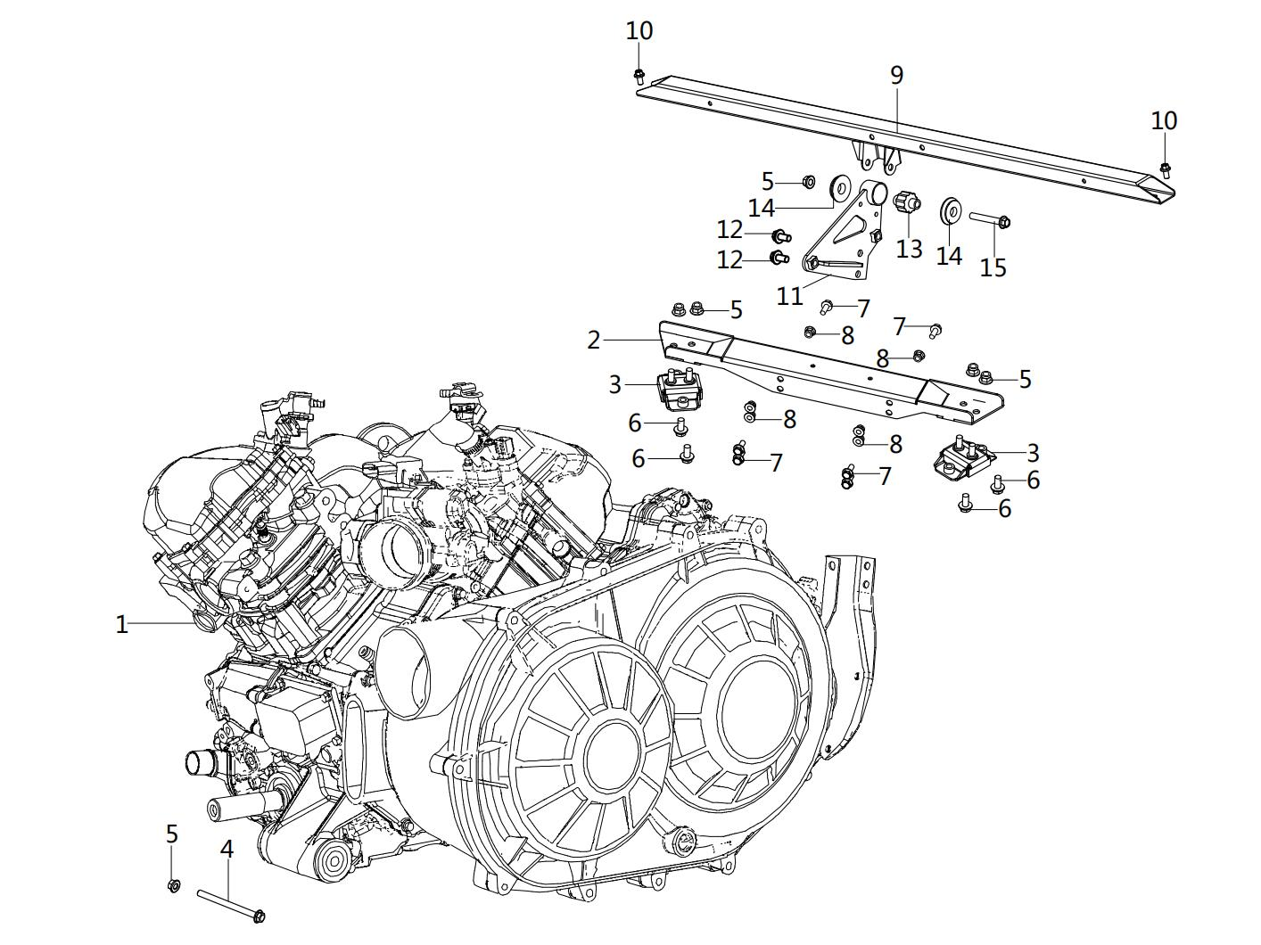
 | 1 | 41000409104 | Engine Assy | 2V91MY(1000CC) | 1 | 12 Months (Unlimited Miles) | 292377
 | 2 | 16608250010 | Rear Differential Hanger | Hanger | 1 | 12 Months (Unlimited Miles) | 292377
 | 3 | 16608250020 | Shock Absorbing Seat | Mount | 2 | Not Covered Under Warranty | 800-3/800-3A/800-4/800-4A/1000-3/1000-3A/1000-4/1000-4A/1000-11/ATV800/800-7
 | 4 | 01256101306 | Hex Flange Bolt | M10×130×1.25 | 1 | Not Covered Under Warranty | 800-3/800-3A/800-4/800-4A/1000-3/1000-3A/1000-4/1000-4A/1000-11/800-7/1000-7/1000-12
 | 5 | 04622100026 | Hexagon Flange Locking Nut | M10×1.25 | 6 | 12 Months (Unlimited Miles) | 800-3/800-3A/800-4/800-4A/1000-3/1000-3A/1000-4/1000-4A/1000-11/ATV800/800-7/1000-7/1000-13
 | 6 | 01256100206 | Hex Flange Bolt | M10×20×1.25 | 4 | 12 Months (Unlimited Miles) | 800-3/800-3A/800-4/800-4A/1000-3/1000-3A/1000-4/1000-4A/1000-11/800-7/1000-7/1000-12
 | 7 | 01224080206 | Hex Flange Bolt | M8×20 | 6 | 12 Months (Unlimited Miles) | 800-3/800-3A/800-4/800-4A/1000-3/1000-3A/1000-4/1000-4A/1000-11/ATV800/800-7/1000-7/1000-13
 | 8 | 04612080026 | Hex Flange Locking Nut | M8 | 6 | 12 Months (Unlimited Miles) | 800-3/800-3A/800-4/800-4A/1000-3/1000-3A/1000-4/1000-4A/1000-11/800-7/1000-7/1000-12
 | 9 | 16608260000 | Engine Upper Hanger | Hanger | 1
 | 10 | 01224080166 | Hex Flange Bolt | M8×16 | 2 | Not Covered Under Warranty | 800-3/800-3A/800-4/800-4A/1000-3/1000-3A/1000-4/1000-4A/1000-11/ATV800/800-7/1000-7/1000-13
 | 11 | 16614252071 | Compressor Main Fixing Plate | Plate | 1
 | 12 | 01225100206 | Hex Flange Bolt 10X20X1.5 | M10x20x1.5 | 2 | Not Covered Under Warranty | 800-7/800-3C/800-4C/ATV800/1000-11A/1000-3A/1000-4A/800-3A(19)/800-4A
 | 13 | 21040401801 | Exhaust Shock Absorbers | Absorber | 1 | Not Covered Under Warranty | 800-7/800-3C/800-4C/ATV800/1000-11A/1000-3A/1000-4A/800-3A/800-4A
 | 14 | 10402070000 | Engine Rubber | Pad | 2 | Not Covered Under Warranty | 800-7/800-3C/800-4C/ATV800/1000-11A/1000-3A/1000-4A/800-3A/800-4A
 | 15 | 01256100706 | Hex Flange Bolt 10X70X1.25 | M10x70x1.25 | 1 | Not Covered Under Warranty | 800-7/800-3C/800-4C/ATV800/1000-11A/1000-3A/1000-4A/800-3A(19)/800-4A
F20.FRAME & ACCESSORIES | Item # | Part Number | Description | Specification | Quantity | Warranty period | Fits Models
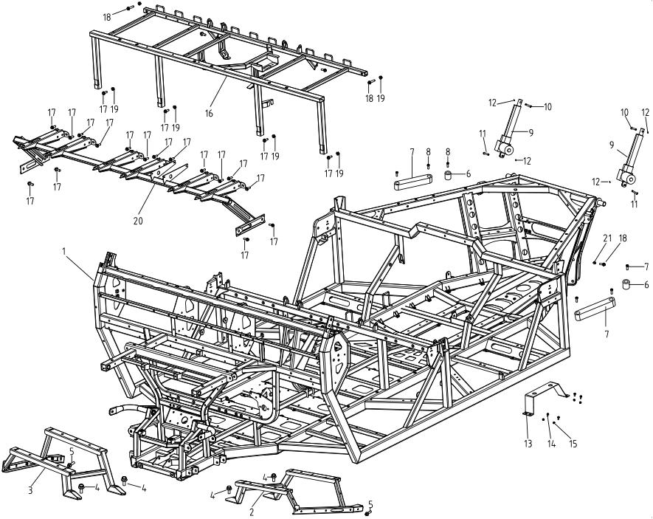
 | 1 | 16608010001 | Frame Bed Light | Light | 1 | 12 Months (Unlimited Miles) | 1000-13
 | 2 | 17108110020 | Front Cover Bottom Frame (Left) | Left | 1
 | 3 | 17108110030 | Front Cover Bottom Frame (Right) | Right | 1
 | 4 | 01224080166 | Hexagon Flange Bolt | M8×16 | 4 | Not Covered Under Warranty | 800-3/800-3A/800-4/800-4A/1000-3/1000-3A/1000-4/1000-4A/1000-11/ATV800/800-7/1000-7/1000-13
 | 5 | 01254060206 | Hexagon Flange Bolt | M6×20 | 2 | Not Covered Under Warranty | 800-3/800-3A/800-4/800-4A/1000-3/1000-3A/1000-4/1000-4A/1000-11/ATV800/800-7/1000-7/1000-13
 | 6 | 14610470080 | Rubber Support | Support | 2 | 12 Months (Unlimited Miles) | 800-7/1000-13
 | 7 | 14610470030 | Cargo Bed Support | Block | 2 | 12 Months (Unlimited Miles) | 800-7/1000-13
 | 8 | 01824080125 | Allen Step Bolt | M8×12 | 6 | Not Covered Under Warranty | 800-3/800-3A/800-4/800-4A/1000-3/1000-3A/1000-4/1000-4A/1000-11/ATV800/800-7/1000-7/1000-13
 | 9 | 14608410002 | Dump Bed Electric Lift | IP67 | 2 | 6 Months (Unlimited Miles) | 800-7/1000-13
 | 10 | 10908410010 | Upper Pin, Electric Lift, Up | Pin | 2 | Not Covered Under Warranty | 800-3/800-3A/800-4/800-4A/1000-3/1000-3A/1000-4/1000-4A/800-7
 | 11 | 10908410020 | Lower Pin, Electric Lift, Down | Pin | 2 | Not Covered Under Warranty | 800-3/800-3A/800-4/800-4A/1000-3/1000-3A/1000-4/1000-4A/800-7
 | 12 | 05011250255 | Cotter Pin | φ2.5×25 | 4 | Not Covered Under Warranty | 800-3/800-3A/800-4/800-4A/1000-3/1000-3A/1000-4/1000-4A/1000-11/ATV800/800-7/1000-7/1000-13
 | 13 | 14609090150 | Battery Box Bracket | Plate | 1 | 12 Months (Unlimited Miles) | 800-7/1000-13
 | 14 | 01254060166 | Hexagon Flange Bolt | M6×16 | 4 | Not Covered Under Warranty | 800-3/800-3A/800-4/800-4A/1000-3/1000-3A/1000-4/1000-4A/1000-11/ATV800/800-7/1000-7/1000-13
 | 15 | 04612060026 | Hexagon Flange Locking Nut | M6 | 6 | Not Covered Under Warranty | 800-3/800-3A/800-4/800-4A/1000-3/1000-3A/1000-4/1000-4A/1000-11/800-7/1000-7/1000-12
 | 16 | 16508010300 | Seat Bracket | Combination | 1 | 12 Months (Unlimited Miles) | 1000-13
 | 17 | 01224080206 | Hexagon Flange Bolt | M8×20 | 22 | Not Covered Under Warranty | 800-3/800-3A/800-4/800-4A/1000-3/1000-3A/1000-4/1000-4A/1000-11/800-7/1000-7/1000-12
 | 18 | 01214080406 | Hexagon Flange Bolt | M8×40 | 2 | Not Covered Under Warranty | 800-3/800-3A/800-4/800-4A/1000-3/1000-3A/1000-4/1000-4A/1000-11/800-7/1000-7/1000-12
 | 19 | 04612080026 | Hexagon Flange Locking Nut | M8 | 6 | Not Covered Under Warranty | 800-3/800-3A/800-4/800-4A/1000-3/1000-3A/1000-4/1000-4A/1000-11/ATV800/800-7/1000-7/1000-13
 | 20 | 16608010200 | Seat Bracket | Combination | 1 | 12 Months (Unlimited Miles) | 1000-13
 | 21 | 04212080026 | Hexagon Nut | M8 | 1 | Not Covered Under Warranty | 800-3/800-3A/800-4/800-4A/1000-3/1000-3A/1000-4/1000-4A/1000-11/ATV800/800-7/1000-7/1000-13
F21.SIDE BOX CARGO PANELS | Item # | Part Number | Description | Specification | Quantity | Warranty period | Fits Models
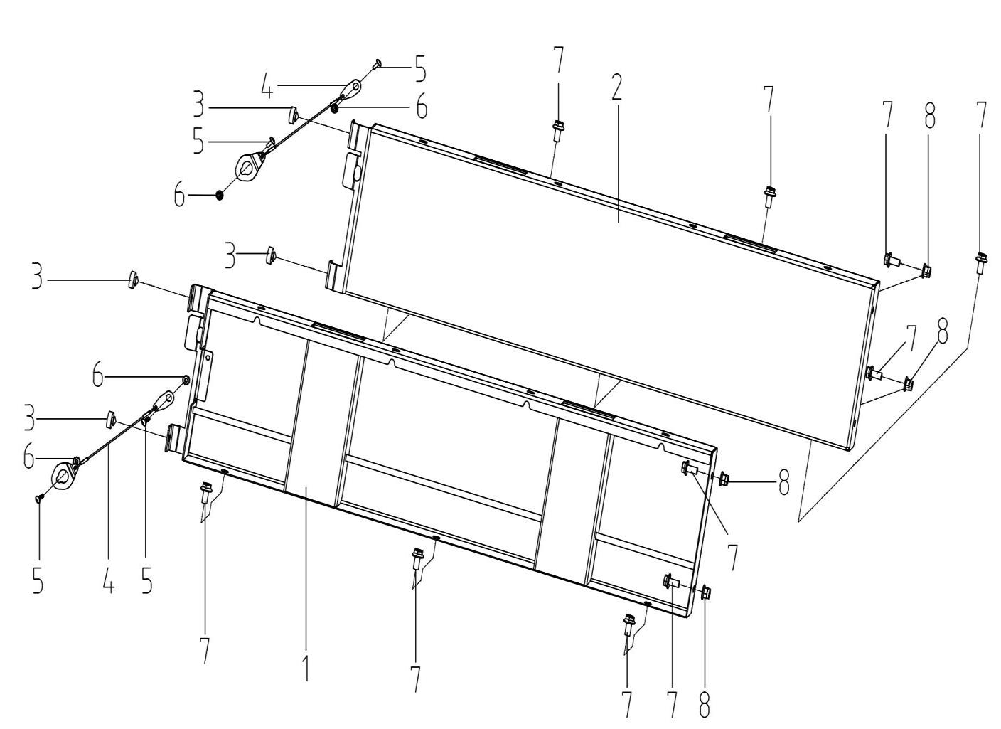
 | 1 | 14710150210 | Right Plate, Cargo Bed | Yellow | 1 | Not Covered Under Warranty | 292377
 | 1 | 14710151490 | Dump Bed Plate, Rh | Green
 | 1 | 14710150230 | Right Plate, Cargo Bed | Black
 | 2 | 14710150200 | Left Plate, Cargo Bed | Yellow | 1 | Not Covered Under Warranty | 292377
 | 2 | 14710151480 | Dump Bed Plate, Lh | Green
 | 2 | 14710150220 | Left Plate, Cargo Bed | Black
 | 3 | 10710150170 | Rubber Support, Cargo Bed | Seat | 4 | Not Covered Under Warranty | 800-3/800-3A/800-4/800-4A/1000-3/1000-3A/1000-4/1000-4A/800-7
 | 4 | 14610150152 | Wire, Rear Door | Rope | 2 | Not Covered Under Warranty | 292377
 | 5 | 03464060204 | Inner Hexagon Type Step Screw | M6×20 | 4 | Not Covered Under Warranty | 800-3/800-3A/800-4/800-4A/1000-3/1000-3A/1000-4/1000-4A/1000-11/800-7
 | 6 | 04612060025 | Hexagon Flange Locking Nut | M6 | 4 | Not Covered Under Warranty | 800-3/800-3A/800-4/800-4A/1000-3/1000-3A/1000-4/1000-4A/1000-11/ATV800/800-7
 | 7 | 01264100205 | Hex Flange Bolt | M10×20×1.25 | 10 | Not Covered Under Warranty | 292377
 | 8 | 04622100025 | Hexagon Flange Locking Nut | M10 | 4 | Not Covered Under Warranty | 292377
F22.FRONT BOXPLATE AND REAR CARGO BED GATE | Item # | Part Number | Description | Specification | Quantity | Warranty period | Fits Models
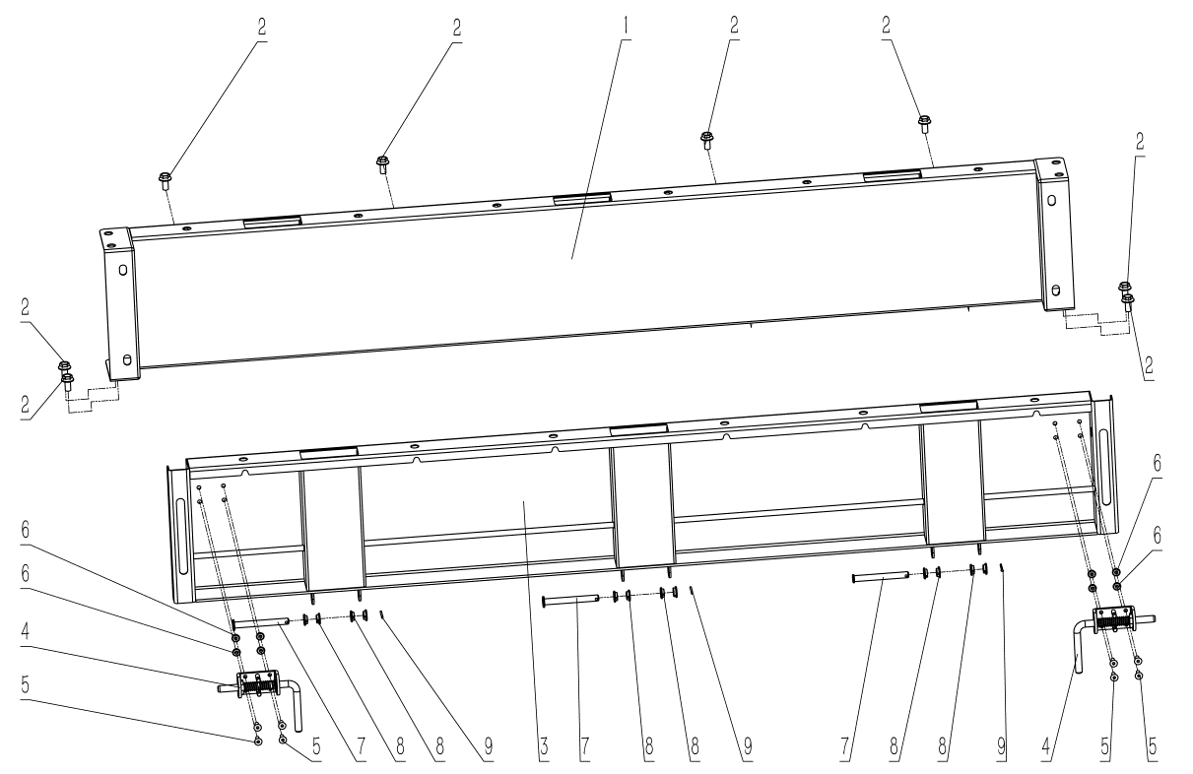
 | 1 | 14710150330 | Front Plate, Cargo Bed | Yellow | 1 | Not Covered Under Warranty | 292377
 | 1 | 14710151510 | Dump Bed Plate, Front | Army | 1
 | 1 | 14710150350 | Front Plate, Cargo Bed | Black | 1
 | 2 | 01264100205 | Hex Flange Bolt | M10×20×1.25 | 8 | Not Covered Under Warranty | 292377
 | 3 | 14710150340 | Rear Door, Cargo Bed | Yellow | 1 | Not Covered Under Warranty | 292377
 | 3 | 14710151500 | Dump Bed Door Plate | Army | 1
 | 3 | 14710150360 | Rear Door, Cargo Bed | Black | 1
 | 4 | 14610150220 | Latch, Rear Door | Latch | 2 | Not Covered Under Warranty | 292377
 | 5 | 03354060150 | Allen Pan Head Screw | M6×15 | 8 | Not Covered Under Warranty | 292377
 | 6 | 04612060025 | Hexagon Flange Locking Nut | M6 | 8 | Not Covered Under Warranty | 800-3/800-3A/800-4/800-4A/1000-3/1000-3A/1000-4/1000-4A/1000-11/ATV800/800-7
 | 7 | 14610150370 | Hinge Pin, Bed Plate | Pin | 3 | Not Covered Under Warranty | 292377
 | 8 | 14610150120 | Nylon Bushing, Hinge Pin | Sleeve | 12 | Not Covered Under Warranty | 292377
 | 9 | 05011320255 | Cotter Pin | φ3.2x25 | 3 | Not Covered Under Warranty | 800-3/800-3A/800-4/800-4A/1000-3/1000-3A/1000-4/1000-4A/1000-11/800-7
F23.BOTTOM OF CARGO BED | Item # | Part Number | Description | Specification | Quantity | Warranty period | Fits Models
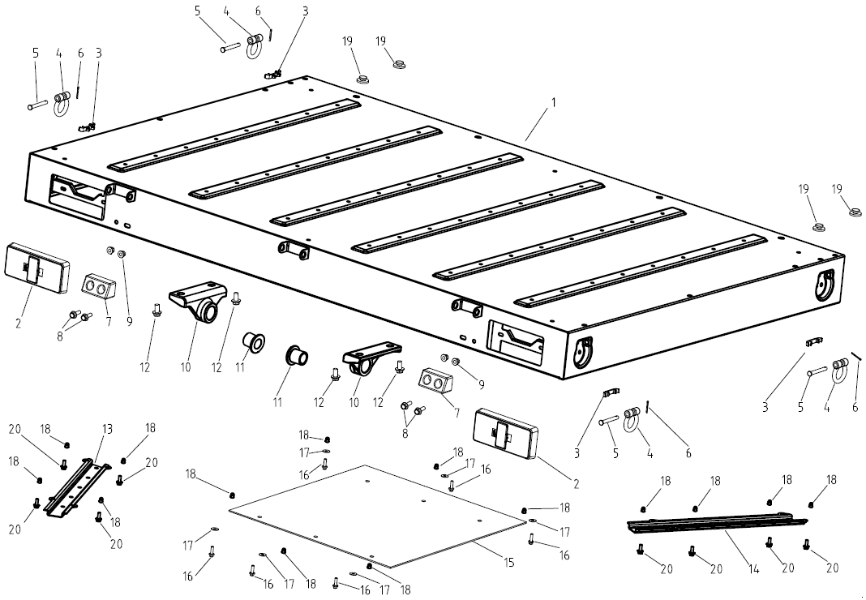
 | 1 | 17110150300 | Bed Plate | Yellow | 1 | Not Covered Under Warranty | -328536
 | 1 | 17110151470 | Dump Bed Bottom Plate | Army | 1
 | 1 | 17110150290 | Dump Bed Bottom Plate | Black | 1
 | 2 | 14609070120 | Tail Light | Ltl | 2 | Not Covered Under Warranty | 800-7/1000-7
 | 3 | 14610470090 | Hook Ring Seat | Yellow | 4 | Not Covered Under Warranty | 800-7/1000-7
 | 3 | 14710470090 | Hook Ring Seat | Black | 4 | Not Covered Under Warranty | 800-7/1000-7
 | 4 | 14610470130 | Hook Ring | Yellow | 4 | Not Covered Under Warranty | -328536
 | 4 | 14710470140 | Hook Ring, Army Green | Green | 4
 | 4 | 14710470130 | Hook Ring | Black | 4
 | 5 | 14610470110 | Hook Hinge | Pin | 4 | Not Covered Under Warranty | 800-7/1000-7
 | 6 | 05011250255 | Cotter Pin | φ2.5×25 | 4 | Not Covered Under Warranty | 800-3/800-3A/800-4/800-4A/1000-3/1000-3A/1000-4/1000-4A/1000-11/ATV800/800-7/1000-7
 | 7 | 14610151110 | Limit Plate, Bed Plate |  | 2 | Not Covered Under Warranty | 800-7/1000-7
 | 8 | 01214080255 | Hex Flange Bolt | M8×25 | 4 | Not Covered Under Warranty | 800-3/800-3A/800-4/800-4A/1000-3/1000-3A/1000-4/1000-4A/1000-11/ATV800/800-7/1000-7
 | 9 | 04612080025 | Hexagon Flange Locking Nut | M8 | 4 | Not Covered Under Warranty | 800-3/800-3A/800-4/800-4A/1000-3/1000-3A/1000-4/1000-4A/1000-11/ATV800/800-7/1000-7
 | 10 | 16610151120 | Dump Bed Hinge | Hinge | 2
 | 11 | 16610151130 | Dump Bed Hinge Bushing | Bushing | 2
 | 12 | 01256100306 | Hexagon Flange Bolt | M10×30×1.25 | 4
 | 13 | 17110151520 | Dump Bed Elastic Support Plate (Left) | Left | 1
 | 14 | 17110151530 | Dump Bed Elastic Support Plate (Right) | Right | 1
 | 15 | 14610150380 | Heat Insulation, Dump Bed | Box | 1 | Not Covered Under Warranty | 800-7/1000-7
 | 16 | 01224060205 | Hex Flange Bolt | M6×20 | 6 | Not Covered Under Warranty | 800-3/800-3A/800-4/800-4A/1000-3/1000-3A/1000-4/1000-4A/1000-11/ATV800/800-7/1000-7
 | 17 | 06119061805 | Washer | φ6×φ18×1 | 6 | Not Covered Under Warranty | 800-3/800-3A/800-4/800-4A/1000-3/1000-3A/1000-4/1000-4A/1000-11/ATV800/800-7/1000-7
 | 18 | 04512060027 | Rivet Nut | M6 | 14 | Not Covered Under Warranty | 800-3/800-3A/800-4/800-4A/1000-3/1000-3A/1000-4/1000-4A/1000-11/ATV800/800-7/1000-7
 | 19 | 10114090120 | Seat Bottom Rubber Rubber, Outside | Outer | 4 | Not Covered Under Warranty | 800-3/800-3A/800-4/800-4A/1000-3/1000-3A/1000-4/1000-4A/800-7/1000-7
 | 20 | 01224060205 | Hex Flange Bolt | M6×20 | 8
F24.CARGO BED JUMP SEATS | Item # | Part Number | Description | Specification | Quantity | Warranty period | Fits Models
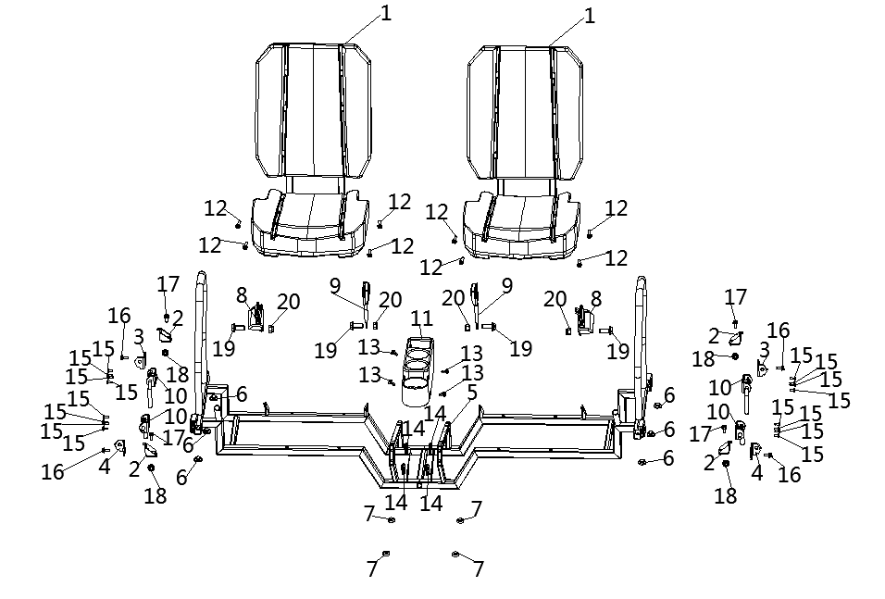
 | 1 | 14714090010 | Seat | Black | 2
 | 1 | 14614090010 | Seat | Yellow | 2
 | 2 | 14710530060 | Seat Bracket Fixed Plate | Plate | 4
 | 3 | 14710530070 | Seat Bracket Adjudting Plate, Lh | Left | 2
 | 4 | 14710530080 | Seat Bracket Adjudting Plate, Rh | Right | 2
 | 5 | 14710530090 | Seat Bracket | Black | 1
 | 5 | 14610530090 | Seat Bracket | Yellow | 1
 | 6 | 10114090120 | Seat Bottom Rubber Rubber, Outside | Outer | 6
 | 7 | 10710150170 | Rubber Support, Cargo Bed | Seat | 4
 | 8 | 16611090090 | Safety Belt | Black | 2
 | 8 | 14611090090 | Safety Belt | Yellow | 2
 | 9 | 16611090030 | Seat Belt Mounting Buckle | Black | 2
 | 9 | 14611090030 | Seat Belt Mounting Buckle | Yellow | 2
 | 10 | 14710150310 | Cargo Bed Handle | Handle | 4
 | 11 | 14710350010 | Cup Base | Holder | 1
 | 12 | 01214080506 | Hex Flange Bolt | M8×50 | 8
 | 13 | 03414060124 | Socket Pan Head Screw | M6×12 | 4
 | 14 | 04922060025 | Plate Nut (Long) | M6 | 4
 | 15 | 03354060150 | Hex Socket Head Screw | M6×15 | 16
 | 16 | 01224080166 | Hex Flange Bolt | M8×16 | 4
 | 17 | 01256120306 | Hex Flange Bolt | M12×30 | 4
 | 18 | 04622120026 | Hexagon Flange Locking Nut | M12×1.25 | 4
 | 19 | 01244110302 | Hex Flange Bolt | M11x30 | 4 | Not Covered Under Warranty
 | 20 | 04212110021 | Hex Flange Locking Nut | M11 | 4 | Not Covered Under Warranty
F25.SKID PLATES | Item # | Part Number | Description | Specification | Quantity | Warranty period | Fits Models
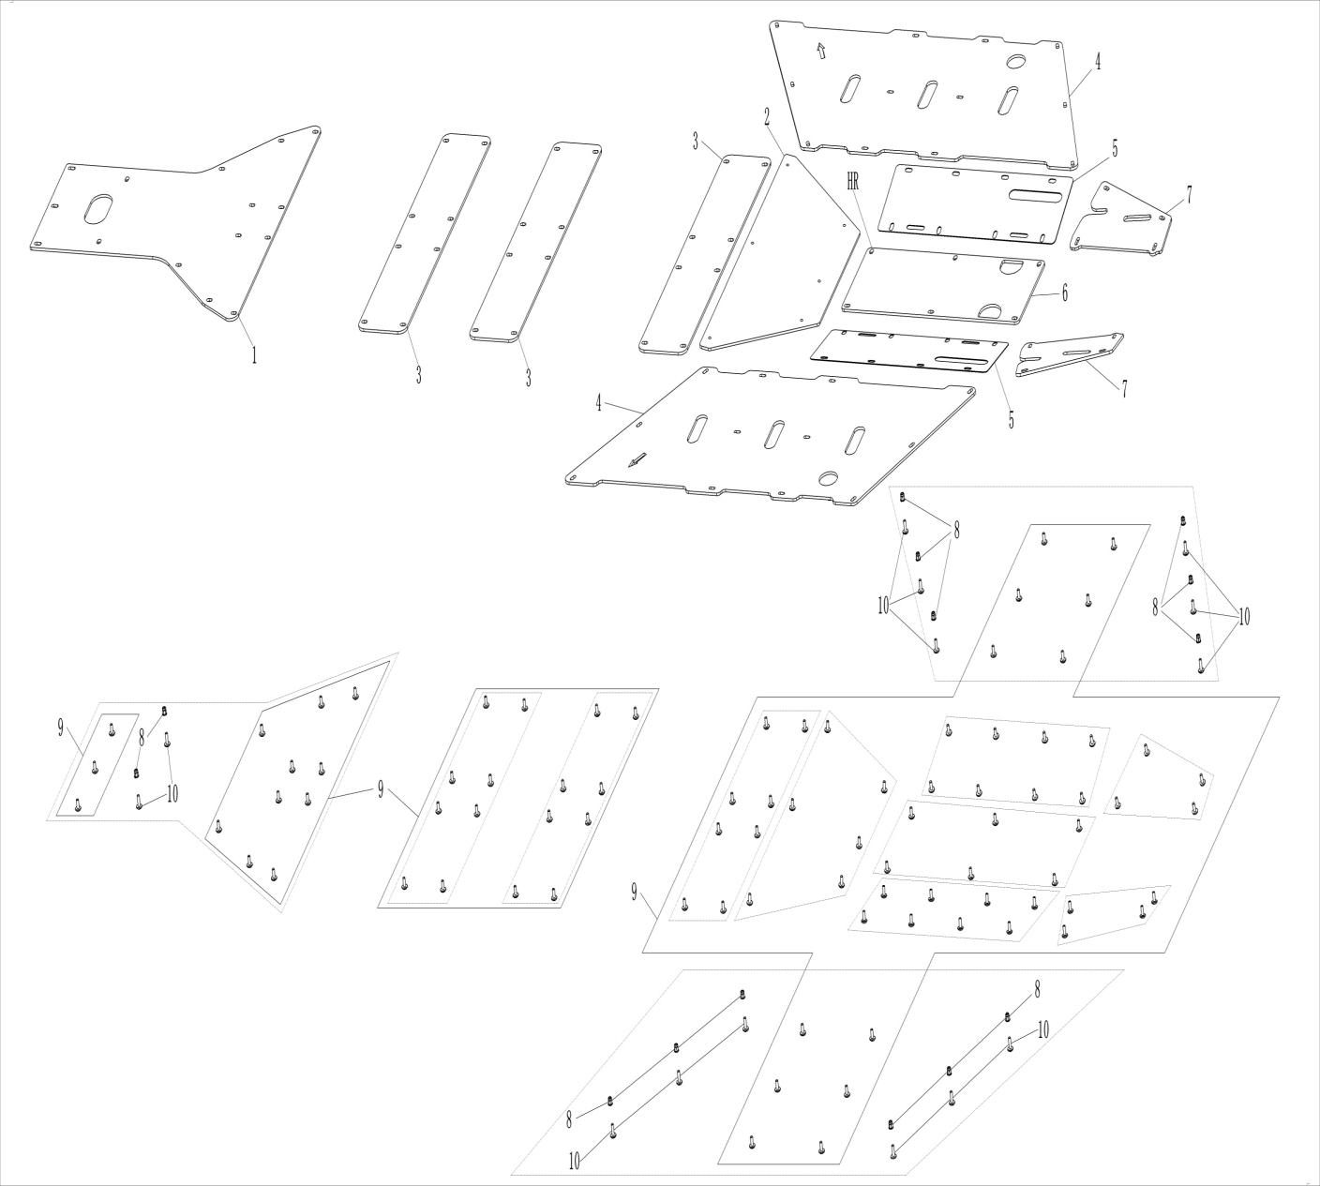
 | 1 | 17108010060 | Bottom Plate, Front | Guard | 1 | 6 Months (Unlimited Miles) | 292377
 | 2 | 17108010190 | Bottom Plate, Middle Front | Guard | 1 | 6 Months (Unlimited Miles) | 292377
 | 3 | 17108010040 | Bottom Plate, Middle | Guard | 3 | 6 Months (Unlimited Miles) | 292377
 | 4 | 16608010130 | Bottom Plate,Mid-Side | Bottom plate | 2 |  | 1000-13
 | 5 | 17108010110 | Bottom Plate,Rear | Guard | 2 |  | 1000-13
 | 6 | 17108010120 | Bottom Plate, Middle Rear | Guard | 1 |  | 1000-13
 | 7 | 16608010140 | Bottom Plate,Bottom | Guard | 2 |  | 1000-13
 | 8 | 04512060127 | Rivet Nut | M6 | 14 | Not Covered Under Warranty | 800-3/800-3A/800-4/800-4A/1000-3/1000-3A/1000-4/1000-4A/1000-11/800-7/1000-7/1000-12
 | 9 | 03414060164 | Socket Pan Head Screws | M6×16 | 93 | Not Covered Under Warranty | 800-3/800-3A/800-4/800-4A/1000-3/1000-3A/1000-4/1000-4A/1000-11/ATV800/800-7/1000-7/1000-13
 | 10 | 03414060204 | Socket Pan Head Screws | M6×20 | 14
F26.BRAKING SYSTEM | Item # | Part Number | Description | Specification | Quantity | Warranty period | Fits Models
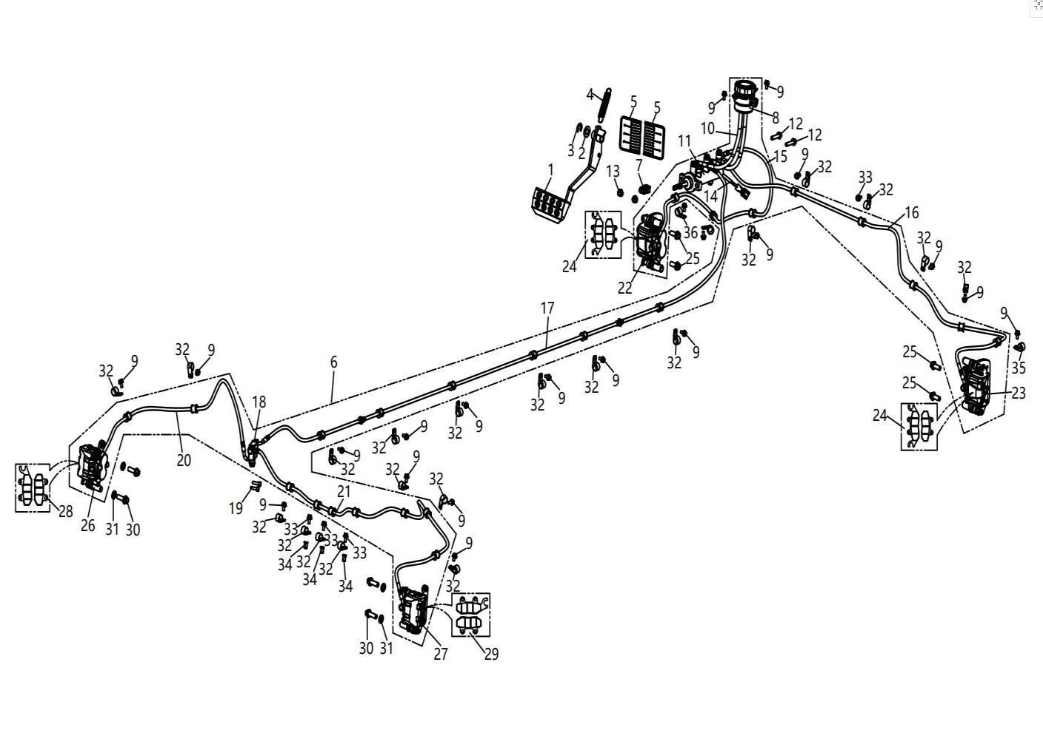
 | 1 | 10906080000 | Brake Pedal | Pedal | 1 | 12 Months (Unlimited Miles) | 292377
 | 2 | 06219152805 | Washer | 15x28x2 | 1 | Not Covered Under Warranty | 800-3/800-3A/800-4/800-4A/1000-3/1000-3A/1000-4/1000-4A/1000-11/800-7/1000-7/1000-12
 | 3 | 07031120004 | Snap Ring | 12 | 1 | Not Covered Under Warranty | 800-3/800-3A/800-4/800-4A/1000-3/1000-3A/1000-4/1000-4A/1000-11/ATV800/800-7/1000-7/1000-13
 | 4 | 10706030020 | Spring Brake Pedal | Spring | 1 | 6 Months (Unlimited Miles) | 800-3/800-3A/800-4/800-4A/1000-3/1000-3A/1000-4/1000-4A/1000-11/800-7
 | 5 | 14606100000 | Mud Shield | Mudguard | 2 | Not Covered Under Warranty | 292377
 | 6 | 16606010000 | Brake System | Assembly | 1 | 12 Months (Unlimited Miles)
 | 7 | 15106010470 | Brake Rod Of Master Cyliner | Piece | 1 | Not Covered Under Warranty | 800-3/800-3A/800-4/800-4A/1000-3/1000-3A/1000-4/1000-4A/1000-11/800-7
 | 8 | 15106010440 | Brake Fluid Reservoir |  | 1 | 12 Months (Unlimited Miles) | 800-3/800-3A/800-4/800-4A/1000-3/1000-3A/1000-4/1000-4A/1000-11/800-7
 | 9 | 01254060126 | Hexagon Flange Bolt | M6×12 | 24 | Not Covered Under Warranty | 800-3/800-3A/800-4/800-4A/1000-3/1000-3A/1000-4/1000-4A/1000-11/ATV800/800-7/1000-7/1000-13
 | 10 | 16506010410 | Oil Hose | L=240mm | 2 | Not Covered Under Warranty | 1000-13
 | 11 | 15106010400 | Mater Cyliner, Footbrake Assembly |  | 1 | 12 Months (Unlimited Miles) | 800-3/800-3A/800-4/800-4A/1000-3/1000-3A/1000-4/1000-4A/1000-11/800-7
 | 12 | 01224080356 | Hexagon Flange Bolt | M8×35 | 2 | 12 Months (Unlimited Miles) | 800-3/800-3A/800-4/800-4A/1000-3/1000-3A/1000-4/1000-4A/1000-11/800-7/1000-7/1000-12
 | 13 | 04612080026 | Hexagon Flange Locking Nut | M8 | 2 | Not Covered Under Warranty | 800-3/800-3A/800-4/800-4A/1000-3/1000-3A/1000-4/1000-4A/1000-11/ATV800/800-7/1000-7/1000-13
 | 14 | 10909050010 | Brake Switch (With Knot） | Connector | 1 | Not Covered Under Warranty | 800-3/800-3A/800-4/800-4A/1000-3/1000-3A/1000-4/1000-4A/1000-11/800-7
 | 15 | 16506010160 | Front Left Hose, Brake Assy | L=950mm | 1 | Not Covered Under Warranty | 1000-13
 | 16 | 16506010170 | Front Right Hose, Brake Assy | L=1470mm | 1 | Not Covered Under Warranty | 1000-13
 | 17 | 16606010240 | Rear Hose, Brake Assy | L=3030mm | 1 | Not Covered Under Warranty | 1000-13
 | 18 | 10906010450 | Three Links | Tee | 1 | Not Covered Under Warranty | 800-3/800-3A/800-4/800-4A/1000-3/1000-3A/1000-4/1000-4A/1000-11/800-7
 | 19 | 03344060206 | Hexagon Socket Cap Screws | M6×20 | 2 |  | 800-3/800-3A/800-4/800-4A/1000-3/1000-3A/1000-4/1000-4A/1000-11/ATV800/800-7/1000-7/1000-13
 | 20 | 16506010260 | Rear Left Hose, Brake Assy | L=820mm | 1 | Not Covered Under Warranty | 1000-13
 | 21 | 16506010250 | Rear Right Hose, Brake Assy | L=1420mm | 1 | Not Covered Under Warranty | 1000-13
 | 22 | 14706010040 | Front Brake Caliper, Lh | Left | 1 | 12 Months (Unlimited Miles) | 800-3/800-3A/800-4/800-4A/1000-3/1000-3A/1000-4/1000-4A/1000-11/800-7
 | 23 | 14706010050 | Front Brake Caliper, Rh | Right | 1 | 12 Months (Unlimited Miles) | 800-3/800-3A/800-4/800-4A/1000-3/1000-3A/1000-4/1000-4A/1000-11/800-7
 | 24 | 15106010060 | Brake Pad,Front | Block | 2 | Not Covered Under Warranty | 800-3/800-3A/800-4/800-4A/1000-3/1000-3A/1000-4/1000-4A/1000-11/800-7
 | 25 | 01256100256 | Hexagon Flange Bolt | M10×25×1.25 | 4 | Not Covered Under Warranty | 800-3/800-3A/800-4/800-4A/1000-3/1000-3A/1000-4/1000-4A/1000-11/ATV800/800-7/1000-7/1000-13
 | 26 | 14606010140 | Rear Brake Caliper, Lh | Left | 1 | 12 Months (Unlimited Miles) | 292377
 | 27 | 14606010150 | Rear Brake Caliper, Rh | Right | 1 | 12 Months (Unlimited Miles) | 292377
 | 28 | 14606010650 | Brake Pad,Rear , Lh | Rear | 1 | Not Covered Under Warranty | 292377
 | 29 | 14606010660 | Brake Pad,Rear , Rh | Rear | 1 | Not Covered Under Warranty | 292377
 | 30 | 01256100306 | Hexagon Flange Bolt | M10×30×1.25 | 4 | Not Covered Under Warranty | 800-3/800-3A/800-4/800-4A/1000-3/1000-3A/1000-4/1000-4A/1000-11/800-7/1000-7/1000-12
 | 31 | 06119102005 | Washer | φ10.5×φ20×2 | 4 | Not Covered Under Warranty | 800-3/800-3A/800-4/800-4A/1000-3/1000-3A/1000-4/1000-4A/1000-11/ATV800/800-7/1000-7/1000-13
 | 32 | 10406010090 | Brake Fuel Hose Clamp | Card | 25 | Not Covered Under Warranty | 800-3/800-3A/800-4/800-4A/1000-3/1000-3A/1000-4/1000-4A/1000-11/ATV800/800-7
 | 33 | 01254060166 | Hexagon Flange Bolt | M6×16 | 3 | Not Covered Under Warranty | 800-3/800-3A/800-4/800-4A/1000-3/1000-3A/1000-4/1000-4A/1000-11/ATV800/800-7/1000-7/1000-13
 | 34 | 04512060027 | Rivet Nut | M6 | 3 | Not Covered Under Warranty | 800-3/800-3A/800-4/800-4A/1000-3/1000-3A/1000-4/1000-4A/1000-11/800-7/1000-7/1000-12
 | 35 | 16606010090 | Brake Hose Clamp | Right | 1
 | 36 | 16606010080 | Brake Hose Clamp | Left | 1
F27.GEAR SHIFT & THROTTLE | Item # | Part Number | Description | Specification | Quantity | Warranty period | Fits Models
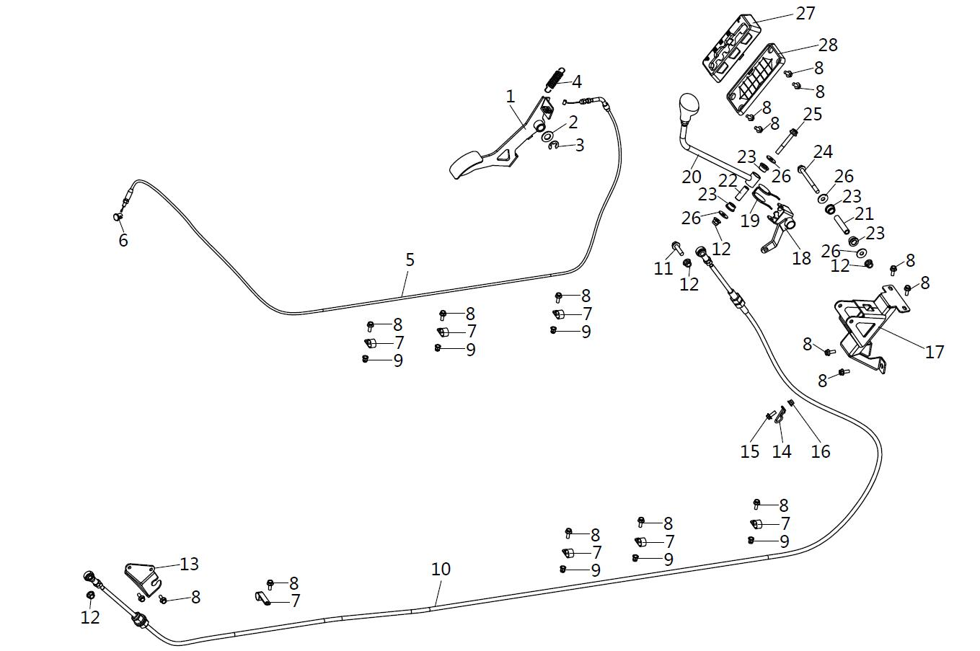
 | 1 | 14611010100 | Throttle Pedal |  | 1 | 12 Months (Unlimited Miles) | 292377
 | 2 | 06219152805 | Washer 15X28X2 |  | 1 | Not Covered Under Warranty | 800-3/800-3A/800-4/800-4A/1000-3/1000-3A/1000-4/1000-4A/1000-11/800-7/1000-7/1000-12
 | 3 | 07031120004 | Snap Ring | 12 | 1 | Not Covered Under Warranty | 800-3/800-3A/800-4/800-4A/1000-3/1000-3A/1000-4/1000-4A/1000-11/ATV800/800-7/1000-7/1000-13
 | 4 | 10906100020 | Throttle Return Spring |  | 1 | 6 Months (Unlimited Miles) | 800-3/800-3A/800-4/800-4A/1000-3/1000-3A/1000-4/1000-4A/800-7
 | 5 | 16611010010 | Throttle Cable |  | 1 | Not Covered Under Warranty | 1000-13
 | 6 | 21040505601 | Copper Bushing |  | 1 | Not Covered Under Warranty | 800-3/800-3A/800-4/800-4A/1000-3/1000-3A/1000-4/1000-4A/1000-11/ATV800/800-7
 | 7 | 10109380010 | Wire Harness Mounting Clamp | 2023-01-14 | 7 | Not Covered Under Warranty | 800-3/800-3A/800-4/800-4A/1000-3/1000-3A/1000-4/1000-4A/800-7
 | 8 | 01254060166 | Hexagon Flange Bolt | M6×16 | 17 | Not Covered Under Warranty | 800-3/800-3A/800-4/800-4A/1000-3/1000-3A/1000-4/1000-4A/1000-11/800-7/1000-7/1000-12
 | 9 | 04512060027 | Rivet Nut | M6 | 6 | Not Covered Under Warranty | 800-3/800-3A/800-4/800-4A/1000-3/1000-3A/1000-4/1000-4A/1000-11/ATV800/800-7/1000-7/1000-13
 | 10 | 16611030000 | Gear Shift Cable |  | 1 |  | 1000-13
 | 11 | 01224080356 | Hexagon Flange Bolt | M8×35 | 1 | 12 Months (Unlimited Miles) | 800-3/800-3A/800-4/800-4A/1000-3/1000-3A/1000-4/1000-4A/1000-11/800-7/1000-7/1000-12
 | 12 | 04612080026 | Hexagon Flange Locking Nut 8 | M8 | 6 | Not Covered Under Warranty | 800-3/800-3A/800-4/800-4A/1000-3/1000-3A/1000-4/1000-4A/1000-11/ATV800/800-7/1000-7/1000-13
 | 13 | 16611060020 | Fixed Plate, Gear Shift Cable |  | 1
 | 14 | 14711060090 | Clamp, Gear Shift Cable |  | 1
 | 15 | 01254060206 | Hexagon Flange Bolt | M6×20 | 1 | Not Covered Under Warranty | 800-3/800-3A/800-4/800-4A/1000-3/1000-3A/1000-4/1000-4A/1000-11/ATV800/800-7/1000-7/1000-13
 | 16 | 04612060026 | Hexagon Flange Locking Nut | M6 | 1 | Not Covered Under Warranty | 800-3/800-3A/800-4/800-4A/1000-3/1000-3A/1000-4/1000-4A/1000-11/800-7/1000-7/1000-12
 | 17 | 14708220000 | Gear Shifter Bracket |  | 1 | Not Covered Under Warranty
 | 18 | 14711060110 | Universal Joint Pin |  | 1
 | 19 | 14711060150 | Return Spring |  | 1
 | 20 | 14711060000 | Gearshift Lever |  | 1
 | 21 | 14711060140 | Neck Bush(Long) |  | 1
 | 22 | 14711060130 | Neck Bush(Short) |  | 1
 | 23 | 13205050060 | Steering Nylon Sleeve |  | 4
 | 24 | 01214080856 | Hexagon Flange Bolt | M8×85 | 1 |  | 800-3/800-3A/800-4/800-4A/1000-3/1000-3A/1000-4/1000-4A/1000-11/ATV800/800-7/1000-7/1000-13
 | 25 | 01214080656 | Hexagon Flange Bolt | M8×65 | 1 |  | 800-3/800-3A/800-4/800-4A/1000-3/1000-3A/1000-4/1000-4A/1000-11/800-7/1000-7/1000-12
 | 26 | 06219092205 | Cross Pan Head Bolt | φ8.5×φ22×2 | 4 |  | 800-3/800-3A/800-4/800-4A/1000-3/1000-3A/1000-4/1000-4A/1000-11/ATV800/800-7/1000-7/1000-13
 | 27 | 16610360000 | Handle Shifting Plate |  | 1 |  | 1000-13
 | 28 | 14710360140 | Shifting Plate Rubber Seat |  | 1
F28.FRONT DOORS | Item # | Part Number | Description | Specification | Quantity | Warranty period | Fits Models
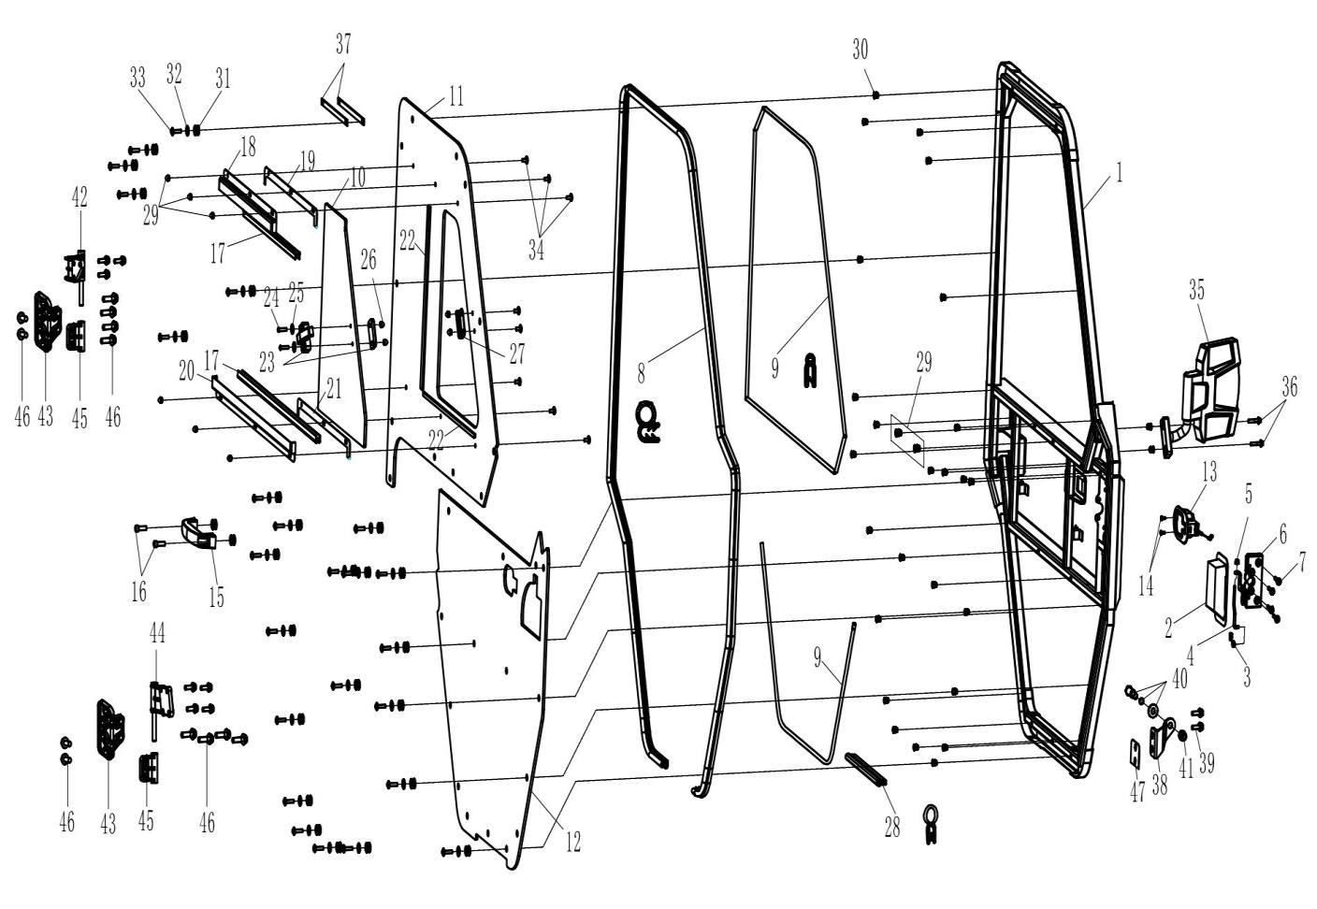
 | 1 | 17110340500 | Front Door Frame (Left) | Left | 1 |  | 800-3/800-3A/800-4/800-4A/1000-3/1000-3A/1000-4/1000-4A/1000-11/ATV800/800-7/1000-7/1000-13
 | 1 | 17110340600 | Front Door Frame (Right) | Right | 1 |  | 1000-13
 | 2 | 16510342200 | Door Outer Handle, Lh | Left | 1 |  | 1000-13
 | 2 | 16510343200 | Door Outer Handle, Rh | Right | 1 |  | 1000-13
 | 3 | 16614100070 | Clamp, Outer Handle, Lh | Left | 1 |  | 800-3/800-3A/800-4/800-4A/1000-3/1000-3A/1000-4/1000-4A/1000-11/ATV800/800-7/1000-7/1000-13
 | 3 | 16614100090 | Clamp, Outer Handle, Rh | Right | 1 |  | 800-3/800-3A/800-4/800-4A/1000-3/1000-3A/1000-4/1000-4A/1000-11/800-7/1000-7/1000-12
 | 4 | 16614100100 | Door Handle Link |  | 2 |  | 800-3/800-3A/800-4/800-4A/1000-3/1000-3A/1000-4/1000-4A/1000-11/ATV800/800-7/1000-7/1000-13
 | 5 | 04612050025 | Hexagon Lock Nut | M5 | 2 |  | 1000-13
 | 6 | 16510342100 | Door Lock, Lh | Left | 1 |  | 1000-13
 | 6 | 16510343100 | Door Lock, Rh | Right | 1 |  | 1000-13
 | 7 | 01254060166 | Hexagon Flange Bolt | M6X16 | 8 |  | 1000-13
 | 8 | 17110340910 | Sealing Strip，Glass Door | Seal | 2 |  | 292377
 | 9 | 17110340140 | Side Door Waterproof Srip | L=1000mm | 6 |  | 1000-13
 | 10 | 17110340321 | Front Door Push-Pull Window | Window | 2 |  | 1000-13
 | 11 | 17110340312 | Front Door Upper Window | Glass | 2 |  | 800-3/800-3A/800-4/800-4A/1000-3/1000-3A/1000-4/1000-4A/1000-11/ATV800/800-7/1000-7/1000-13
 | 12 | 17110340332 | Front Door Lower Window | Glass | 2 |  | 1000-13
 | 13 | 16510340240 | Door Inner Lock | Switch | 2 |  | 1000-13
 | 14 | 03424040166 | Cross Shape Bolt | M4X16 | 4 |  | 1000-13
 | 15 | 16614100050 | Handle | Handle | 2 |  | 1000-13
 | 16 | 03344080255 | Hexagon Socket Cap Screws | M8×25 | 4 | Not Covered Under Warranty | 800-3/800-3A/800-4/800-4A/1000-3/1000-3A/1000-4/1000-4A/1000-11/ATV800/800-7/1000-7/1000-13
 | 17 | 16510340940 | Window Mud Track | L=690mm | 4 |  | 1000-13
 | 18 | 17110341000 | Front Window Upper Guide |  | 2 |  | 1000-13
 | 19 | 17210341120 | Front Window Guide Rail Seal | Seal | 2
 | 20 | 17110341010 | Front Window Lower Guide | Rail | 2 |  | 800-3/800-3A/800-4/800-4A/1000-3/1000-3A/1000-4/1000-4A/1000-11/ATV800/800-7/1000-7/1000-13
 | 21 | 17110341050 | Front Window Rail Seal |  | 2
 | 22 | 17110340530 | Push-Pull Window Cushion | L=1000mm | 1.56 |  | 1000-13
 | 23 | 17110341020 | Push-Pull Window Lock | Lock | 2 |  | 1000-13
 | 24 | 03344060205 | Hex Socket Head Cap Screw | M6×20 | 4
 | 25 | 06119061805 | Flat Washer | φ6×φ18×1 | 54 |  | 1000-13
 | 26 | 04312060014 | Cap Nut | M6X14 | 20 |  | 1000-13
 | 27 | 17110341030 | Push-Pull Window Lock Position Plate | Plate | 2 |  | 1000-13
 | 28 | 16510340910 | Door Seal | Seal | 2
 | 29 | 04512080127 | Hexagon Rivet Nut | M8 | 4 |  | #N/A
 | 30 | 04512060127 | Hexagon Rivet Nut | M6 | 50 |  | 1000-13
 | 31 | 17110341040 | Window Rubber Cushion | Ring | 50 |  | 1000-11/ATV800/800-7
 | 32 | 06119061805 | Flat Washer | φ6×φ18×1 | 50 |  | 1000-13
 | 33 | 03414060254 | Hexagon Flange Screw | M6×25 | 50 |  | 1000-13
 | 34 | 03414060164 | Hexaton Flange Screw | M6×16 | 16 |  | 800-3/800-3A/800-4/800-4A/1000-3/1000-3A/1000-4/1000-4A/1000-11/ATV800/800-7/1000-7/1000-13
 | 35 | 15105140001 | Rear View Mirror (Left) | Left | 1 |  | 800-3/800-3A/800-4/800-4A/1000-3/1000-3A/1000-4/1000-4A/1000-11/800-7/1000-7/1000-12
 | 35 | 15105150001 | Rear View Mirror (Right) | Right | 1 |  | 800-3/800-3A/800-4/800-4A/1000-3/1000-3A/1000-4/1000-4A/1000-11/ATV800/800-7/1000-7/1000-13
 | 36 | 01224060305 | Hexagon Flange Bolt | M6×30 | 4 |  | 800-3/800-3A/800-4/800-4A/1000-3/1000-3A/1000-4/1000-4A/1000-11/800-7/1000-7/1000-12
 | 37 | 16610340430 | Door Strap | Strap | 2 |  | 1000-13
 | 38 | 17110340510 | Front Door Latch Mounting Plate (Left) | Left | 1 |  | 1000-13
 | 38 | 17110340520 | Front Door Latch Mounting Plate (Right) | Right | 1 |  | 1000-13
 | 39 | 01256100256 | Hexagon Flange Bolt | M10×25 | 4 |  | 800-3/800-3A/800-4/800-4A/1000-3/1000-3A/1000-4/1000-4A/1000-11/ATV800/800-7/1000-7/1000-13
 | 40 | 16510340490 | Latch | Striker | 2 |  | 800-3/800-3A/800-4/800-4A/1000-3/1000-3A/1000-4/1000-4A/1000-11/800-7/1000-7/1000-12
 | 41 | 04212120021 | Hexagon Flange Nut | M12×1.75 | 2 |  | 800-3/800-3A/800-4/800-4A/1000-3/1000-3A/1000-4/1000-4A/1000-11/ATV800/800-7/1000-7/1000-13
 | 42 | 17110340711 | Door Hinge, Upper, Lh ( Cast Steel) | Left | 1
 | 42 | 17110340811 | Door Hinge, Upper, Rh ( Cast Steel) | Right | 1
 | 43 | 17210340721 | Door Static Hinge |  | 4
 | 44 | 17110340731 | Door Hinge, Lower, Lh ( Cast Steel) | Left | 1
 | 44 | 17110340831 | Door Hinge, Lower, Rh ( Cast Steel) | Right | 1
 | 45 | 17110340531 | Adjustable Hinges ( Cast Steel) | Steel | 4
 | 46 | 01224080355 | Hex Flange Bolt | M8×35 | 30
 | 47 | 16510340520 | Adjusting Shim |  | 2 |  | 1000-13
F29.REAR DOORS | Item # | Part Number | Description | Specification | Quantity | Warranty period | Fits Models
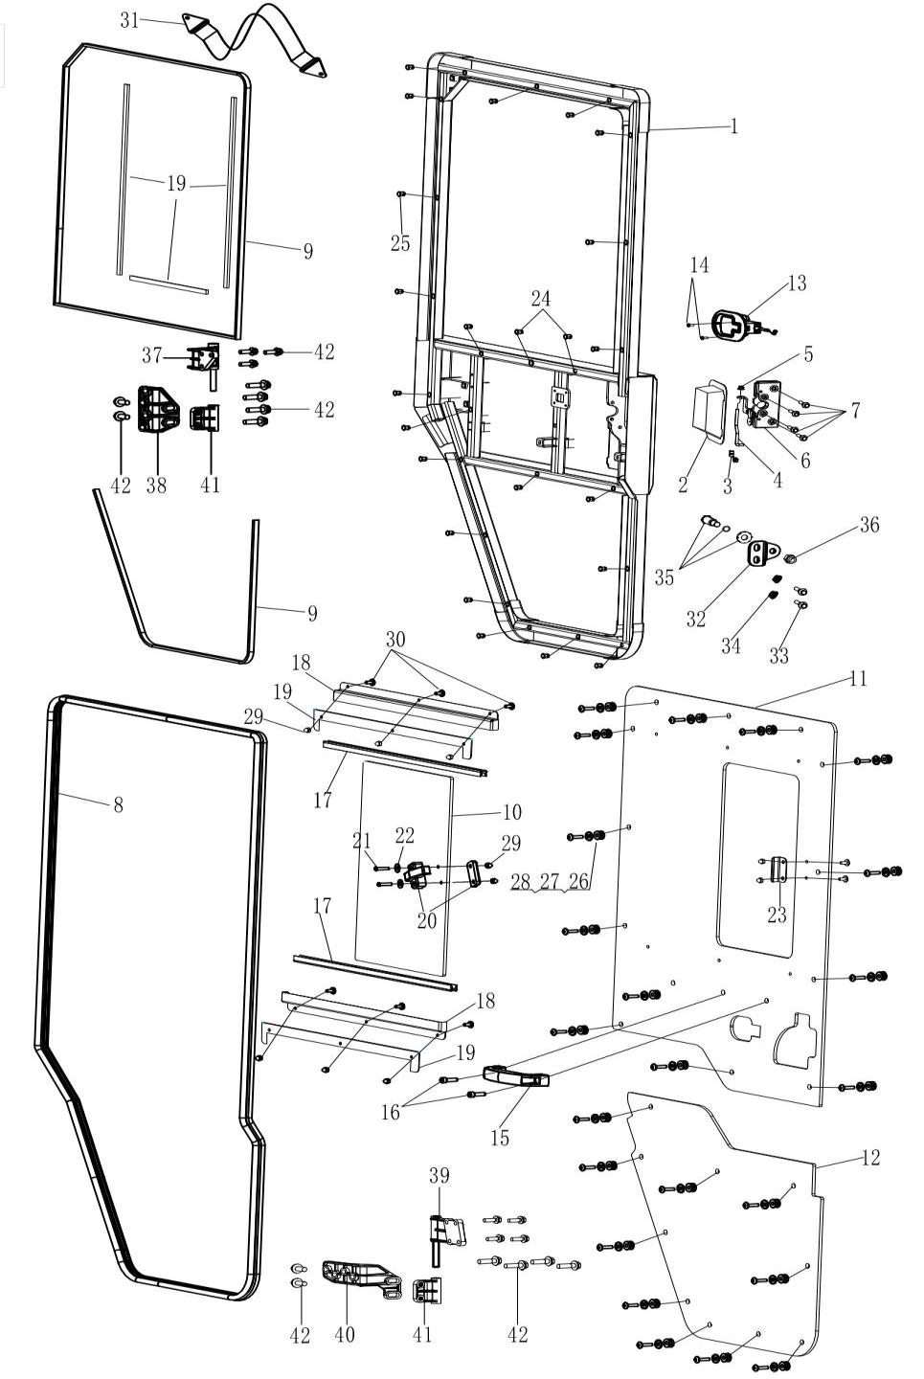
 | 1 | 17210340500 | Door Inner Frame, Lh | Left | 1 |  | 800-3/800-3A/800-4/800-4A/1000-3/1000-3A/1000-4/1000-4A/1000-11/ATV800/800-7/1000-7/1000-13
 | 1 | 17210340600 | Door Inner Frame, Rh | Right | 1 |  | 1000-13
 | 2 | 16510342200 | Door Outer Handle, Lh | Left | 1 |  | 1000-13
 | 2 | 16510343200 | Door Outer Handle, Rh | Right | 1 |  | 1000-13
 | 3 | 16614100070 | Clamp, Outer Handle, Lh | Left | 1 |  | 800-3/800-3A/800-4/800-4A/1000-3/1000-3A/1000-4/1000-4A/1000-11/ATV800/800-7/1000-7/1000-13
 | 3 | 16614100090 | Clamp, Outer Handle, Rh | Right | 1 |  | 800-3/800-3A/800-4/800-4A/1000-3/1000-3A/1000-4/1000-4A/1000-11/800-7/1000-7/1000-12
 | 4 | 17214100100 | Connecting Rod | Link | 2 |  | 800-3/800-3A/800-4/800-4A/1000-3/1000-3A/1000-4/1000-4A/1000-11/ATV800/800-7/1000-7/1000-13
 | 5 | 04612050025 | Hexlocking Nut | M5 | 2 |  | 1000-13
 | 6 | 16510342100 | Door Lock, Lh | Left | 1 |  | 1000-13
 | 6 | 16510343100 | Door Lock, Rh | Right | 1 |  | 1000-13
 | 7 | 01254060166 | Hex Flange Bolt | M6X16 | 8 |  | 1000-13
 | 8 | 17110340910 | Sealing Strip，Glass Door | Seal | 2 |  | 292377
 | 9 | 17110340140 | Side Door Waterproof Srip | L=1000mm | 6 |  | 1000-13
 | 10 | 17210340322 | Front Door Push-Pull Window | Window | 2 |  | 1000-13
 | 11 | 17210340312 | Front Door Upper Window | Glass | 2 |  | 800-3/800-3A/800-4/800-4A/1000-3/1000-3A/1000-4/1000-4A/1000-11/ATV800/800-7/1000-7/1000-13
 | 12 | 17210340332 | Front Door Lower Window | Glass | 2 |  | 1000-13
 | 13 | 16510340240 | Door Inner Lock | Switch | 2 |  | 1000-13
 | 14 | 03424040166 | Hexagon Socket Countersunk Head Bolts | M4X16 | 4 |  | 1000-13
 | 15 | 16614100050 | Handle | Handle | 2 |  | 1000-13
 | 16 | 03344080255 | Hexagon Socket Cap Screws | M8×25 | 4 | Not Covered Under Warranty | 800-3/800-3A/800-4/800-4A/1000-3/1000-3A/1000-4/1000-4A/1000-11/ATV800/800-7/1000-7/1000-13
 | 17 | 16510340940 | Window Mud Track | L=690mm | 4 |  | 1000-13
 | 18 | 17210341000 | Front Window Upper Guide | Guide | 4 |  | 1000-13
 | 19 | 17110340530 | Push-Pull Window Cushion | L=1000mm | 2.6 |  | 1000-13
 | 20 | 17110341020 | Push-Pull Window Lock | Lock | 2 |  | 1000-13
 | 21 | 03344060205 | Hex Socket Head Cap Screw | M6×20 | 4
 | 22 | 06119061805 | Flat Washer | φ6×φ18×1 | 54 |  | 1000-13
 | 23 | 17110341030 | Push-Pull Window Lock Position Plate | Plate | 2 |  | 1000-13
 | 24 | 04512080127 | Hex Rivet Nut | M8 | 4 |  | #N/A
 | 25 | 04512060127 | Hex Rivet Nut | M6 | 46 |  | 1000-13
 | 26 | 17110341040 | Glass Shock Absorbing Rubber Ring | Ring | 46 |  | 1000-11/ATV800/800-7
 | 27 | 06119061805 | Flat Washer | φ6×φ18×1 | 46 |  | 1000-13
 | 28 | 03414060254 | Hex Flange Screw | M6×25 | 46 |  | 1000-13
 | 29 | 04312060014 | Cap Nut | M6X14 | 16 |  | 1000-13
 | 30 | 03414060164 | Hex Flange Screw | M6×16 | 16 |  | 800-3/800-3A/800-4/800-4A/1000-3/1000-3A/1000-4/1000-4A/1000-11/ATV800/800-7/1000-7/1000-13
 | 31 | 16610340430 | Door Strap | Strap | 4 |  | 1000-13
 | 32 | 17210340510 | Rear Door Latch Fixting Plate | Plate | 2 |  | 1000-13
 | 33 | 01256100256 | Hex Flange Bolt | M10×25×1.25 | 4 |  | 800-3/800-3A/800-4/800-4A/1000-3/1000-3A/1000-4/1000-4A/1000-11/ATV800/800-7/1000-7/1000-13
 | 34 | 04622100026 | Hex Flange Locking Nut | M10×1.25 | 4
 | 35 | 16510340490 | Striker |  | 2 |  | 800-3/800-3A/800-4/800-4A/1000-3/1000-3A/1000-4/1000-4A/1000-11/800-7/1000-7/1000-12
 | 36 | 04212120021 | Hex Flange Nut | M12×1.75 | 2 |  | 800-3/800-3A/800-4/800-4A/1000-3/1000-3A/1000-4/1000-4A/1000-11/ATV800/800-7/1000-7/1000-13
 | 37 | 17110340711 | Door Hinge, Upper, Lh ( Cast Steel) | Left | 1
 | 37 | 17110340811 | Door Hinge, Upper, Rh ( Cast Steel) | Right | 1
 | 38 | 17110340721 | Door Static Hinge (Upper Left) | Left | 1
 | 38 | 17110340821 | Door Static Hinge (Upper Left) | Right | 1
 | 39 | 17110340731 | Door Hinge, Lower, Lh ( Cast Steel) | Left | 1
 | 39 | 17110340831 | Door Hinge, Lower, Rh ( Cast Steel) | Right | 1
 | 40 | 17110340741 | Door Static Hinge (Lower Left) | Left | 1
 | 40 | 17110340841 | Door Static Hinge (Bottom Right) | Right | 1
 | 41 | 17110340531 | Adjustable Hinges ( Cast Steel) | Steel | 4
 | 42 | 01224080355 | Hex Flange Bolt | M8×35 | 30
F30.WINCH SYSTEM | Item # | Part Number | Description | Specification | Quantity | Warranty period | Fits Models
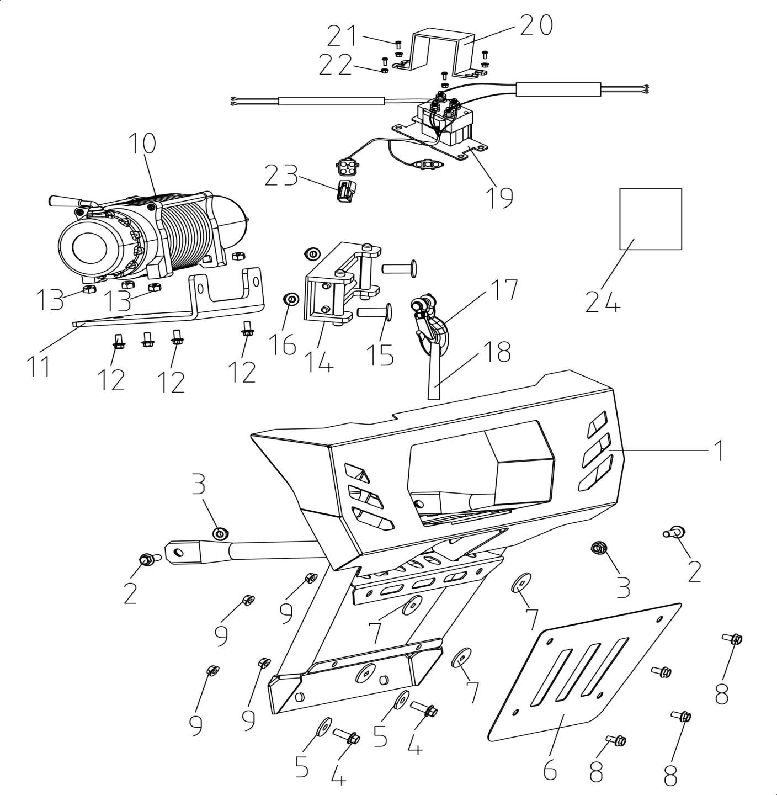
 | 1 | 17108110000 | Front Bumper | Yellow | 1
 | 1 | 17108110100 | Front Bumper | Black | 1
 | 1 | 17108110110 | Front Bumper | Green | 1
 | 2 | 01264100255 | Hex Flange Bolt | M10×25 | 2 | Not Covered Under Warranty | 292377
 | 3 | 04622100025 | Hexagon Flange Locking Nut | M10×1.25 | 2 | Not Covered Under Warranty | 292377
 | 4 | 01264100205 | Hex Flange Bolt | M10×20×1.25 | 2 | Not Covered Under Warranty | 292377
 | 5 | 06119113005 | Washer | φ11×φ30×2 | 2 | Not Covered Under Warranty | 292377
 | 6 | 14700560100 | Lower Guard Plate |  | 1 | Not Covered Under Warranty | 292377
 | 6 | 14700560110 | Lower Guard Plate |  | 1 | Not Covered Under Warranty | 292377
 | 6 | 14700560120 | Lower Guard Plate |  | 1 | Not Covered Under Warranty | 292377
 | 7 | 10114100030 | Rubber Washer For Step Bolt |  | 4 | Not Covered Under Warranty | 800-3/800-3A/800-4/800-4A/1000-3/1000-3A/1000-4/1000-4A/800-7
 | 8 | 01214080255 | Hex Flange Bolt | M8×25 | 4 | Not Covered Under Warranty | 800-3/800-3A/800-4/800-4A/1000-3/1000-3A/1000-4/1000-4A/1000-11/800-7/1000-7/1000-12
 | 9 | 04612080025 | Hex Flange Locking Nut 8 | M8 | 4 | Not Covered Under Warranty | 800-3/800-3A/800-4/800-4A/1000-3/1000-3A/1000-4/1000-4A/1000-11/800-7/1000-7/1000-12
 | 10 | 17114150010 | Winch | Rope | 1
 | 11 | 17114150030 | Winch Mounting Plate | Plate | 1
 | 12 | 01224080206 | Hex Flange Bolt | M8×20（达克罗银灰色） | 2 | Not Covered Under Warranty | 800-3/800-3A/800-4/800-4A/1000-3/1000-3A/1000-4/1000-4A/1000-11/ATV800/800-7/1000-7/1000-13
 | 13 | 04212080021 | Hexagon Nut | M8 | 4
 | 14 | 17114150020 | Winch Front Roller Bracket | Rope | 1
 | 15 | 03144100201 | Round Square Bolt | M10×20 | 2
 | 16 | 04212100021 | Hexagon Lock Nut | M10 | 2
 | 17 | 10914150080 | Hook | Hitch | 1 | 3 Months (Unlimited Miles)
 | 18 | 10914150090 | Anchor Rope | Rope | 1 | Not Covered Under Warranty
 | 19 | 17214150040 | Winch Relay Cover | Wire | 1
 | 20 | 10914150010 | Winch Relay Cover | Runhua | 1
 | 21 | 01254060256 | Hex Flange Bolt | M6×25 | 2 | Not Covered Under Warranty | 800-3/800-3A/800-4/800-4A/1000-3/1000-3A/1000-4/1000-4A/1000-11/800-7/1000-7/1000-12
 | 22 | 04612060026 | Hexagon Flange Locking Nut | M6 | 2 | Not Covered Under Warranty | 800-3/800-3A/800-4/800-4A/1000-3/1000-3A/1000-4/1000-4A/1000-11/800-7/1000-7/1000-12
 | 23 | 14614150380 | Connector (Without Wireless Remote Control Receiver And Controller) | DJ7041Y-2-21 | 1
 | 24 | 17114150050 | Winch User Manual | Winch | 1 | Not Covered Under Warranty
F31.REAR BUMPER & TRAILER HITCH | Item # | Part Number | Description | Specification | Quantity | Warranty period | Fits Models
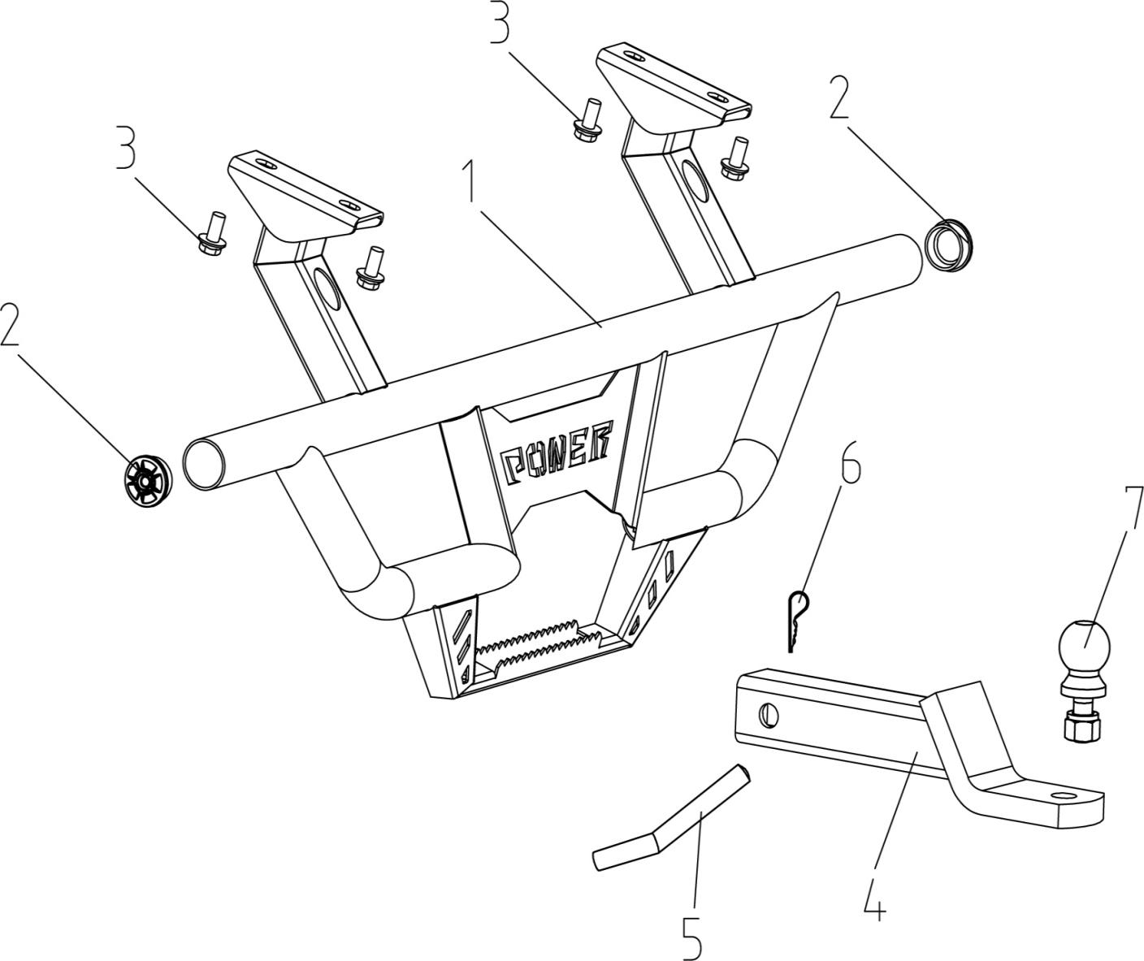
 | 1 | 14708360020 | Rear Bumper | Yellow | 1 |  | -328536
 | 1 | 14708360000 | Rear Bumper | Black | 1
 | 1 | 14708360030 | Rear Bumper | Green | 1
 | 2 | 14708360010 | Bumper Plug | Plug | 2
 | 3 | 01256100206 | Hex Flange Bolt | M10×20×1.25 | 4 |  | 800-3/800-3A/800-4/800-4A/1000-3/1000-3A/1000-4/1000-4A/1000-11/ATV800/800-7/1000-7/1000-13
 | 4 | 10908420080 | Trailer Pothook | Plate | 1 | 6 Months (UnlimitedMiles) | 800-7/ATV800/1000-11A
 | 5 | 10908420030 | Tow Ball Fixed Pin | Pin | 1 | 6 Months (Unlimited Miles)
 | 6 | 10908420040 | Tow Ball Pin | Tow | 1 | 6 Months (Unlimited Miles)
 | 7 | 17008420010 | Tow Ball | Head | 1 | 6 Months (Unlimited Miles)
F32.FRONT WINDSHIELD | Item # | Part Number | Description | Specification | Quantity | Warranty period | Fits Models
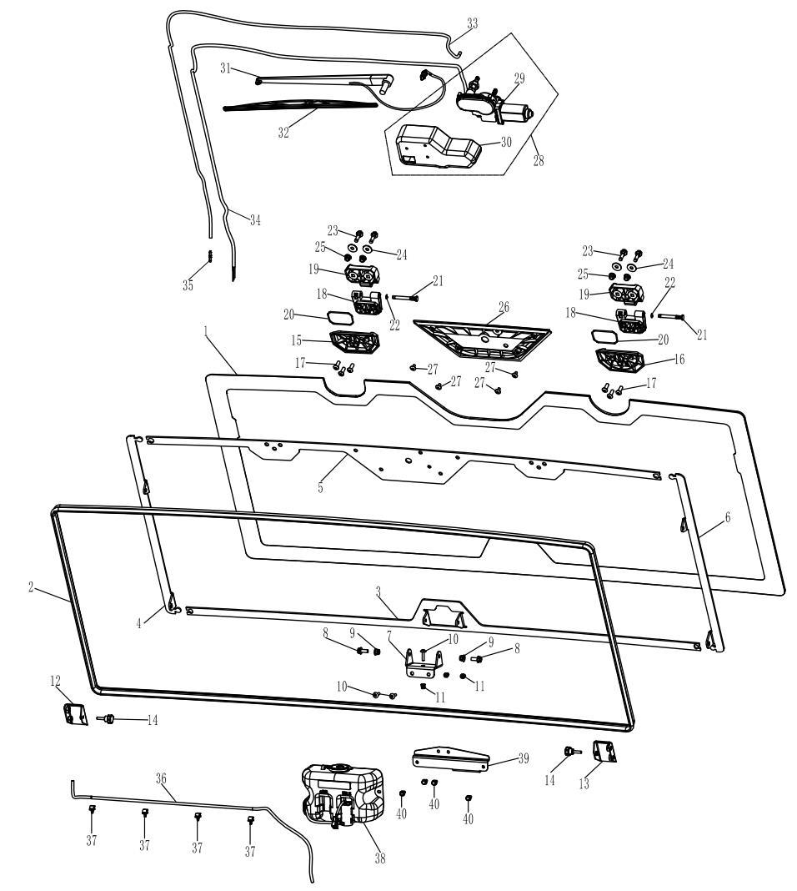
 | 1 | 16614110101 | Front Windshield | Windshield | 1 | Not Covered Under Warranty
 | 2 | 16614110171 | Windshield Sealing Strip | Windshield | 1 | 6 Months (Unlimited Miles) | 1000-13
 | 3 | 16614110140 | Inner Frame, Lower | Frame | 1 | 6 Months (Unlimited Miles) | 1000-13
 | 4 | 16614110110 | Inner Frame, Left | Frame | 1 | 6 Months (Unlimited Miles) | 1000-13
 | 5 | 16614110131 | Inner Frame, Upper | Frame | 1 | 6 Months (Unlimited Miles) | 1000-13
 | 6 | 16614110120 | Inner Frame, Right | Frame | 1 | 6 Months (Unlimited Miles) | 1000-13
 | 7 | 16614110200 | Front Windshield Middle Fixing Seat |  | 1 |  | 1000-13
 | 8 | 01224080206 | Hex Flange Bolt | M8×20 | 2 | Not Covered Under Warranty | 800-3/800-3A/800-4/800-4A/1000-3/1000-3A/1000-4/1000-4A/1000-11/800-7/1000-7/1000-12
 | 9 | 04612080026 | Hex Flange Locking Nut | M8 | 2 | Not Covered Under Warranty | 800-3/800-3A/800-4/800-4A/1000-3/1000-3A/1000-4/1000-4A/1000-11/ATV800/800-7/1000-7/1000-13
 | 10 | 03414060254 | Socket Pan Head Screws | M6×25 | 3 | Not Covered Under Warranty | 800-3/800-3A/800-4/800-4A/1000-3/1000-3A/1000-4/1000-4A/1000-11/800-7/1000-7/1000-12
 | 11 | 04512060127 | Rivet Nut | M6 | 3 | Not Covered Under Warranty | 800-3/800-3A/800-4/800-4A/1000-3/1000-3A/1000-4/1000-4A/1000-11/ATV800/800-7/1000-7/1000-13
 | 12 | 16614100130 | Roof Connector, Lh | Left | 1 | 6 Months (Unlimited Miles) | 1000-13
 | 13 | 16614100140 | Roof Connector, Rh | Right | 1 | 6 Months (Unlimited Miles) | 1000-13
 | 14 | 10114110110 | Torx Bolt | M6x25 | 2 | Not Covered Under Warranty
 | 15 | 16614110150 | Hinge Seat, Lh | Left | 1 | Not Covered Under Warranty | 1000-13
 | 16 | 16614110160 | Hinge Seat, Rh | Right | 1 | Not Covered Under Warranty
 | 17 | 03414080254 | Socket Pan Head Screw | M8×25 | 6 | Not Covered Under Warranty | 800-3/800-3A/800-4/800-4A/1000-3/1000-3A/1000-4/1000-4A/1000-11/ATV800/800-7/1000-7/1000-13
 | 18 | 16614110260 | Lower Hinge, Windshield | Hinge | 2 | Not Covered Under Warranty | 1000-13
 | 19 | 16614110250 | Upper Hinge, Windshield | Hinge | 2 | Not Covered Under Warranty
 | 20 | 16614110180 | Seal Ring | Ring | 2 | Not Covered Under Warranty | 1000-13
 | 21 | 16614110270 | Hinge Shaft | Shaft | 2 | 6 Months (Unlimited Miles) | 1000-13
 | 22 | 07031060004 | Circlip | φ6 | 2 | Not Covered Under Warranty | 800-3/800-3A/800-4/800-4A/1000-3/1000-3A/1000-4/1000-4A/1000-11/ATV800/800-7/1000-7/1000-13
 | 23 | 01224080306 | Hexagon Flange Bolt | M8×30 | 4 | Not Covered Under Warranty | 800-3/800-3A/800-4/800-4A/1000-3/1000-3A/1000-4/1000-4A/1000-11/800-7/1000-7/1000-12
 | 24 | 16614110290 | Hinge Gasket, Windshield | Gasket | 4 | Not Covered Under Warranty | 1000-13
 | 25 | 04612080026 | Hex Flange Locking Nut | M8 | 4 | Not Covered Under Warranty | 800-3/800-3A/800-4/800-4A/1000-3/1000-3A/1000-4/1000-4A/1000-11/800-7/1000-7/1000-12
 | 26 | 16614110191 | Fixed Mount, Wiper Motor | Mount | 1 | Not Covered Under Warranty | 1000-13
 | 27 | 03414060124 | Socket Pan Head Screws | M6×12 | 4 | Not Covered Under Warranty | 800-3/800-3A/800-4/800-4A/1000-3/1000-3A/1000-4/1000-4A/1000-11/800-7/1000-7/1000-12
 | 28 | 16614140030 | Wiper Motor Wiper Motor Cover | Cover | 1
 | 29 | 16614140601 | Wiper Motor | Motor | 1 | Not Covered Under Warranty
 | 30 | 16614110851 | Wiper Motor Cover | Cover | 1 | Not Covered Under Warranty | 1000-13
 | 31 | 16614140021 | Wiper Arm | Arm | 1 | 6 Months (Unlimited Miles) | 1000-13
 | 32 | 16614140011 | Wiper Blade | Blade | 1 | 6 Months (Unlimited Miles) | 1000-13
 | 33 | 16614110840 | Glass Water Pipe(Long) | Long | 1 | 6 Months (Unlimited Miles) | 1000-13
 | 34 | 16614140610 | Motor Connect Wire | Cable | 1 | 6 Months (Unlimited Miles) | 1000-13
 | 35 | 16614110820 | Connector, Glass Water Pipe | Joint | 1 | 6 Months (Unlimited Miles) | 1000-13
 | 36 | 16614110830 | Glass Water Pipe(Short) | Short | 1 | 6 Months (Unlimited Miles) | 1000-13
 | 37 | 16614110860 | Clamp, Glass Water Pipe | Card | 4 | 6 Months (Unlimited Miles) | 1000-13
 | 38 | 16614110701 | Glass Water Jug | Kettle | 1 | 6 Months (Unlimited Miles) | 1000-13
 | 39 | 16614110811 | Bracket, Glass Water Jug | Stand | 1 | 6 Months (Unlimited Miles) | 1000-13
 | 40 | 01254060166 | Hex Flange Bolt | M6×16 | 4 | Not Covered Under Warranty | 800-3/800-3A/800-4/800-4A/1000-3/1000-3A/1000-4/1000-4A/1000-11/ATV800/800-7/1000-7/1000-13
F33.REAR WINDSHIELD | Item # | Part Number | Description | Specification | Quantity | Warranty period | Fits Models
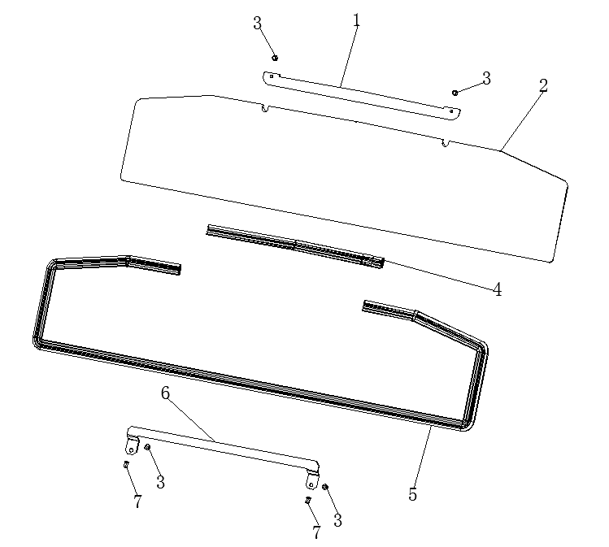
 | 1 | 16614110460 | Upper Fixed Plate, Rear Windshield | Plate | 1 | Not Covered Under Warranty | 1000-13
 | 2 | 16614110401 | Rear Windshield | Windshield | 1 | Not Covered Under Warranty | 1000-13
 | 3 | 01224080206 | Hex Flange Bolt | M8×20 | 4 | Not Covered Under Warranty | 800-3/800-3A/800-4/800-4A/1000-3/1000-3A/1000-4/1000-4A/1000-11/ATV800/800-7/1000-7/1000-13
 | 4 | 16614110490 | Sealing Strip（Short） | Short | 1 | Not Covered Under Warranty | 1000-13
 | 5 | 16614110480 | Sealing Strip（Long） | Long | 1 | Not Covered Under Warranty | 1000-13
 | 6 | 16614110470 | Lower Fixed Plate, Rear Windshield | Plate | 1 | Not Covered Under Warranty | 1000-13
 | 7 | 04512060127 | Rivet Nut | M8 | 2 | Not Covered Under Warranty | 800-3/800-3A/800-4/800-4A/1000-3/1000-3A/1000-4/1000-4A/1000-11/800-7/1000-7/1000-12
F34.ROOF | Item # | Part Number | Description | Specification | Quantity | Warranty period | Fits Models
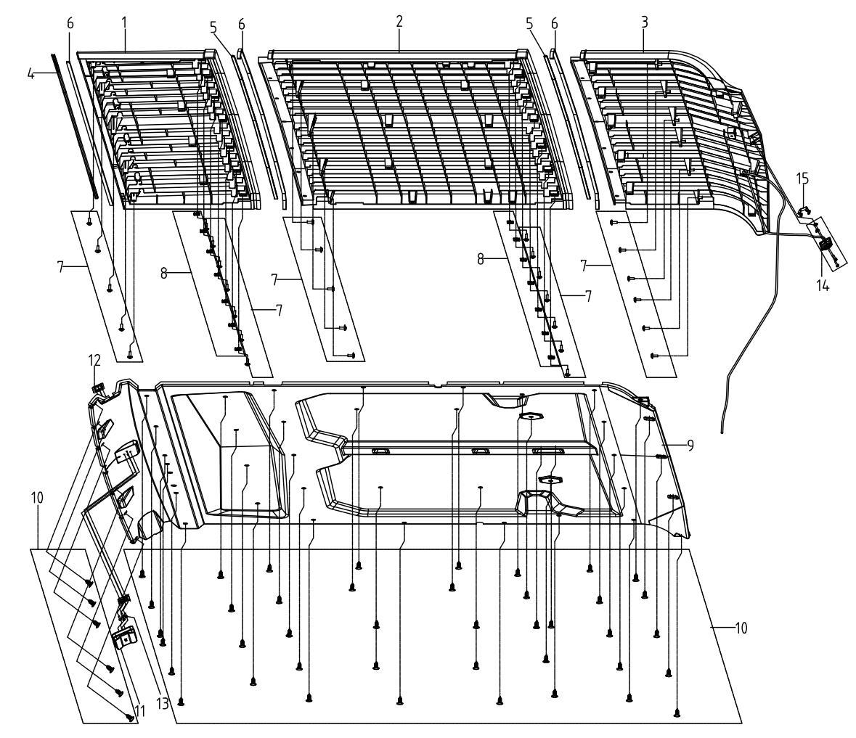
 | 1 | 16614100010 | Front Roof | Roof | 1 | 12 Months (Unlimited Miles) | 1000-13
 | 2 | 16614100021 | Middle Roof | Ceiling | 1
 | 3 | 16614100030 | Rear Roof | Roof | 1 | 12 Months (Unlimited Miles) | 1000-13
 | 4 | 16614100110 | Front Sealing Strip | L=1000mm | 1.75 | Not Covered Under Warranty | 1000-13
 | 5 | 16614100180 | Roof Sealing Strip | L=1650mm | 2 | Not Covered Under Warranty | 1000-13
 | 6 | 16614100160 | Roof Sealing Strip | L=1000mm（5×10） | 5.886
 | 7 | 03414060124 | Socket Pan Head Screw | M6×12 | 18 | Not Covered Under Warranty | 800-3/800-3A/800-4/800-4A/1000-3/1000-3A/1000-4/1000-4A/1000-11/800-7
 | 8 | 04922060025 | Plate Nut (Long) | M6 | 14 | Not Covered Under Warranty | 800-3/800-3A/800-4/800-4A/1000-3/1000-3A/1000-4/1000-4A/1000-11/ATV800/800-7/1000-7/1000-13
 | 9 | 16614100060 | Roof Lining | Headliner | 1 | Not Covered Under Warranty | 1000-13
 | 10 | 16510340420 | Plastic Push Pin | Button | 47 | Not Covered Under Warranty | 1000-13
 | 11 | 15109550000 | Reading Light | Light | 1 | Not Covered Under Warranty | 292377
 | 12 | 16609550030 | Reading Light Fixed Plater | Plate | 1 | Not Covered Under Warranty | 1000-13
 | 13 | 03174040104 | Round Head Screw | M4×10 | 4 | 12 Months (Unlimited Miles) | 800-3/800-3A/800-4/800-4A/1000-3/1000-3A/1000-4/1000-4A/1000-11/ATV800/800-7/1000-7/1000-13
 | 14 | 17109540000 | Dump Bed Light | Dump | 1 | Not Covered Under Warranty | 292377
 | 15 | 17109540010 | Rear Cargo Box Light Bracket |  | 1
F35.ELECTRICAL SYSTEM I | Item # | Part Number | Description | Specification | Quantity | Warranty period | Fits Models
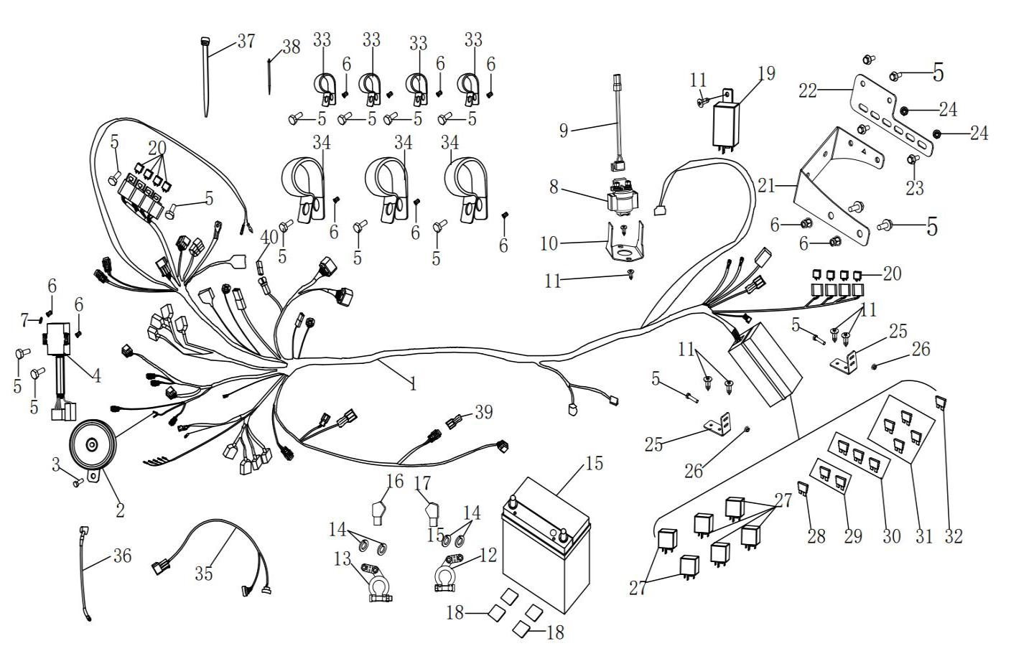
 | 1 | 17209020090 | Wire Harness, Front | Front | 1 | 12 Months (Unlimited Miles) | 1000-13
 | 2 | 17309100000 | Horn | Trumpet | 1 | 6 Months (Unlimited Miles)
 | 3 | 01224080166 | Hex Flange Bolt 8X16 | M8×16 | 1 | Not Covered Under Warranty | 800-3/800-3A/800-4/800-4A/1000-3/1000-3A/1000-4/1000-4A/1000-11/ATV800/800-7/1000-7/1000-13
 | 4 | 21140400302 | Shift Controller | Controller | 1 | 12 Months (Unlimited Miles)
 | 5 | 01254060166 | Hex Flange Bolt | M6×16 | 15 | Not Covered Under Warranty | 800-3/800-3A/800-4/800-4A/1000-3/1000-3A/1000-4/1000-4A/1000-11/ATV800/800-7/1000-7/1000-13
 | 6 | 04512060127 | Rivet Nut | M6 | 11 | Not Covered Under Warranty | 800-3/800-3A/800-4/800-4A/1000-3/1000-3A/1000-4/1000-4A/1000-11/800-7/1000-7/1000-12
 | 7 | 06819060004 | External Teeth Lock Washer | φ6 | 1 | Not Covered Under Warranty | 800-3/800-3A/800-4/800-4A/1000-3/1000-3A/1000-4/1000-4A/1000-11/ATV800/800-7/1000-7/1000-13
 | 8 | 17009350000 | Starter Relay | Relay | 1 | 6 Months (Unlimited Miles)
 | 9 | 17009010180 | Starter Relay Connector Wire | Cable | 1 | Not Covered Under Warranty
 | 10 | 17009010310 | Starter Relay Bracket | Bracket | 1
 | 11 | 03714630205 | Tapping Screws | ST6.3×20 | 5 | Not Covered Under Warranty | 800-3/800-3A/800-4/800-4A/1000-3/1000-3A/1000-4/1000-4A/1000-11/800-7/1000-7/1000-12
 | 12 | 10909090210 | Battery Positive Battery Terminal | Card | 1 | Not Covered Under Warranty | 800-3/800-3A/800-4/800-4A/1000-3/1000-3A/1000-4/1000-4A/1000-11/800-7
 | 13 | 10909090220 | Battery Negative Battery Terminal | Card | 1 | Not Covered Under Warranty | 800-3/800-3A/800-4/800-4A/1000-3/1000-3A/1000-4/1000-4A/1000-11/800-7
 | 14 | 06619061001 | Lock Washer | ø6 | 4 | Not Covered Under Warranty
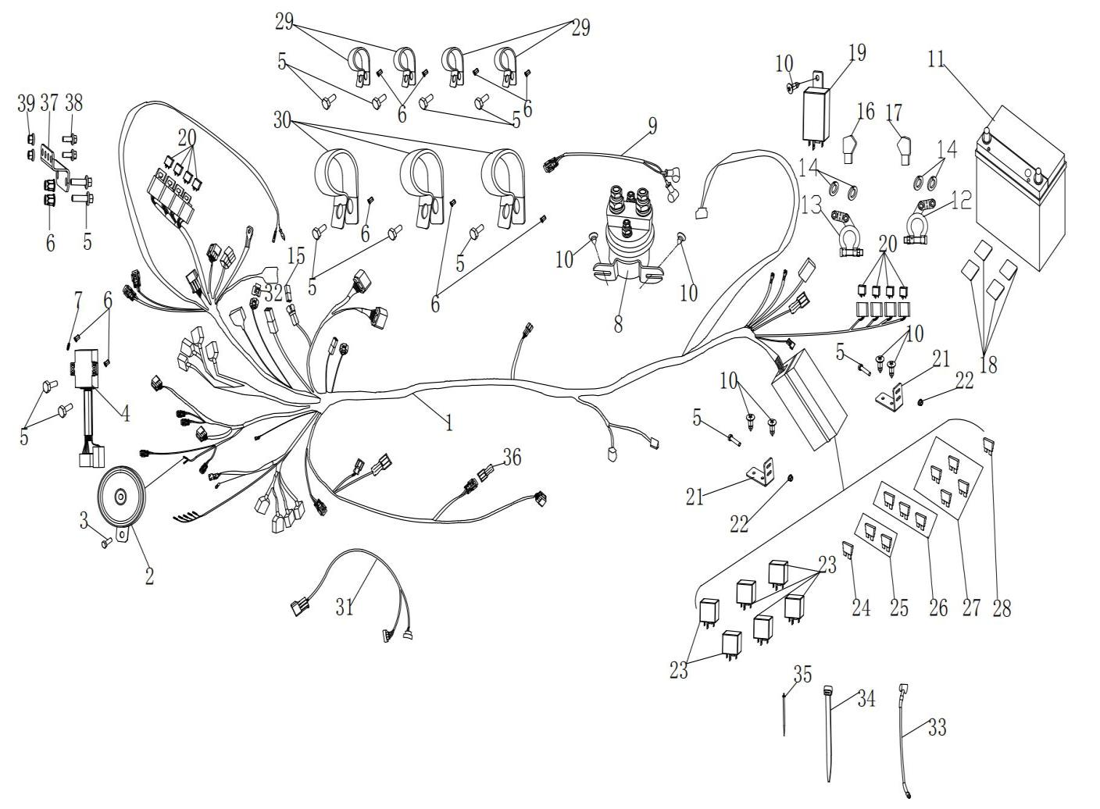
 | 15 | 10909090000 | Battery | Battery | 1 | Not Covered Under Warranty
 | 16 | 10909010010 | Waterproof Cover (Negative) |  | 1 | Not Covered Under Warranty
 | 17 | 10909010020 | Waterproof Cover (Positive) |  | 1 | Not Covered Under Warranty
 | 18 | 10409090020 | Rubber Cushion, Battery | 30x60x6 | 4 | Not Covered Under Warranty
 | 19 | 10109270000 | Flasher | Waterproof | 1 | 6 Months (Unlimited Miles)
 | 20 | 10109330000 | 2Wd/4Wd Solenoid | 2WD | 8 | 12 Months (Unlimited Miles)
 | 21 | 16609350032 | Relay Bracket | Bracket | 1
 | 22 | 16609350060 | Relay Mount Plate | Plate | 1
 | 23 | 01224050125 | Hex Flange Bolt | M5×12 | 2
 | 24 | 04612050025 | Hex Flange Lock Nuts | M5 | 2
 | 25 | 14609010150 | Fuse Box Bracket | Bracket | 2 | Not Covered Under Warranty
 | 26 | 04612060025 | Hexagon Flange Locking Nut 6 | M6 | 2 | Not Covered Under Warranty | 800-3/800-3A/800-4/800-4A/1000-3/1000-3A/1000-4/1000-4A/1000-11/800-7/1000-7/1000-12
 | 27 | 10409340000 | Diverter Relay (Four Prong) | Relay | 6 | 6 Months (Unlimited Miles)
 | 28 | 10909010050 | Fuse 10A（Red） | 10A | 1 | Not Covered Under Warranty
 | 29 | 10909010040 | Fuse 15A（Blue） | 15A | 2 | Not Covered Under Warranty
 | 30 | 10909010070 | Fuse 20A（Yellow） | 20A | 3 | Not Covered Under Warranty
 | 31 | 10909010030 | Fuse 30A（Green） | 30A | 4 | Not Covered Under Warranty
 | 32 | 10909010230 | Fuse 40A（Orange） | 40A | 1 | Not Covered Under Warranty
 | 33 | 10109380030 | Wire Harness Mounting Clamp 3 | φ30 | 4 | Not Covered Under Warranty
 | 34 | 14612080000 | Clip 36 | φ36 | 3 | Not Covered Under Warranty
 | 35 | 13203100170 | 2Wd/4Wd Wire | Line | 1 | 12 Months (Unlimited Miles)
 | 36 | 14609010130 | Starter Wire Harness | Starter | 1 | 12 Months (Unlimited Miles)
 | 37 | 90103040030 | Nylon Cable Ties W8X250Mm | M8×250 | 15 | Not Covered Under Warranty
 | 38 | 90103040053 | Fixed Bushing | M5×150 | 30 | Not Covered Under Warranty
 | 39 | 16514240090 | Sealing Plug | DJ7021-1.5-11 | 1
 | 40 | 17109160250 | Small Instrument Short Connector | Connector | 1
F36.ELECTRICAL SYSTEM II | Item # | Part Number | Description | Specification | Quantity | Warranty period | Fits Models
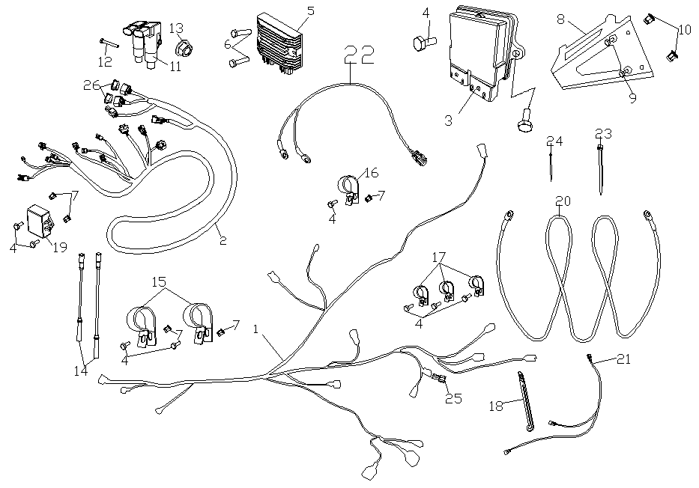
 | 1 | 16609020112 | Wire Harness, Rear | Rear | 1 | 12 Months (Unlimited Miles) | 1000-13
 | 2 | 16609410001 | Engine Wire Harness | Harness | 1 | 12 Months (Unlimited Miles) | 1000-13
 | 3 | 21140402001 | Ecu | Unit | 1 | 24 Months(Unlimited Miles)
 | 4 | 01254060166 | Hex Flange Bolt | M6×16 | 13 | Not Covered Under Warranty | 800-3/800-3A/800-4/800-4A/1000-3/1000-3A/1000-4/1000-4A/1000-11/800-7/1000-7/1000-12
 | 5 | 21051100203 | Voltage Regulator | Stabilizer | 1 | 24 Months(Unlimited Miles)
 | 6 | 01214060356 | Hex Flange Bolt | M6×35 | 2 | Not Covered Under Warranty | 800-3/800-3A/800-4/800-4A/1000-3/1000-3A/1000-4/1000-4A/1000-11/800-7/1000-7/1000-12
 | 7 | 16509210010 | Regulator Bracket | Bracket | 1 | 6 Months (Unlimited Miles)
 | 8 | 01224080166 | Torx Bolt | M8x16 | 2 | Not Covered Under Warranty
 | 9 | 04512060127 | Hexagon Rivet Nut | M8 | 2 | Not Covered Under Warranty
 | 10 | 16509210022 | Regulator Ower Wire | Cord | 1
 | 11 | 14609070160 | Connect Wire, Tail Lamp | Wire | 1 | 12 Months (Unlimited Miles) | 1000-13
 | 12 | 16514240090 | Sealing Plug | DJ7021-1.5-11 | 1
 | 13 | 21040400201 | Ignition Coil | Coils | 2 | 24 Months(Unlimited Miles)
 | 14 | 01214060751 | Hex Flange Bolt | M6×75 | 1 | Not Covered Under Warranty | 800-3/800-3A/800-4/800-4A/1000-3/1000-3A/1000-4/1000-4A/1000-11/800-7/1000-7/1000-12
 | 15 | 21040400402 | Spark Plug Cable(Front) | Line | 2 | 24 Months(UnlimitedMiles)
 | 16 | 14609010140 | Negative Wire | Negative | 1 | 12 Months (Unlimited Miles)
 | 17 | 15109380040 | Wire Harness Mounting Clamp | φ42 | 2 | Not Covered Under Warranty
 | 18 | 14612080000 | Clamp | φ36 | 4 | Not Covered Under Warranty
 | 19 | 10109380010 | Wire Harness Mounting Clamp | φ1-14 | 5 | Not Covered Under Warranty
 | 20 | 04512060127 | Rivet Nut | M6 | 8 | Not Covered Under Warranty | 800-3/800-3A/800-4/800-4A/1000-3/1000-3A/1000-4/1000-4A/1000-11/ATV800/800-7/1000-7/1000-13
 | 21 | 21040402401 | Wire Holder | Plate | 1 | Not Covered Under Warranty
 | 22 | 16608250030 | Rear Differential Lock Controller | Controller | 1 | 6 Months (Unlimited Miles) | 1000-13
 | 23 | 90103040030 | Nylon Cable Ties | M8×250 | 15 | Not Covered Under Warranty
 | 24 | 90103040053 | Bushing | M5×150 | 30 | Not Covered Under Warranty
1、CYLINDER 1 HEAD ASSEMBLY | Item # | Part Number | Description | Specification | Quantity | Warranty period | Fits Models
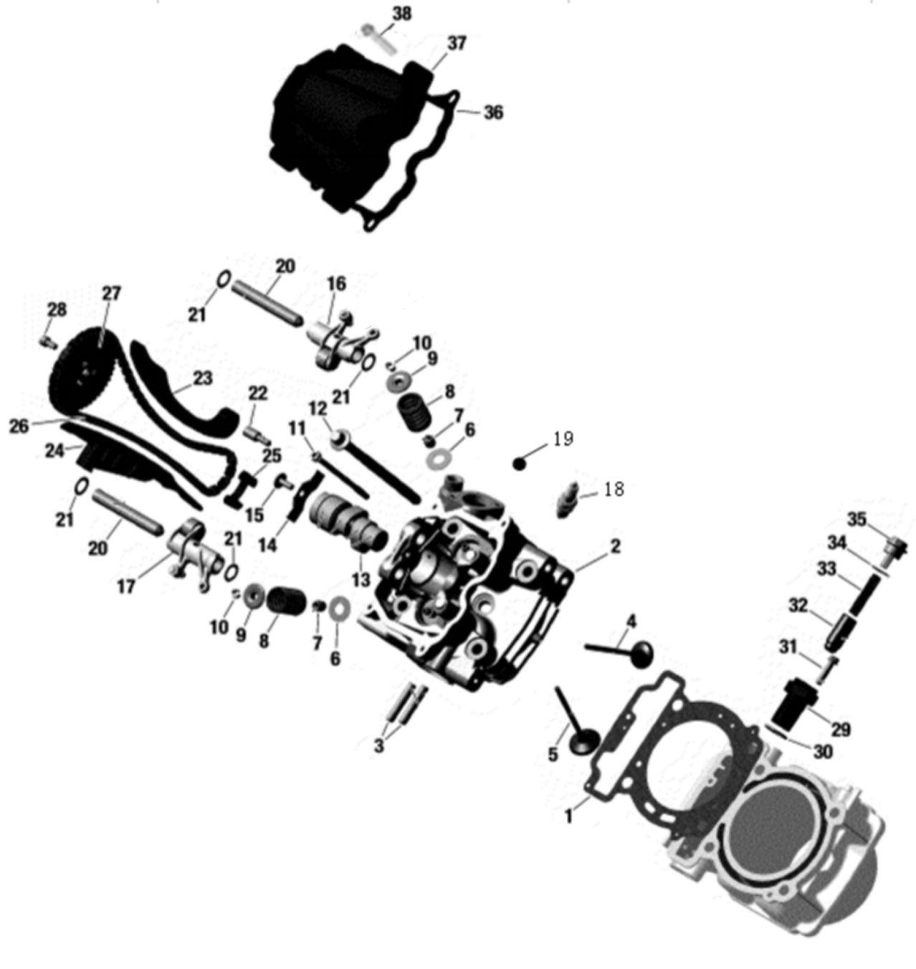
 | 1 | 21040100102 | Cylinder Head Gasket | Cylinder | 1 | Not Covered Under Warranty
 | 2 | 21140100201 | Cylinder Front | Head | 1 | 24 Months (Unlimited Miles)
 | 3 | 21040100501 | Stud M8×45 | M | 2 | Not Covered Under Warranty
 | 4 | 21040100701 | Exhaust Valve,27 Mm | Mm | 2 | 24 Months (Unlimited Miles)
 | 5 | 21040100601 | Intake Valve, 31 Mm | Mm | 2 | 24 Months (Unlimited Miles)
 | 6 | 21040100801 | Thrust Washer | Seat | 4 | Not Covered Under Warranty
 | 7 | 21040100901 | Valve Stem Seal | Valve | 4 | Not Covered Under Warranty
 | 8 | 21040101001 | Valve Spring | Spring | 4 | Not Covered Under Warranty
 | 9 | 21040101101 | Valve Spring Retainer |  | 4 | Not Covered Under Warranty
 | 10 | 21040101201 | Valve Retainer Locks |  | 8 | Not Covered Under Warranty
 | 11 | 01214061051 | Flanged Screw |  | 2 | Not Covered Under Warranty
 | 12 | 21050101201 | Screw | M | 4 | Not Covered Under Warranty
 | 12 | 21050101202 | Screw | M | 4 | Not Covered Under Warranty
 | 13 | 21140100901 | Camshaft | Camshaft | 1 | 24 Months (Unlimited Miles)
 | 14 | 21040101601 | Holding Strip | Plate | 1 | 24 Months (Unlimited Miles)
 | 15 | 01224060161 | Hex Flange Bolt | Flange | 1 | Not Covered Under Warranty
 | 16 | 21040103301 | Rocker Arm Inlet | Rocker | 1 | 24 Months (Unlimited Miles)
 | 17 | 21040103401 | Rocker Arm Exhaust | Rocker | 1 | 24 Months (Unlimited Miles)
 | 18 | 21040105101 | Spark Plug | DCPR7E | 1 | Not Covered Under Warranty
 | 19 | 21040100401 | Steel Ball | Sф | 1 | Not Covered Under Warranty
 | 20 | 21040103101 | Rocker Shaft | Shaft | 2 | 24 Months (Unlimited Miles)
 | 21 | 21040103201 | Flat Washer | 18.6×12.4×0.5 | 4 | Not Covered Under Warranty
 | 22 | 21040101701 | Cam Retention Plate Bolts |  | 1 | Not Covered Under Warranty
 | 23 | 21050102301 | Cam Chain Tensioner Guide | Chain | 1 | Not Covered Under Warranty
 | 24 | 21050102401 | Cam Chain Guide | Guide | 1 | Not Covered Under Warranty
 | 25 | 21040102001 | Cam Chain Guard | Guard | 1 | Not Covered Under Warranty
 | 26 | 21050102601 | Timing Chain | 6.35 4×3 118 | 1 | Not Covered Under Warranty
 | 27 | 21050102701 | Camshaft Sprocket | 42 Teeth | 1 | 24 Months (Unlimited Miles)
 | 28 | 21050102801 | Screw | M6x12 | 3 | Not Covered Under Warranty
 | 29 | 21040102401 | Chain Tensioner Housing |  | 1 | Not Covered Under Warranty
 | 30 | 21040102501 | O-Ring | Ф21×2.5 | 1 | Not Covered Under Warranty
 | 31 | 01224060221 | Hex Flange Bolt | Flange | 2 | Not Covered Under Warranty
 | 32 | 21040102601 | Chain Tensioner Plunger | Ten | 1 | Not Covered Under Warranty
 | 33 | 21040102901 | Spring | Spring | 1 | Not Covered Under Warranty
 | 34 | 21040102701 | O-Ring | Ф17x2 | 1 | Not Covered Under Warranty
 | 35 | 21040102801 | Cam Chain Tensioner Cap |  | 1 | Not Covered Under Warranty
 | 36 | 21040103801 | Valve Cover Gasket | Gasket | 1 | Not Covered Under Warranty
 | 37 | 21040103901 | Valve Cover | Cover | 1 | 24 Months (Unlimited Miles)
 | 38 | 01224060251 | Hex Flange Bolt |  | 4 | Not Covered Under Warranty
2、CYLINDER II HEAD ASSEMBLY | Item # | Part Number | Description | Specification | Quantity | Warranty period | Fits Models
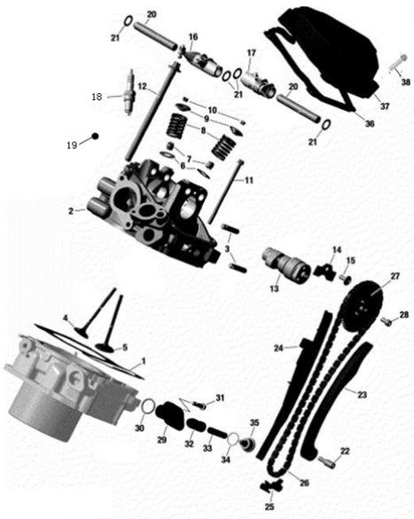
 | 1 | 21040100102 | Cylinder Head Gasket | Cylinder | 1 | Not Covered Under Warranty
 | 2 | 21140100201 | Cylinder Cylinder 1 | Head | 1 | 24 Months (Unlimited Miles)
 | 3 | 21040100501 | Stud | M8x45 | 2 | Not Covered Under Warranty
 | 4 | 21040100701 | Exhaust Valve 27 | 27mm | 2 | 24 Months (Unlimited Miles)
 | 5 | 21040100601 | Inlet Valve, 31 | 31mm | 2 | 24 Months (Unlimited Miles)
 | 6 | 21040100801 | Thrust Washer |  | 4 | Not Covered Under Warranty
 | 7 | 21040100901 | Valve Stem Seal |  | 4 | Not Covered Under Warranty
 | 8 | 21040101001 | Valve Spring |  | 4 | Not Covered Under Warranty
 | 9 | 21040101101 | Valve Spring Retainer |  | 4 | Not Covered Under Warranty
 | 10 | 21040101201 | Valve Spring Retainer Locks |  | 8 | Not Covered Under Warranty
 | 11 | 01214061051 | Flanged Screw | M6x105 | 2 | Not Covered Under Warranty
 | 12 | 21050101201 | Flange Bolt | M10x159 | 4 | Not Covered Under Warranty
 | 12 | 21050101202 | Flange Bolt | M10x159 | 4 | Not Covered Under Warranty
 | 13 | 21140101001 | Camshaft #2 Cylinder | Camshaft | 1 | 24 Months (Unlimited Miles)
 | 14 | 21040101601 | Cam Retention Plate |  | 1 | 24 Months (Unlimited Miles)
 | 15 | 01224060161 | Hex Flange Bolt | M6x16 | 1 | Not Covered Under Warranty
 | 16 | 21040103301 | Rocker Arm Inlet |  | 1 | 24 Months (Unlimited Miles)
 | 17 | 21040103401 | Rocker Arm Exhaust |  | 1 | 24 Months (Unlimited Miles)
 | 18 | 21040105101 | Spark Plug | DCPR7E | 1 | Not Covered Under Warranty
 | 19 | 21040100401 | Steel Ball |  | 1 | Not Covered Under Warranty
 | 20 | 21040103101 | Rocker Shaft |  | 2 | 24 Months (Unlimited Miles)
 | 21 | 21040103201 | Flat Washer | Ф18.6×12.4×0.5 | 4 | Not Covered Under Warranty
 | 22 | 21040101701 | Bearing Screw | M6 | 1 | Not Covered Under Warranty
 | 23 | 21050102301 | Cam Chain Tensioner |  | 1 | Not Covered Under Warranty
 | 24 | 21050102401 | Cam Chain Guide |  | 1 | Not Covered Under Warranty
 | 25 | 21040102001 | Cam Chain Guard |  | 1 | Not Covered Under Warranty
 | 26 | 21050102601 | Tming Chain | 6.35 4×3 118 | 1 | Not Covered Under Warranty
 | 27 | 21050102701 | Camshaft Sprocket | 42T | 1 | 24 Months (Unlimited Miles)
 | 28 | 21050102801 | Screw | M6x12 | 3 | Not Covered Under Warranty
 | 29 | 21040102401 | Chain Tensioner Housing | Ten | 1 | Not Covered Under Warranty
 | 30 | 21040102501 | O-Ring | Ф21×2.5 | 1 | Not Covered Under Warranty
 | 31 | 01224060221 | Flanged Screw | M6x25 | 2 | Not Covered Under Warranty
 | 32 | 21040102601 | Chain Tensioner Plunger |  | 1 | Not Covered Under Warranty
 | 33 | 21040102901 | Spring |  | 1 | Not Covered Under Warranty
 | 34 | 21040102701 | O-Ring | Ф17×2 | 1 | Not Covered Under Warranty
 | 35 | 21040102801 | Adjusting Screw |  | 1 | Not Covered Under Warranty
 | 36 | 21040103801 | Valve Cover Gasket | Gasket | 1 | Not Covered Under Warranty
 | 37 | 21040103901 | Valve Cover | Cover | 1 | 24 Months (Unlimited Miles)
 | 38 | 01224060251 | Hex Flange Bolt | M6x25 | 4 | Not Covered Under Warranty
3、CRANKCASE COMPONENTS | Item # | Part Number | Description | Specification | Quantity | Warranty period | Fits Models
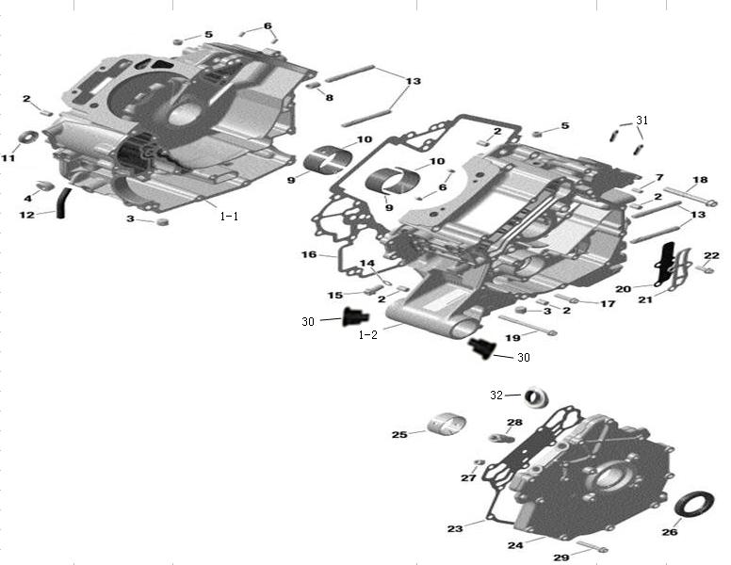
 | 1-1 | 21050300102 | Right Crankcase | Crankcase | 1 | 24 Months (Unlimited Miles)
 | 1-2 | 21050300201 | Left Crankcase | Crankcase | 1 | 24 Months (Unlimited Miles)
 | 2 | 21040105401 | Dowel Pin | Ф 8×12 | 5 | Not Covered Under Warranty
 | 3 | 21040105801 | Plug | NPT 1/4 | 2 | Not Covered Under Warranty
 | 4 | 21040105601 | Plug | NPT 1/2 | 1 | Not Covered Under Warranty
 | 5 | 21040105701 | Plug | NPT 1/8 | 2 | Not Covered Under Warranty
 | 6 | 21040105502 | Drive Pin | Ф5×11 | 4 | Not Covered Under Warranty
 | 7 | 21040106301 | Needle Pin | Ф6×10 | 1 | Not Covered Under Warranty
 | 8 | 21040116001 | Dowel Pin | 10×16 Hollow | 1 | Not Covered Under Warranty
 | 9 | 21040106001 | Main Bearing A | no hole | 2 | Not Covered Under Warranty
 | 9 | 21040106002 | Main Bearing A | no hole | 2 | Not Covered Under Warranty
 | 10 | 21040106101 | Main Bearing B | with hole | 2 | Not Covered Under Warranty
 | 10 | 21040106102 | Main Bearing B | with holes | 2 | Not Covered Under Warranty
 | 11 | 21040106201 | Oil Seal | 10×25×5 | 1 | Not Covered Under Warranty
 | 12 | 21050301211 | Water Pump Seal Weep Tube Drain | Fittings | 1 | Not Covered Under Warranty
 | 13 | 21050301301 | Stud | M8x69 | 4 | Not Covered Under Warranty
 | 14 | 21040107401 | Sealing Ring | Ф8 | 1 | Not Covered Under Warranty
 | 15 | 01224080161 | Flanged Screw | M8×16 | 1 | Not Covered Under Warranty
 | 16 | 21050301601 | Gasket |  | 1 | Not Covered Under Warranty
 | 17 | 01224060251 | Flanged Screw | M6×25 | 2 | Not Covered Under Warranty
 | 18 | 01214080651 | Flanged Screw | M8×65 | 4 | Not Covered Under Warranty
 | 19 | 01214060751 | Flanged Screw | M6×75 | 13 | Not Covered Under Warranty
 | 20 | 21040106502 | Reed Valve |  | 1 | Not Covered Under Warranty
 | 21 | 21040106601 | Reed Valve Limiter |  | 1 | 24 Months (Unlimited Miles)
 | 22 | 01224060161 | Flanged Screw | M6x16 | 3 | Not Covered Under Warranty
 | 23 | 21040106901 | Left Cover Gasket |  | 1 | Not Covered Under Warranty
 | 24 | 21050302400 | Pto Cover Ass'Y |  | 1 | 24 Months (Unlimited Miles)
 | 25 | 21040107101 | Left Cover Bearing |  | 2 | Not Covered Under Warranty
 | 25 | 21040107102 | Left Cover Bearing | Bearing | 2 | Not Covered Under Warranty
 | 26 | 21040107301 | Oil Seal | 34×52×8 | 1 | Not Covered Under Warranty
 | 27 | 21040105701 | Plug Screw | NPT1/8 | 1 | Not Covered Under Warranty
 | 28 | 21040107201 | Hose Nipple Npt1/4 |  | 1 | Not Covered Under Warranty
 | 29 | 01224060351 | Flanged Torx Screw | M6×35 | 14 | Not Covered Under Warranty
 | 30 | 21040206301 | Anti-Vibration Mount |  | 2 | Not Covered Under Warranty
 | 31 | 90101120650 | Insert Pin 10*1.5-17K |  | 8 | Not Covered Under Warranty
 | 32 | 21050302411 | Breathing Valve Bushing, Left Cover |  | 1 | 24 Months (Unlimited Miles)
4、CRANKSHAFT, CYLINDER & PISTON ASSEMBLY | Item # | Part Number | Description | Specification | Quantity | Warranty period | Fits Models
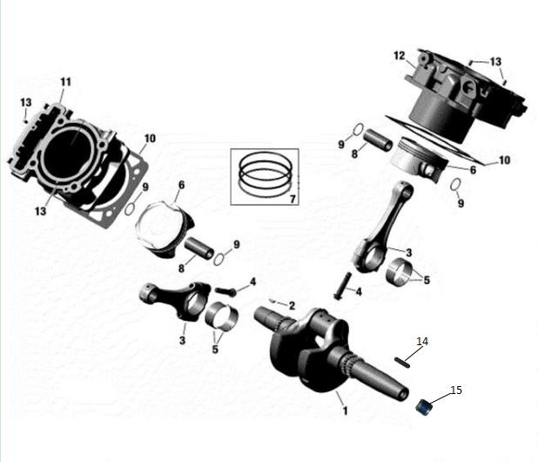
 | 1 | 21140100102 | Crankshaft | Crankshaft | 1 | Not Covered Under Warranty
 | 2 | 21040107701 | Woodruff Key | 4×5 | 1 | 24 Months (Unlimited Miles)
 | 3 | 21050400200 | Connecting Rod Ass’Y |  | 2 | 24 Months (Unlimited Miles)
 | 4 | 21050400231 | Connecting Rod Screw |  | 4 | Not Covered Under Warranty
 | 5 | 21050400501 | Plain Bearing |  | 4 | Not Covered Under Warranty
 | 5 | 21050400502 | Plain Bearing |  | 4 | Not Covered Under Warranty
 | 6 | 21140100601 | Piston Ass'Y, 90.55 Mm |  | 2 | 24 Months (Unlimited Miles)
 | 7 | 21040108301 | First Piston Ring |  | 2 | Not Covered Under Warranty
 |  | 21040108401 | Second Piston Ring |  | 2 | Not Covered Under Warranty
 |  | 21040108501 | Scraper Ring |  | 4 | Not Covered Under Warranty
 |  | 21040108601 | Oil Ring |  | 2 | Not Covered Under Warranty
 | 8 | 21050400801 | Piston Pin |  | 2 | 24 Months (Unlimited Miles)
 | 9 | 21050400901 | Piston Circlip |  | 4 | Not Covered Under Warranty
 | 10 | 21140101101 | Cylinder Gasket |  | 2 | Not Covered Under Warranty
 | 11 | 21050401101 | Cylinder With Sleeve, Cyl# 1 |  | 1 | 24 Months (Unlimited Miles)
 | 11 | 21050401102 | Cylinder With Sleeve, Cyl# 1 |  | 1 | 24 Months (Unlimited Miles)
 | 12 | 21050401201 | Cylinder With Sleeve, Cyl# 2 |  | 1 | 24 Months (Unlimited Miles)
 | 12 | 21050401202 | Cylinder With Sleeve, Cyl# 2 |  | 1 | 24 Months (Unlimited Miles)
 | 13 | 21040105502 | Drive Pin 5×11 |  | 4 | Not Covered Under Warranty
 | 14 | 21041000301 | Flat Key | 5x20 | 1 | Not Covered Under Warranty
 | 15 | 21041000601 | Plug Screw | 10x1 | 1 | Not Covered Under Warranty
5、STATOR & STARTER ASSEMBLY | Item # | Part Number | Description | Specification | Quantity | Warranty period | Fits Models
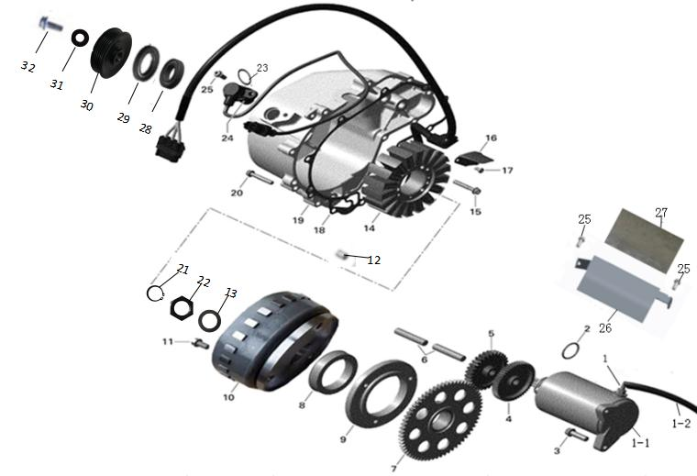
 | 1 | 21040109100 | Starter Ass'Y |  | 1 | 24 Months (Unlimited Miles)
 | 2 | 21040109118 | O-Ring | 23.8×3.1 | 1 | Not Covered Under Warranty
 | 3 | 02224080251 | Hex Flange Bolt | M8x25 | 1 | Not Covered Under Warranty
 | 4 | 21040109201 | Double Gear | 49T/11T | 1 | 24 Months (Unlimited Miles)
 | 5 | 21040109301 | Gear | 30T | 1 | 24 Months (Unlimited Miles)
 | 6 | 21040105901 | Location Pin |  | 2 | 24 Months (Unlimited Miles)
 | 7 | 21040109401 | Free Wheel Gear | 64T | 1 | 24 Months (Unlimited Miles)
 | 8 | 21040109501 | Sprag Clutch |  | 1 | 24 Months (Unlimited Miles)
 | 9 | 21040109601 | Sprag Clutch Housing |  | 1 | 24 Months (Unlimited Miles)
 | 10 | 21041000701 | Flywheel | Langfang | 1 | 24 Months (Unlimited Miles)
 | 11 | 03344080161 | Flanged Screw | M8x16 | 3 | Not Covered Under Warranty
 | 12 | 21020803301 | Drive Pin | φ8×14 | 1 | Not Covered Under Warranty
 | 13 | 21041000401 | Gasket | φ23×φ34×1.5 | 1 | Not Covered Under Warranty
 | 14 | 21040109702 | Stator Plate |  | 1 | 24 Months (Unlimited Miles)
 | 15 | 01224060351 | Flanged Screw | M6x35 | 3 | Not Covered Under Warranty
 | 16 | 21040110101 | Cable Inner Cover |  | 1 | Not Covered Under Warranty
 | 17 | 03113040081 | Screw | M4x8 | 2 | Not Covered Under Warranty
 | 18 | 21040111302 | Gasket |  | 1 | Not Covered Under Warranty
 | 19 | 22040110203 | Cover |  | 1 | 24 Months (Unlimited Miles)
 | 20 | 01224060351 | Flanged Torx Screw | M6x35 | 10 | Not Covered Under Warranty
 | 21 | 21160201201 | Snap Ring | φ20 | 1 | Not Covered Under Warranty
 | 22 | 21140209101 | Nut |  | 1 | Not Covered Under Warranty
 | 23 | 21040111001 | O-Ring | M16x2 | 1 | Not Covered Under Warranty
 | 24 | 21040110901 | Crankshaftposition Sensor Ass'Y |  | 1 | 24 Months (Unlimited Miles)
 | 25 | 01224060161 | Hex Flange Bolt | M6x16 | 3 | Not Covered Under Warranty
 | 26 | 21140101301 | Starter Motor Insulating Plate |  | 1 | Not Covered Under Warranty
 | 27 | 21040117501 | Brake Cable-Heat Insulation Film (Thin) |  | 1 | Not Covered Under Warranty
 | 28 | 09160061904 | Bearing | 6904-Z | 1 | Not Covered Under Warranty
 | 29 | 21020200401 | Oil Seal | φ20×φ32×6 | 1 | Not Covered Under Warranty
 | 30 | 21041000103 | Pulley | φ68 | 1 | Not Covered Under Warranty
 | 31 | 21041000201 | Gasket | φ10.5×φ22.5×2.5 | 1 | Not Covered Under Warranty
 | 32 | 01224100201 | Hexagon Flange Bolt | M10×1×20 | 1 | Not Covered Under Warranty
 | 33 | 01224060404 | Flanged Torx Screw | M6×40 | 1 | Not Covered Under Warranty
6、ENGINE LUBRICATION ASSEMBLY | Item # | Part Number | Description | Specification | Quantity | Warranty period | Fits Models
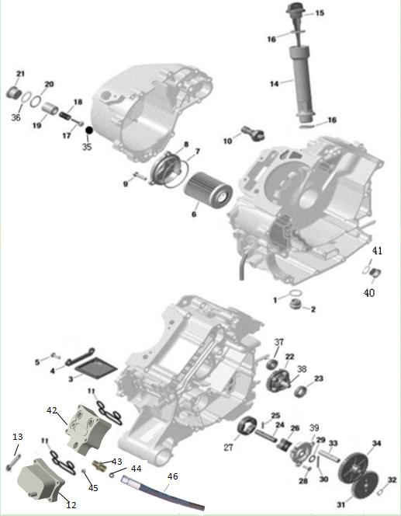
 | 1 | 21050600101 | Oil Drain Bolt Gasket | Ф24×Ф18×1 (copper) | 1 | Not Covered Under Warranty
 | 2 | 21050600202 | Magnetic Oil Drain Bolt | M18×1.5 | 1 | 24 Months (Unlimited Miles)
 | 3 | 21040111401 | Oil Filter |  | 1 | Not Covered Under Warranty
 | 4 | 21050904801 | Oil Screen Retainer |  | 1 | 24 Months (Unlimited Miles)
 | 5 | 01223050161 | Hex Flange Bolt | M5x16 | 2 | Not Covered Under Warranty
 | 6 | 21040111601 | Oil Filter |  | 1 | Not Covered Under Warranty
 | 7 | 21040116901 | O-Ring | M61.5x2.65 | 1 | Not Covered Under Warranty
 | 8 | 21040111801 | Oil Filter Cover |  | 1 | 24 Months (Unlimited Miles)
 | 9 | 01224060181 | Hex Flange Screw | M6x18 | 3 | Not Covered Under Warranty
 | 10 | 21040111901 | Oil Pressure Sensor |  | 1 | 24 Months (Unlimited Miles)
 | 11 | 21050601101 | Oil Cooler Seal |  | 2 | Not Covered Under Warranty
 | 12 | 21140102601 | Oil Cooler |  | 1 | 24 Months (Unlimited Miles)
 | 13 | 01214060502 | Hex Flange Bolt | M6x50 | 4 | Not Covered Under Warranty
 | 14 | 21050601401 | Oil Leve Tube |  | 1 | Not Covered Under Warranty
 | 15 | 21050601501 | Oil Dipstick |  | 1 | Not Covered Under Warranty
 | 16 | 21040112001 | O-Ring |  | 2 | Not Covered Under Warranty
 | 17 | 21040110401 | Pressure Relief Spool |  | 1 | 24 Months (Unlimited Miles)
 | 18 | 21040110501 | Pressure Relief Spool |  | 1 | Not Covered Under Warranty
 | 19 | 21040110601 | Spring Seat (Pressure Relief Valve) |  | 1 | 24 Months (Unlimited Miles)
 | 20 | 21040205801 | O-Ring | 20x12.5x1 | 2 | Not Covered Under Warranty
 | 21 | 21040110801 | Pressure Relief Valve Plug | M22×1.5 | 1 | 24 Months (Unlimited Miles)
 | 22 | 21050602212 | Idler Gear | 28T | 1 | Not Covered Under Warranty
 | 23 | 21050602221 | Idler Gear Oil Seal | 15x26x7 | 1 | Not Covered Under Warranty
 | 24 | 21040112801 | Oil Pump Shaft |  | 1 | 24 Months (Unlimited Miles)
 | 25 | 21040112701 | Needle Pin | M4x16 | 1 | Not Covered Under Warranty
 | 26 | 21040112601 | Oil Pump Inner Rotor |  | 1 | 24 Months (Unlimited Miles)
 | 27 | 21040112501 | Oil Pump Outer Rotor |  | 1 | 24 Months (Unlimited Miles)
 | 28 | 03424050161 | Screw | M5x16 | 3 | Not Covered Under Warranty
 | 29 | 21040113001 | Thrust Washer | Ф17×Ф10.2×1 | 1 | Not Covered Under Warranty
 | 30 | 21040113101 | Needle Pin |  | 1 | Not Covered Under Warranty
 | 31 | 21040113202 | Oil Pump Gear | 33T | 1 | Not Covered Under Warranty
 | 32 | 07021101004 | Snap Ring | 10 | 1 | Not Covered Under Warranty
 | 33 | 21040105901 | Location Pin |  | 2 | 24 Months (Unlimited Miles)
 | 34 | 21040113402 | Idle Gear | 38T | 1 | Not Covered Under Warranty
 | 35 | 21040110301 | Pressure Relief Valve Cushion |  | 1 | Not Covered Under Warranty
 | 36 | 21040500601 | O-Ring | φ22.5×2.7 | 1 | Not Covered Under Warranty
 | 37 | 09360006200 | Idler Ball Bearing | 6200-2RZ | 1 | Not Covered Under Warranty
 | 38 | 21040516601 | Bearing Shaft |  | 1 | Not Covered Under Warranty
 | 39 | 21040112901 | Oil Pump Cover |  | 1 | 24 Months (Unlimited Miles)
 | 40 | 21140101801 | Oil Nozzle Plug | M8x8 | 2 | Not Covered Under Warranty
 | 41 | 21140101901 | Copper Washer | φ12.9×φ8.1×1 | 2 | Not Covered Under Warranty
 | 42 | 21140102501 | Oil Cooler Base |  | 1 | Not Covered Under Warranty
 | 43 | 21030112901 | Oil Cooler Hose Connector |  | 1 | Not Covered Under Warranty
 | 44 | 21030112801 | O-Ring | φ11×2 | 1 | Not Covered Under Warranty
 | 45 | 21040105701 | Plug | NPT 1/8 | 1 | Not Covered Under Warranty
 | 46 | 21140400901 | Oil Cooler Pipe (With Joint) | L=600mm | 1 | Not Covered Under Warranty
7、ENGINE COOLING SYSTEM ASSEMBLY | Item # | Part Number | Description | Specification | Quantity | Warranty period | Fits Models
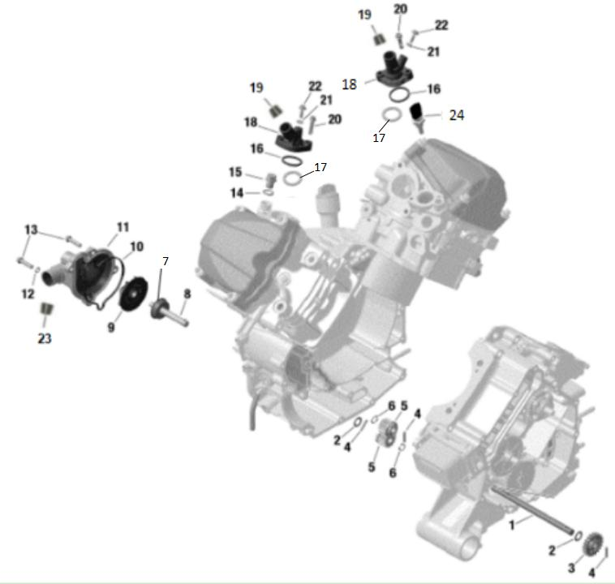
 | 1 | 21040113501 | Intermediate Shaft |  | 1 | 24 Months (Unlimited Miles)
 | 2 | 21040113001 | Thrust Washer | Ф17×Ф10.2×1 | 2 | Not Covered Under Warranty
 | 3 | 21040113602 | Water Pump Driving Gear | 20T | 1 | Not Covered Under Warranty
 | 4 | 21040113701 | Needle Pin | M4x20 | 3 | Not Covered Under Warranty
 | 5 | 21040113802 | Water Pump Gear | 15T | 2 | Not Covered Under Warranty
 | 6 | 07021101004 | Snap Ring | 10 | 2 | Not Covered Under Warranty
 | 7 | 21140101401 | Water Pump Rubber Cap |  | 1 | Not Covered Under Warranty
 | 7 | 21040113901 | Rotary Seal |  | 1 | Not Covered Under Warranty
 | 8 | 21040114001 | Water Pump Shaft |  | 1 | 24 Months (Unlimited Miles)
 | 9 | 21140100701 | Water Pump Impeller |  | 1 | Not Covered Under Warranty
 | 10 | 21140100501 | Gasket |  | 1 | Not Covered Under Warranty
 | 11 | 21140100401 | Water Pump Housing |  | 1 | 24 Months (Unlimited Miles)
 | 12 | 06150061201 | Gasket Ring | 6 | 1 | Not Covered Under Warranty
 | 13 | 01224060251 | Flanged Bolt | M6x25 | 4 | Not Covered Under Warranty
 | 14 | 21040104701 | Copper Washer | 18×12.4×2 | 1 | Not Covered Under Warranty
 | 15 | 21040104801 | Plug Screw | M12×1.5 | 1 | Not Covered Under Warranty
 | 16 | 21040104201 | Thermostat Gasket |  | 2 | Not Covered Under Warranty
 | 17 | 21040104101 | Spacer |  | 2 | Not Covered Under Warranty
 | 18 | 21040104301 | Thermostat Cover |  | 2 | 24 Months (Unlimited Miles)
 | 19 | 21040104361 | Thermostat Cover Rubber Cap |  | 2 | Not Covered Under Warranty
 | 20 | 01224060251 | Flanged Bolt | M6×25 | 4 | Not Covered Under Warranty
 | 21 | 21040117001 | Gasket Ring | 6 | 2 | Not Covered Under Warranty
 | 22 | 21040104401 | Coolant Bleeder Screw | M6x10 | 2 | Not Covered Under Warranty
 | 23 | 21040104361 | Housing Cap |  | 2 | Not Covered Under Warranty
 | 24 | 21040103001 | Water Temperature Sensor |  | 1 | 24 Months (Unlimited Miles)
 | 24 | 21040103002 | Water Temperature Sensor |  | 1 | 24 Months (Unlimited Miles)
8、FRONT OUTPUT SHAFT ASSEMBLY | Item # | Part Number | Description | Specification | Quantity | Warranty period | Fits Models
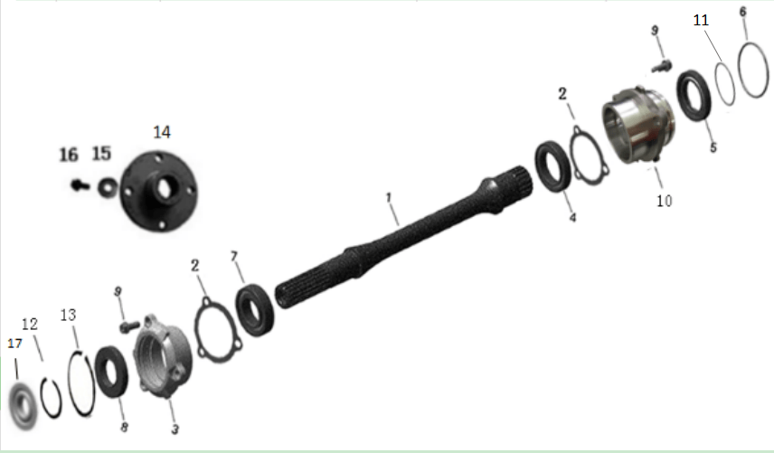
 | 1 | 21051000101 | Front Diff Drive Shaft |  | 1 | 24 Months (Unlimited Miles)
 | 2 | 21040116201 | Paper Gasket |  | 2 | Not Covered Under Warranty
 | 3 | 21040115501 | Bearing Race |  | 1 | 24 Months (Unlimited Miles)
 | 4 | 09160061906 | Ball Bearing | 6906 | 1 | Not Covered Under Warranty
 | 5 | 21040115701 | Oil Seal | 30×47×7 | 1 | Not Covered Under Warranty
 | 6 | 21140102201 | O-Ring | φ53.5×2.15 | 1 | Not Covered Under Warranty
 | 7 | 09160006005 | Ball Bearing | 6005 | 1 | Not Covered Under Warranty
 | 8 | 21040116101 | Oil Seal | 25×47×7 | 1 | Not Covered Under Warranty
 | 9 | 01224060161 | Flanged Torx Screw | M6×16 | 6 | Not Covered Under Warranty
 | 10 | 21140100302 | Bearing Race |  | 1 | 24 Months (Unlimited Miles)
 | 11 | 21140102101 | O-Ring | φ54.4×1.6 | 1 | Not Covered Under Warranty
 | 12 | 21040206101 | Front Output Shaft Retaining Ring |  | 1 | Not Covered Under Warranty
 | 13 | 07011470001 | Circlip | 47 | 1 | Not Covered Under Warranty
 | 14 | 21040206402 | Front Output Shaft Flange |  | 1 | Not Covered Under Warranty
 | 15 | 060214291235 | Lock Washer | 29.5×12.5×3.5 | 1 | Not Covered Under Warranty
 | 16 | 21051001501 | Drive Shaft Connecting Flange Bolts | 12×1.25×25 | 1 | Not Covered Under Warranty
 | 17 | 21051000201 | Dust-Proof Cover |  | 1 | Not Covered Under Warranty
9、INTAKE SYSTEM | Item # | Part Number | Description | Specification | Quantity | Warranty period | Fits Models
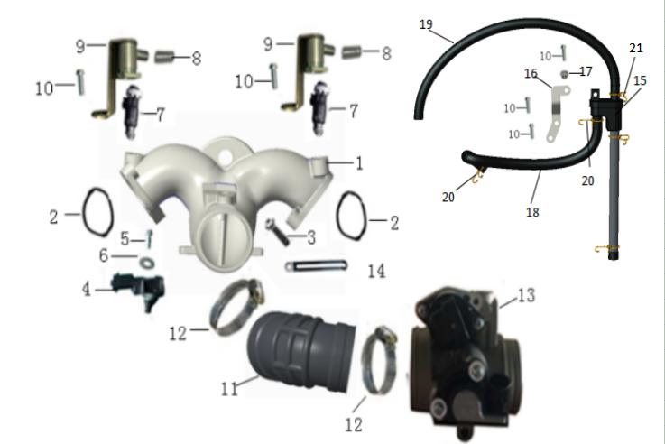
 | 1 | 21051101701 | Air Intake Manifold |  | 1 | 24 Months (Unlimited Miles)
 | 2 | 21040114501 | Intake Manifold O-Ring |  | 2 | Not Covered Under Warranty
 | 3 | 02224080251 | Hex Flange Bolt | M8x25 | 4 | Not Covered Under Warranty
 | 4 | 21040114601 | Intake Pressure And Temperature Sensor | MAP Sensor | 1 | 24 Months (Unlimited Miles)
 | 5 | 01224060161 | Hex Flange Bolt 6X16 | M6x16 | 1 | Not Covered Under Warranty
 | 6 | 06222061704 | Washer | M6x17 | 1 | Not Covered Under Warranty
 | 7 | 21040114901 | Fuel Injector |  | 2 | 24 Months (Unlimited Miles)
 | 8 | 21040114911 | Fuel Injector Rubber Cap |  | 2 | Not Covered Under Warranty
 | 9 | 21040115103 | Fuel Injector Cap Assembly |  | 2 | 24 Months (Unlimited Miles)
 | 10 | 01224060161 | Hex Flange Bolt | M6x16 | 5 | Not Covered Under Warranty
 | 11 | 21051101101 | Intake Neck |  | 1 | Not Covered Under Warranty
 | 12 | 21051101201 | Clamp | 60-80 | 2 | Not Covered Under Warranty
 | 13 | 21140103301 | Throttle Body Assembly |  | 1 | 24 Months (Unlimited Miles)
 | 14 | 21040402401 | Harness Clamp |  | 1 | Not Covered Under Warranty
 | 15 | 21140102801 | Air-Oil Separater |  | 1 | Not Covered Under Warranty
 | 16 | 21140103001 | Air-Oil Separator Bracket |  | 1 | Not Covered Under Warranty
 | 17 | 04633060023 | Hexagon Flange Locking Nut | M6 | 1 | Not Covered Under Warranty
 | 18 | 21140103101 | Crankshaft Case Exhaust Pipe 1 (Left Cover) |  | 1 | Not Covered Under Warranty
 | 19 | 21140103201 | Crankshaft Case Exhaust Pipe 2 (Air Filter) |  | 1 | Not Covered Under Warranty
 | 20 | 21160401601 | Wire Clamp | φ14.5 | 2 | Not Covered Under Warranty
 | 21 | 21040403801 | Clamp | φ10-16 | 1 | Not Covered Under Warranty
10、GEARBOX I | Item # | Part Number | Description | Specification | Quantity | Warranty period | Fits Models
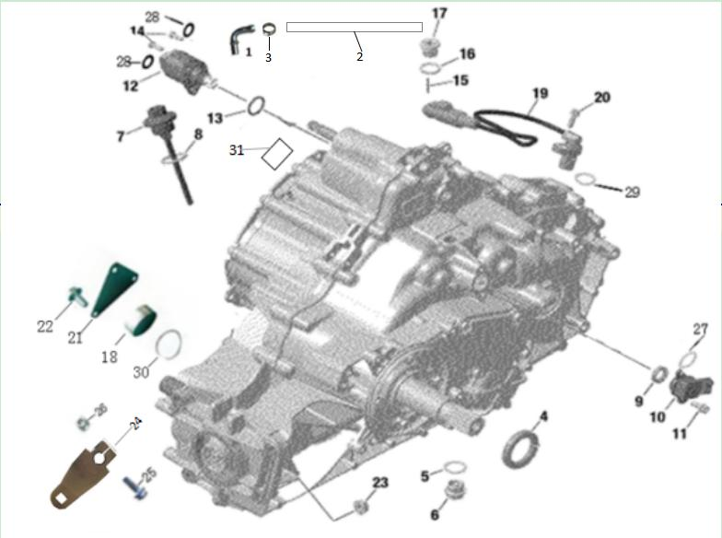
 | 1 | 21050905901 | Vent Tube |  | 1 | Not Covered Under Warranty
 | 2 | 21140102701 | Vent Tube | Rubber | 1 | Not Covered Under Warranty
 | 3 | 21140102901 | Hose Clamp | φ10.5 | 1 | Not Covered Under Warranty
 | 4 | 21040201801 | Seal-Oil | φ32×φ47×7 | 1 | Not Covered Under Warranty
 | 5 | 21050600101 | Oil Drain Bolt Gasket Copper | Ф24×Ф18×1 | 1 | Not Covered Under Warranty
 | 6 | 21050600202 | Magnetic Oil Drain Bolt | M18×1.5 | 1 | Not Covered Under Warranty
 | 7 | 21140200301 | Oil Dipstick |  | 1 | 24 Months (Unlimited Miles)
 | 8 | 21040112001 | O-Ring | φ22×3.5 | 1 | Not Covered Under Warranty
 | 9 | 21140200401 | Oil Seal | φ12×φ20×5 | 1 | Not Covered Under Warranty
 | 10 | 21140200502 | Angle Rotation Sensor | Gear indicator | 1 | 24 Months (Unlimited Miles)
 | 11 | 01224060161 | Flanged Torx Screw | M6 X 16 | 2 | Not Covered Under Warranty
 | 12 | 21140200602 | Rear Diff Lock Servo |  | 1 | 24 Months (Unlimited Miles)
 | 13 | 21160102801 | O-Ring | Φ17.8×3.3 | 1 | Not Covered Under Warranty
 | 14 | 03344050141 | Hexagon Socket Screw M5×14 | M5×14 | 2 | Not Covered Under Warranty
 | 15 | 21140201001 | Needle Pin. | φ3×20 | 1 | Not Covered Under Warranty
 | 16 | 21140201101 | Copper Washer Φ22×Φ16×1.5 | φ22×φ16×1.5 | 1 | Not Covered Under Warranty
 | 17 | 21140201201 | Plug Screw M16 X 1.5 | M16×1.5 | 1 | Not Covered Under Warranty
 | 18 | 21140210301 | Gearbox Plug |  | 1 | 24 Months (Unlimited Miles)
 | 19 | 21050904201 | Speed Sensor |  | 1 | 24 Months (Unlimited Miles)
 | 20 | 01224060161 | Flanged Torx Screw | M6 X 16 | 1 | Not Covered Under Warranty
 | 21 | 21140210202 | Gear Plug Plate |  | 1 | 24 Months (Unlimited Miles)
 | 22 | 01314060252 | Flanged Torx Screw M6 X 25 | M6 X 25 | 3 | Not Covered Under Warranty
 | 23 | 04112080021 | Hex. Nut | M8 | 4 | Not Covered Under Warranty
 | 24 | 21050905603 | Gear Shift Lever |  | 1 | 24 Months (Unlimited Miles)
 | 25 | 01224060281 | Flanged Torx Screw | M6 X 28 | 1 | Not Covered Under Warranty
 | 26 | 04633060023 | Hex. Nut | M6 | 1 | Not Covered Under Warranty
 | 27 | 21040102701 | O-Ring | φ17×2 | 1 | Not Covered Under Warranty
 | 28 | 21140200901 | Shim | φ10×φ5.5×1 | 2 | Not Covered Under Warranty
 | 29 | 21050904211 | O-Ring | 13×1.9 | 1 | Not Covered Under Warranty
 | 30 | 21040115801 | O-Ring | 47×2 | 1 | Not Covered Under Warranty
11、GEARBOX II | Item # | Part Number | Description | Specification | Quantity | Warranty period | Fits Models
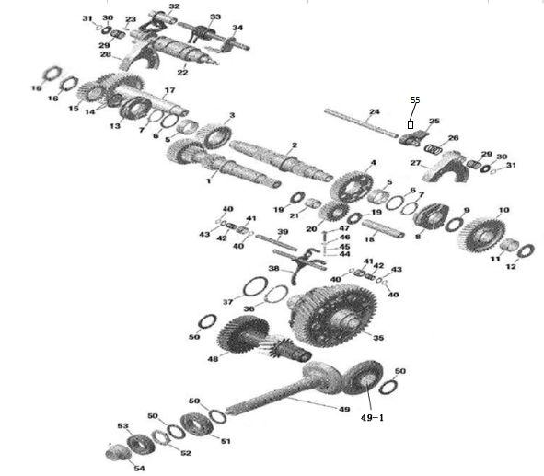
 | 1 | 21140201603 | Countershaft Ass'Y |  | 1 | 24 Months (Unlimited Miles)
 | 2 | 21140201702 | Secondary Shaft |  | 1 | 24 Months (Unlimited Miles)
 | 3 | 21140201802 | Counter Shaft High Speed Gear | 38T | 1 | 24 Months (Unlimited Miles)
 | 4 | 21140201902 | Counter Shaft Reverse Gear | 39T | 1 | 24 Months (Unlimited Miles)
 | 5 | 21140202001 | Needle Bearing | φ42×φ38×16.5 | 2 | Not Covered Under Warranty
 | 6 | 21140202101 | Thrust Washer | φ48×φ38.2×1.5 | 2 | Not Covered Under Warranty
 | 7 | 21140202201 | Retaining Ring |  | 2 | Not Covered Under Warranty
 | 8 | 21140202302 | Low Gear |  | 1 | 24 Months (Unlimited Miles)
 | 9 | 21140202401 | Thrust Washer | φ45×φ25.1×4.5 | 1 | Not Covered Under Warranty
 | 10 | 21140202502 | Counter Shaft Low Speed Gear | 39T | 1 | 24 Months (Unlimited Miles)
 | 11 | 21140202601 | Needle Bearing | φ35×φ30×16.5 | 1 | Not Covered Under Warranty
 | 12 | 21140202701 | Thrust Washer | φ48×φ30.2×1.5 | 1 | Not Covered Under Warranty
 | 13 | 21140202802 | Shifting Sleeve |  | 1 | 24 Months (Unlimited Miles)
 | 14 | 21140202901 | Half-Ring |  | 2 | Not Covered Under Warranty
 | 15 | 21140203002 | Counter Shaft Gear 1 | 21T | 1 | 24 Months (Unlimited Miles)
 | 16 | 21140203102 | Hex. Nut | M34 | 2 | Not Covered Under Warranty
 | 17 | 21140203203 | Intermediate Gear Shaft Ass'Y |  | 1 | 24 Months (Unlimited Miles)
 | 18 | 21140203301 | Reverse Gear Shaft |  | 1 | 24 Months (Unlimited Miles)
 | 19 | 21140203401 | Washer | φ40×φ20.2×1.5 | 2 | Not Covered Under Warranty
 | 20 | 21140203502 | Reverse Gear Wheel |  | 1 | 24 Months (Unlimited Miles)
 | 21 | 21140203601 | Needle Bearing | φ25×φ20×19.5 | 1 | Not Covered Under Warranty
 | 22 | 21140203701 | Shift Drum Ass'Y. |  | 1 | 24 Months (Unlimited Miles)
 | 24 | 21140203801 | Shift Fork Shaft |  | 1 | 24 Months (Unlimited Miles)
 | 25 | 21140203901 | Middle Shift Fork |  | 1 | 24 Months (Unlimited Miles)
 | 26 | 21140204301 | Fork Spring 2 |  | 2 | 24 Months (Unlimited Miles)
 | 27 | 21140204101 | Low Gear Shift Fork Assembly |  | 1 | 24 Months (Unlimited Miles)
 | 28 | 21140204201 | Shift Fork Ass'Y |  | 1 | 24 Months (Unlimited Miles)
 | 29 | 21140204001 | Fork Spring 1 |  | 1 | 24 Months (Unlimited Miles)
 | 30 | 21140204401 | Fork Spring Plate |  | 2 | 24 Months (Unlimited Miles)
 | 31 | 07021121004 | Retaining Ring | φ12 | 2 | Not Covered Under Warranty
 | 32 | 21140204601 | Toothed Segment |  | 1 | 24 Months (Unlimited Miles)
 | 33 | 21140204701 | Shift Shaft Return Spring |  | 1 | 24 Months (Unlimited Miles)
 | 34 | 21140204801 | Shift Shaft Assembly |  | 1 | 24 Months (Unlimited Miles)
 | 35 | 21140204901 | Differential / Gearbox Ass'Y |  | 1 | 24 Months (Unlimited Miles)
 | 36 | 21140205001 | Retaining Ring | φ55 | 1 | Not Covered Under Warranty
 | 37 | 21140205151 | Adjusting Shim | φ65×φ55.3×2.0 | 1 | Not Covered Under Warranty
 | 37 | 21140205161 | Adjusting Shim | φ65×φ55.3×2.1 |  | Not Covered Under Warranty
 | 37 | 21140205131 | Adjusting Shim | φ65×φ55.3×2.2 |  | Not Covered Under Warranty
 | 37 | 21140205141 | Adjusting Shim | φ65×φ55.3×2.3 |  | Not Covered Under Warranty
 | 37 | 21140205101 | Adjusting Shim | φ65×φ55.3×2.4 |  | Not Covered Under Warranty
 | 37 | 21140205111 | Adjusting Shim | φ65×φ55.3×2.5 |  | Not Covered Under Warranty
 | 37 | 21140205121 | Adjusting Shim | φ65×φ55.3×2.6 |  | Not Covered Under Warranty
 | 38 | 21140205201 | Differential Shift Fork Ass'Y |  | 1 | 24 Months (Unlimited Miles)
 | 39 | 21140205301 | Differential Lock Shaft |  | 1 | 24 Months (Unlimited Miles)
 | 40 | 07021101004 | Circlip Φ10 | φ10 | 4 | Not Covered Under Warranty
 | 41 | 21140205501 | Differential Lock Spring Seat |  | 2 | 24 Months (Unlimited Miles)
 | 42 | 21140205601 | Differential Fork Spring |  | 2 | Not Covered Under Warranty
 | 43 | 21040113001 | Thrust Washer | φ17×φ10.2×1 | 2 | Not Covered Under Warranty
 | 44 | 21140205801 | Steel Ball | φ5 | 1 | Not Covered Under Warranty
 | 45 | 21140205901 | Differential Shift Fork Limit Spring |  | 1 | 24 Months (Unlimited Miles)
 | 46 | 21140206001 | Copper Washer Φ6 | φ6 | 1 | Not Covered Under Warranty
 | 47 | 01224060301 | Flanged Torx Screw M6 X 30 | M6×30 | 1 | Not Covered Under Warranty
 | 48 | 21140206102 | Drive Shaft Assembly |  | 1 | 24 Months (Unlimited Miles)
 | 49 | 21140206201 | Driven Bevel Gear |  | 1 | 24 Months (Unlimited Miles)
 | Jan-49 | 21140206501 | Drive Bevel Gear |  | 1 | 24 Months (Unlimited Miles)
 | 50 | 21140206303 | Adjusting Shim | φ47×φ35.5×2.3 | 3 | Not Covered Under Warranty
 | 50 | 21140206304 | Adjusting Shim | φ47×φ35.5×2.4 |  | Not Covered Under Warranty
 | 50 | 21140206305 | Adjusting Shim | φ47×φ35.5×2.5 |  | Not Covered Under Warranty
 | 50 | 21140206306 | Adjusting Shim | φ47×φ35.5×2.6 |  | Not Covered Under Warranty
 | 50 | 21140206307 | Adjusting Shim | φ47×φ35.5×2.7 |  | Not Covered Under Warranty
 | 50 | 21140206309 | Adjusting Shim | φ47×φ35.5×2.75 |  | Not Covered Under Warranty
 | 50 | 21140206308 | Adjusting Shim | φ47×φ35.5×2.8 |  | Not Covered Under Warranty
 | 50 | 21140206301 | Adjusting Shim | φ47×φ35.5×2.85 |  | Not Covered Under Warranty
 | 50 | 21140206311 | Adjusting Shim | φ47×φ35.5×2.9 |  | Not Covered Under Warranty
 | 50 | 21140206321 | Adjusting Shim | φ47×φ35.5×2.95 |  | Not Covered Under Warranty
 | 50 | 21140206331 | Adjusting Shim | φ47×φ35.5×3.0 |  | Not Covered Under Warranty
 | 50 | 21140206341 | Adjusting Shim | φ47×φ35.5×3.05 |  | Not Covered Under Warranty
 | 50 | 21140206351 | Adjusting Shim | φ47×φ35.5×3.1 |  | Not Covered Under Warranty
 | 50 | 21140206361 | Adjusting Shim | φ47×φ35.5×3.2 |  | Not Covered Under Warranty
 | 50 | 21140206371 | Adjusting Shim | φ47×φ35.5×3.3 |  | Not Covered Under Warranty
 | 50 | 21140206381 | Adjusting Shim | φ47×φ35.5×3.4 |  | Not Covered Under Warranty
 | 50 | 21140206391 | Adjusting Shim | φ47×φ35.5×3.5 |  | Not Covered Under Warranty
 | 51 | 21140207401 | Ball Bearing | 6207 C3 | 1 | Not Covered Under Warranty
 | 52 | 21140203102 | Hex. Nut | M34 | 1 | Not Covered Under Warranty
 | 53 | 09160006206 | Ball Bearing | 6206 | 1 | Not Covered Under Warranty
 | 54 | 21140206703 | Four-Wheel Drive Skid Kit |  | 1 | 24 Months (Unlimited Miles)
 | 55 | 21140209801 | Center Shift Fork Positioning Pin |  | 1
12、GEARBOX III | Item No. | Part Number | Description | Specification | Quantity | Warranty period | Fits Models
 | 1-1 | 21140207101 | Gear Box Left Cover |  | 1 | 24 Months (Unlimited Miles)
 | 1-2 | 21140207201 | Gear Box Right Cover |  | 1 | 24 Months (Unlimited Miles)
 | 2 | 21040105401 | Locating Pin |  | 6 | Not Covered Under Warranty
 | 3 | 21040200701 | Oil Seal | φ12×φ28×7 | 1 | Not Covered Under Warranty
 | 4 | 21140200101 | Oil Seal | φ40×φ52×7 | 2 | Not Covered Under Warranty
 | 6 | 21140207401 | Ball Bearing | 6207 C3 | 1 | Not Covered Under Warranty
 | 7 | 21140207501 | Ball Bearing | 6305 LUC3 (single-sided seal) | 1 | Not Covered Under Warranty
 | 8 | 21140207601 | Ball Bearing | 6205-RS (single-sided seal) | 2 | Not Covered Under Warranty
 | 9 | 21140207701 | Retaining Plate | Large | 1 | 24 Months (Unlimited Miles)
 | 10 | 21140207801 | Flanged Torx Screw | M6x20 | 5 | Not Covered Under Warranty
 | 11 | 21140207901 | Ball Bearing | 6306 C3 | 2 | Not Covered Under Warranty
 | 12 | 21040203001 | Bearing Set Plate |  | 1 | 24 Months (Unlimited Miles)
 | 13 | 21050907321 | Roller Bearing | 30207 | 2 | Not Covered Under Warranty
 | 14 | 21140208101 | Ball Bearing. | 32011X/J | 2 | Not Covered Under Warranty
 | 15 | 01314060451 | Flanged Torx Screw | M6x45 | 11 | Not Covered Under Warranty
 | 16 | 01314080451 | Flanged Torx Screw | M8x45 | 10 | Not Covered Under Warranty
 | 17 | 01314080651 | Flanged Torx Screw | M8x65 | 2 | Not Covered Under Warranty
 | 18 | 21140203102 | Hex. Nut | M34 | 1 | Not Covered Under Warranty
 | 19 | 21140206502 | Hex. Nut | M24 | 2 | Not Covered Under Warranty
 | 20 | 21140208401 | Left Cover |  | 1 | 24 Months (Unlimited Miles)
 | 21 | 01314060252 | Flanged Torx Screw | M6x25 | 8 | Not Covered Under Warranty
 | 22 | 21140208501 | Shift Detent Block |  | 1 | 24 Months (Unlimited Miles)
 | 23 | 21140208601 | Shift Detent Spring |  | 1 | 24 Months (Unlimited Miles)
 | 24 | 21040203401 | Step Ring |  | 1 | 24 Months (Unlimited Miles)
 | 25 | 21050909401 | Index Lever Ass'Y |  | 1 | 24 Months (Unlimited Miles)
 | 26 | 21040203601 | Locator Spacer |  | 1 | Not Covered Under Warranty
 | 27 | 01224060201 | Flanged Torx Screw | M6x20 | 2 | Not Covered Under Warranty
 | 28 | 21140208701 | Parking Lock Lever |  | 1 | 24 Months (Unlimited Miles)
 | 29 | 21140208801 | Parking Rocker Shaft |  | 1 | 24 Months (Unlimited Miles)
 | 30 | 21140208902 | Parking Gear |  | 1 | 24 Months (Unlimited Miles)
 | 31 | 21140209001 | Spring Washer | φ44×φ24.2×2 | 1 | Not Covered Under Warranty
 | 32 | 21140209102 | Hex Nut | M22×1.5 | 1 | Not Covered Under Warranty
 | 33 | 21140209201 | Right Cover Gasket |  | 1 | Not Covered Under Warranty
 | 34 | 21140209301 | Right Gearbox Cover |  | 1 | 24 Months (Unlimited Miles)
 | 35 | 01314060252 | Flanged Torx Screw | M6×25 | 6 | Not Covered Under Warranty
 | 36 | 21140209401 | Hang Bracket, Lh |  | 1 | 24 Months (Unlimited Miles)
 | 37 | 21140209501 | Hang Bracket, Rh |  | 1 | 24 Months (Unlimited Miles)
 | 38 | 01225080251 | Hex Flange Bolt | M8x25 | 6 | Not Covered Under Warranty
 | 39 | 01224060161 | Hex Flange Bolt | M6x16 | 1 | Not Covered Under Warranty
13、CVT SYSTEM | Item # | Part Number | Description | Specification | Quantity | Warranty period | Fits Models
 | 1 | 21140300101 | Cvt Air Box |  | 1 | 24 Months (Unlimited Miles)
 | 2 | 21140300201 | Gasket |  | 1 | Not Covered Under Warranty
 | 3 | 21040300201 | O-Ring | φ57×3 | 1 | Not Covered Under Warranty
 | 4 | 21140300301 | O-Ring | φ110×2.85 | 1 | Not Covered Under Warranty
 | 5 | 01314060181 | Hex Large Flange Bolt | M6 X 18 | 8 | Not Covered Under Warranty
 | 6 | 21140300401 | Clutch Cover |  | 1 | 24 Months (Unlimited Miles)
 | 7 | 21140300501 | O-Ring | φ18×2.5 | 1 | Not Covered Under Warranty
 | 8 | 21140300601 | Cap |  | 1 | Not Covered Under Warranty
 | 9 | 01314060351 | Hex Flange Bolt | M6x35 | 11 | Not Covered Under Warranty
 | 10 | 21140301401 | Driving Wheel Assembly | Primary | 1 | 24 Months (Unlimited Miles)
 | 10 | 21140302001 | Driving Wheel Assembly | Primary | 1 | 24 Months (Unlimited Miles)
 | 11 | 21140301501 | Driven Wheel Assembly | Secondary | 1 | 24 Months (Unlimited Miles)
 | 11 | 21140302101 | Driven Wheel Assembly | Secondary | 1 | 24 Months (Unlimited Miles)
 | 12 | 21140300901 | Lock Washer | φ34.5×φ15×3.5 | 1 | Not Covered Under Warranty
...

